COX4I1 _multivariate
Reported by Tex Li-Hsing Chi. tex@gate.sinica.edu.tw 2019-08-20

Table 2. The clinicopathological features of HNSCC cohort and COX4I1 expression. (Chi square test)
Cutoff at -0.097 (68.4%)
 |  | COX4I1 expression |  | COX4I1 expression |  | (Optimised)
 | Features | Low | (%) | High | (%) | Case no | P-value | Remark | Matthews
Gender | Female | 207 | 49.9 | 99 | 23.9 | 415 | 0.6471 | 0 | 0
2 | Male | 77 | 18.6 | 32 | 7.7
Age at diagnosis | <=65y | 188 | 45.3 | 86 | 20.7 | 415 | 1 | 0 | 0
4 | >65y | 96 | 23.1 | 45 | 10.8
Clinical T Status | T1+T2 | 104 | 25.1 | 45 | 10.8 | 415 | 0.7356 | 0 | 0
6 | T3+T4 | 180 | 43.4 | 86 | 20.7
Clinical N Status | N0 | 148 | 35.7 | 68 | 16.4 | 415 | 1 | 0 | 0
8 | N1-3 | 136 | 32.8 | 63 | 15.2
Clinical M Status | M0 | 283 | 68.2 | 129 | 31.1 | 415 | 0.2354 | 0 | 0
10 | M1 | 1 | 0.2 | 2 | 0.5
Clinical Stage | Stage I+II | 73 | 17.6 | 29 | 7 | 415 | 0.5081 | 0 | 0
12 | Stage III+IV | 211 | 50.8 | 102 | 24.6
Surgical Margin status | Negative | 223 | 53.7 | 95 | 22.9 | 415 | 0.2119 | 0 | 0
14 | Positive | 61 | 14.7 | 36 | 8.7
Tobacco Exposure | Low | 117 | 28.2 | 44 | 10.6 | 415 | 0.1591 | 0 | 0
16 | High | 167 | 40.2 | 87 | 21

Table 3. Univariate/Multivariate Cox's proportional hazards regression analyses on OS time of COX4I1 gene expression in HNSCC

 |  | Univariate |  |  |  | Multivariate
 | Features | HR | CI95%(L) | CI95%(H) | P-value | HR | CI95%(L) | CI95%(H) | P-value
1 | Female | 1 |  |  |  | 1
Gender | Male | 1.157 | 0.843 | 1.587 | 0.367 | 1.178 | 0.841 | 1.65 | 0.341
11 | <=65y | 1 |  |  |  | 1
Age at diagnosis | >65y | 1.329 | 0.99 | 1.784 | 0.058 | 1.388 | 1.021 | 1.887 | 0.036
12 | T1+T2 | 1 |  |  |  | 1
Clinical T Status | T3+T4 | 1.409 | 1.028 | 1.931 | 0.033 | 2.208 | 1.167 | 4.174 | 0.015
13 | N0 | 1 |  |  |  | 1
Clinical N Status | N1-3 | 1.185 | 0.89 | 1.577 | 0.246 | 1.236 | 0.866 | 1.764 | 0.243
14 | M0 | 1 |  |  |  | 1
Clinical M Status | M1 | 4.097 | 1.009 | 16.644 | 0.049 | 8.566 | 1.851 | 39.644 | 0.006
15 | Stage I+II | 1 |  |  |  | 1
Clinical Stage | Stage III+IV | 1.245 | 0.882 | 1.759 | 0.213 | 0.508 | 0.237 | 1.09 | 0.082
16 | Negative | 1 |  |  |  | 1
Surgical Margin status | Positive | 1.591 | 1.155 | 2.191 | 0.004 | 1.628 | 1.174 | 2.257 | 0.003
17 | Low | 1 |  |  |  | 1
Tobacco Exposure | High | 1.364 | 1.008 | 1.844 | 0.044 | 1.423 | 1.03 | 1.965 | 0.032
18 | Low | 1 |  |  |  | 1
RNAseq(z-score) | High | 1.361 | 1.002 | 1.848 | 0.049 | 1.194 | 0.871 | 1.636 | 0.271

Table 4. Univariate/Multivariate Cox's proportional hazards regression analyses on RFS time of COX4I1 gene expression in HNSCC

 |  | Univariate |  |  |  | Multivariate
 | Features | HR | CI95%(L) | CI95%(H) | P-value | HR | CI95%(L) | CI95%(H) | P-value
1 | Female | 1 |  |  |  | 1
Gender | Male | 1.157 | 0.843 | 1.587 | 0.367 | 1.178 | 0.841 | 1.65 | 0.341
11 | <=65y | 1 |  |  |  | 1
Age at diagnosis | >65y | 1.329 | 0.99 | 1.784 | 0.058 | 1.388 | 1.021 | 1.887 | 0.036
12 | T1+T2 | 1 |  |  |  | 1
Clinical T Status | T3+T4 | 1.409 | 1.028 | 1.931 | 0.033 | 2.208 | 1.167 | 4.174 | 0.015
13 | N0 | 1 |  |  |  | 1
Clinical N Status | N1-3 | 1.185 | 0.89 | 1.577 | 0.246 | 1.236 | 0.866 | 1.764 | 0.243
14 | M0 | 1 |  |  |  | 1
Clinical M Status | M1 | 4.097 | 1.009 | 16.644 | 0.049 | 8.566 | 1.851 | 39.644 | 0.006
15 | Stage I+II | 1 |  |  |  | 1
Clinical Stage | Stage III+IV | 1.245 | 0.882 | 1.759 | 0.213 | 0.508 | 0.237 | 1.09 | 0.082
16 | Negative | 1 |  |  |  | 1
Surgical Margin status | Positive | 1.591 | 1.155 | 2.191 | 0.004 | 1.628 | 1.174 | 2.257 | 0.003
17 | Low | 1 |  |  |  | 1
Tobacco Exposure | High | 1.364 | 1.008 | 1.844 | 0.044 | 1.423 | 1.03 | 1.965 | 0.032
18 | Low | 1 |  |  |  | 1
RNAseq(z-score) | High | 1.361 | 1.002 | 1.848 | 0.049 | 1.194 | 0.871 | 1.636 | 0.271

Kaplan-Meier survival estimate: Cutoff at -0.097 (68.4%)

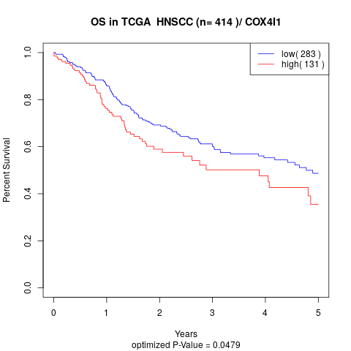

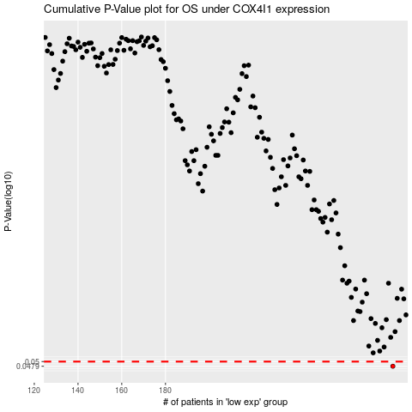

 |  |  |  |  |  | cases_OS | p_OS | rank | exp
 |  |  |  |  |  | 284 | 0.0479 | 38 | -0.09660641743
 |  |  |  |  |  |  | cases_RFS | p_RFS | rank | exp
 |  |  |  |  |  |  | 283 | 0.0479 | 400 | -0.10074937198

