COX5B _multivariate
Reported by Tex Li-Hsing Chi. tex@gate.sinica.edu.tw 2019-08-20

Table 2. The clinicopathological features of HNSCC cohort and COX5B expression. (Chi square test)
Cutoff at -0.288 (50.0%)
 |  | COX5B expression |  | COX5B expression |  | (Optimised)
 | Features | Low | (%) | High | (%) | Case no | P-value | Remark | Matthews
Gender | Female | 145 | 34.9 | 161 | 38.8 | 415 | 0.1116 | 0 | 0
2 | Male | 62 | 14.9 | 47 | 11.3
Age at diagnosis | <=65y | 139 | 33.5 | 135 | 32.5 | 415 | 0.7044 | 0 | 0
4 | >65y | 68 | 16.4 | 73 | 17.6
Clinical T Status | T1+T2 | 79 | 19 | 70 | 16.9 | 415 | 0.3924 | 0 | 0
6 | T3+T4 | 128 | 30.8 | 138 | 33.3
Clinical N Status | N0 | 105 | 25.3 | 111 | 26.7 | 415 | 0.6598 | 0 | 0
8 | N1-3 | 102 | 24.6 | 97 | 23.4
Clinical M Status | M0 | 207 | 49.9 | 205 | 49.4 | 415 | 0.2482 | 0 | 0
10 | M1 | 0 | 0 | 3 | 0.7
Clinical Stage | Stage I+II | 57 | 13.7 | 45 | 10.8 | 415 | 0.1998 | 0 | 0
12 | Stage III+IV | 150 | 36.1 | 163 | 39.3
Surgical Margin status | Negative | 156 | 37.6 | 162 | 39 | 415 | 0.5636 | 0 | 0
14 | Positive | 51 | 12.3 | 46 | 11.1
Tobacco Exposure | Low | 91 | 21.9 | 70 | 16.9 | 415 | 0.0346 | 1 | 0
16 | High | 116 | 28 | 138 | 33.3

Table 3. Univariate/Multivariate Cox's proportional hazards regression analyses on OS time of COX5B gene expression in HNSCC

 |  | Univariate |  |  |  | Multivariate
 | Features | HR | CI95%(L) | CI95%(H) | P-value | HR | CI95%(L) | CI95%(H) | P-value
1 | Female | 1 |  |  |  | 1
Gender | Male | 1.157 | 0.843 | 1.587 | 0.367 | 1.196 | 0.857 | 1.671 | 0.293
11 | <=65y | 1 |  |  |  | 1
Age at diagnosis | >65y | 1.329 | 0.99 | 1.784 | 0.058 | 1.407 | 1.033 | 1.916 | 0.03
12 | T1+T2 | 1 |  |  |  | 1
Clinical T Status | T3+T4 | 1.409 | 1.028 | 1.931 | 0.033 | 2.181 | 1.153 | 4.128 | 0.017
13 | N0 | 1 |  |  |  | 1
Clinical N Status | N1-3 | 1.185 | 0.89 | 1.577 | 0.246 | 1.234 | 0.864 | 1.76 | 0.247
14 | M0 | 1 |  |  |  | 1
Clinical M Status | M1 | 4.097 | 1.009 | 16.644 | 0.049 | 9.86 | 2.139 | 45.444 | 0.003
15 | Stage I+II | 1 |  |  |  | 1
Clinical Stage | Stage III+IV | 1.245 | 0.882 | 1.759 | 0.213 | 0.519 | 0.241 | 1.118 | 0.094
16 | Negative | 1 |  |  |  | 1
Surgical Margin status | Positive | 1.591 | 1.155 | 2.191 | 0.004 | 1.663 | 1.203 | 2.299 | 0.002
17 | Low | 1 |  |  |  | 1
Tobacco Exposure | High | 1.364 | 1.008 | 1.844 | 0.044 | 1.473 | 1.067 | 2.034 | 0.019
18 | Low | 1 |  |  |  | 1
RNAseq(z-score) | High | 0.952 | 0.714 | 1.269 | 0.737 | 0.896 | 0.666 | 1.205 | 0.466

Table 4. Univariate/Multivariate Cox's proportional hazards regression analyses on RFS time of COX5B gene expression in HNSCC

 |  | Univariate |  |  |  | Multivariate
 | Features | HR | CI95%(L) | CI95%(H) | P-value | HR | CI95%(L) | CI95%(H) | P-value
1 | Female | 1 |  |  |  | 1
Gender | Male | 1.157 | 0.843 | 1.587 | 0.367 | 1.196 | 0.857 | 1.671 | 0.293
11 | <=65y | 1 |  |  |  | 1
Age at diagnosis | >65y | 1.329 | 0.99 | 1.784 | 0.058 | 1.407 | 1.033 | 1.916 | 0.03
12 | T1+T2 | 1 |  |  |  | 1
Clinical T Status | T3+T4 | 1.409 | 1.028 | 1.931 | 0.033 | 2.181 | 1.153 | 4.128 | 0.017
13 | N0 | 1 |  |  |  | 1
Clinical N Status | N1-3 | 1.185 | 0.89 | 1.577 | 0.246 | 1.234 | 0.864 | 1.76 | 0.247
14 | M0 | 1 |  |  |  | 1
Clinical M Status | M1 | 4.097 | 1.009 | 16.644 | 0.049 | 9.86 | 2.139 | 45.444 | 0.003
15 | Stage I+II | 1 |  |  |  | 1
Clinical Stage | Stage III+IV | 1.245 | 0.882 | 1.759 | 0.213 | 0.519 | 0.241 | 1.118 | 0.094
16 | Negative | 1 |  |  |  | 1
Surgical Margin status | Positive | 1.591 | 1.155 | 2.191 | 0.004 | 1.663 | 1.203 | 2.299 | 0.002
17 | Low | 1 |  |  |  | 1
Tobacco Exposure | High | 1.364 | 1.008 | 1.844 | 0.044 | 1.473 | 1.067 | 2.034 | 0.019
18 | Low | 1 |  |  |  | 1
RNAseq(z-score) | High | 0.952 | 0.714 | 1.269 | 0.737 | 0.896 | 0.666 | 1.205 | 0.466

Kaplan-Meier survival estimate: Cutoff at -0.288 (50.0%)



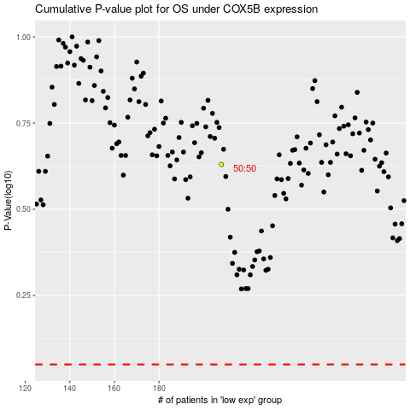

 |  |  |  |  |  | cases_OS | p_OS | rank | exp
 |  |  |  |  |  |  | cases_RFS | p_RFS | rank | exp

