COX6A1 _multivariate
Reported by Tex Li-Hsing Chi. tex@gate.sinica.edu.tw 2019-08-20

Table 2. The clinicopathological features of HNSCC cohort and COX6A1 expression. (Chi square test)
Cutoff at -0.315 (50.0%)
 |  | COX6A1 expression |  | COX6A1 expression |  | (Optimised)
 | Features | Low | (%) | High | (%) | Case no | P-value | Remark | Matthews
Gender | Female | 153 | 36.9 | 153 | 36.9 | 415 | 1 | 0 | 0
2 | Male | 54 | 13 | 55 | 13.3
Age at diagnosis | <=65y | 140 | 33.7 | 134 | 32.3 | 415 | 0.5574 | 0 | 0
4 | >65y | 67 | 16.1 | 74 | 17.8
Clinical T Status | T1+T2 | 81 | 19.5 | 68 | 16.4 | 415 | 0.206 | 0 | 0
6 | T3+T4 | 126 | 30.4 | 140 | 33.7
Clinical N Status | N0 | 112 | 27 | 104 | 25.1 | 415 | 0.4599 | 0 | 0
8 | N1-3 | 95 | 22.9 | 104 | 25.1
Clinical M Status | M0 | 207 | 49.9 | 205 | 49.4 | 415 | 0.2482 | 0 | 0
10 | M1 | 0 | 0 | 3 | 0.7
Clinical Stage | Stage I+II | 59 | 14.2 | 43 | 10.4 | 415 | 0.0822 | 0 | 0
12 | Stage III+IV | 148 | 35.7 | 165 | 39.8
Surgical Margin status | Negative | 165 | 39.8 | 153 | 36.9 | 415 | 0.1639 | 0 | 0
14 | Positive | 42 | 10.1 | 55 | 13.3
Tobacco Exposure | Low | 79 | 19 | 82 | 19.8 | 415 | 0.8405 | 0 | 0
16 | High | 128 | 30.8 | 126 | 30.4

Table 3. Univariate/Multivariate Cox's proportional hazards regression analyses on OS time of COX6A1 gene expression in HNSCC

 |  | Univariate |  |  |  | Multivariate
 | Features | HR | CI95%(L) | CI95%(H) | P-value | HR | CI95%(L) | CI95%(H) | P-value
1 | Female | 1 |  |  |  | 1
Gender | Male | 1.157 | 0.843 | 1.587 | 0.367 | 1.213 | 0.868 | 1.695 | 0.258
11 | <=65y | 1 |  |  |  | 1
Age at diagnosis | >65y | 1.329 | 0.99 | 1.784 | 0.058 | 1.383 | 1.017 | 1.88 | 0.039
12 | T1+T2 | 1 |  |  |  | 1
Clinical T Status | T3+T4 | 1.409 | 1.028 | 1.931 | 0.033 | 2.224 | 1.176 | 4.207 | 0.014
13 | N0 | 1 |  |  |  | 1
Clinical N Status | N1-3 | 1.185 | 0.89 | 1.577 | 0.246 | 1.241 | 0.869 | 1.771 | 0.234
14 | M0 | 1 |  |  |  | 1
Clinical M Status | M1 | 4.097 | 1.009 | 16.644 | 0.049 | 10.152 | 2.192 | 47.013 | 0.003
15 | Stage I+II | 1 |  |  |  | 1
Clinical Stage | Stage III+IV | 1.245 | 0.882 | 1.759 | 0.213 | 0.508 | 0.236 | 1.09 | 0.082
16 | Negative | 1 |  |  |  | 1
Surgical Margin status | Positive | 1.591 | 1.155 | 2.191 | 0.004 | 1.695 | 1.224 | 2.345 | 0.001
17 | Low | 1 |  |  |  | 1
Tobacco Exposure | High | 1.364 | 1.008 | 1.844 | 0.044 | 1.462 | 1.062 | 2.014 | 0.02
18 | Low | 1 |  |  |  | 1
RNAseq(z-score) | High | 0.971 | 0.729 | 1.294 | 0.841 | 0.877 | 0.654 | 1.175 | 0.378

Table 4. Univariate/Multivariate Cox's proportional hazards regression analyses on RFS time of COX6A1 gene expression in HNSCC

 |  | Univariate |  |  |  | Multivariate
 | Features | HR | CI95%(L) | CI95%(H) | P-value | HR | CI95%(L) | CI95%(H) | P-value
1 | Female | 1 |  |  |  | 1
Gender | Male | 1.157 | 0.843 | 1.587 | 0.367 | 1.213 | 0.868 | 1.695 | 0.258
11 | <=65y | 1 |  |  |  | 1
Age at diagnosis | >65y | 1.329 | 0.99 | 1.784 | 0.058 | 1.383 | 1.017 | 1.88 | 0.039
12 | T1+T2 | 1 |  |  |  | 1
Clinical T Status | T3+T4 | 1.409 | 1.028 | 1.931 | 0.033 | 2.224 | 1.176 | 4.207 | 0.014
13 | N0 | 1 |  |  |  | 1
Clinical N Status | N1-3 | 1.185 | 0.89 | 1.577 | 0.246 | 1.241 | 0.869 | 1.771 | 0.234
14 | M0 | 1 |  |  |  | 1
Clinical M Status | M1 | 4.097 | 1.009 | 16.644 | 0.049 | 10.152 | 2.192 | 47.013 | 0.003
15 | Stage I+II | 1 |  |  |  | 1
Clinical Stage | Stage III+IV | 1.245 | 0.882 | 1.759 | 0.213 | 0.508 | 0.236 | 1.09 | 0.082
16 | Negative | 1 |  |  |  | 1
Surgical Margin status | Positive | 1.591 | 1.155 | 2.191 | 0.004 | 1.695 | 1.224 | 2.345 | 0.001
17 | Low | 1 |  |  |  | 1
Tobacco Exposure | High | 1.364 | 1.008 | 1.844 | 0.044 | 1.462 | 1.062 | 2.014 | 0.02
18 | Low | 1 |  |  |  | 1
RNAseq(z-score) | High | 0.971 | 0.729 | 1.294 | 0.841 | 0.877 | 0.654 | 1.175 | 0.378

Kaplan-Meier survival estimate: Cutoff at -0.315 (50.0%)



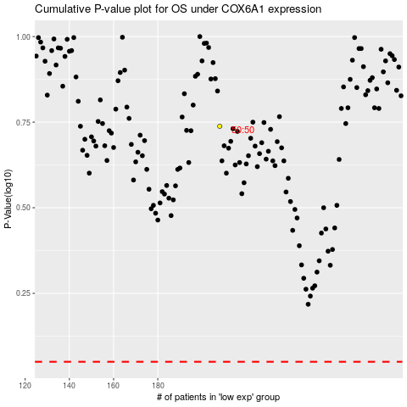

 |  |  |  |  |  | cases_OS | p_OS | rank | exp
 |  |  |  |  |  |  | cases_RFS | p_RFS | rank | exp

