COX7A1 _multivariate
Reported by Tex Li-Hsing Chi. tex@gate.sinica.edu.tw 2019-08-20

Table 2. The clinicopathological features of HNSCC cohort and COX7A1 expression. (Chi square test)
Cutoff at -0.214 (50.0%)
 |  | COX7A1 expression |  | COX7A1 expression |  | (Optimised)
 | Features | Low | (%) | High | (%) | Case no | P-value | Remark | Matthews
Gender | Female | 155 | 37.3 | 151 | 36.4 | 415 | 0.6768 | 0 | 0
2 | Male | 52 | 12.5 | 57 | 13.7
Age at diagnosis | <=65y | 130 | 31.3 | 144 | 34.7 | 415 | 0.2009 | 0 | 0
4 | >65y | 77 | 18.6 | 64 | 15.4
Clinical T Status | T1+T2 | 73 | 17.6 | 76 | 18.3 | 415 | 0.8666 | 0 | 0
6 | T3+T4 | 134 | 32.3 | 132 | 31.8
Clinical N Status | N0 | 109 | 26.3 | 107 | 25.8 | 415 | 0.8812 | 0 | 0
8 | N1-3 | 98 | 23.6 | 101 | 24.3
Clinical M Status | M0 | 205 | 49.4 | 207 | 49.9 | 415 | 0.6232 | 0 | 0
10 | M1 | 2 | 0.5 | 1 | 0.2
Clinical Stage | Stage I+II | 47 | 11.3 | 55 | 13.3 | 415 | 0.4413 | 0 | 0
12 | Stage III+IV | 160 | 38.6 | 153 | 36.9
Surgical Margin status | Negative | 162 | 39 | 156 | 37.6 | 415 | 0.4867 | 0 | 0
14 | Positive | 45 | 10.8 | 52 | 12.5
Tobacco Exposure | Low | 84 | 20.2 | 77 | 18.6 | 415 | 0.4816 | 0 | 0
16 | High | 123 | 29.6 | 131 | 31.6

Table 3. Univariate/Multivariate Cox's proportional hazards regression analyses on OS time of COX7A1 gene expression in HNSCC

 |  | Univariate |  |  |  | Multivariate
 | Features | HR | CI95%(L) | CI95%(H) | P-value | HR | CI95%(L) | CI95%(H) | P-value
1 | Female | 1 |  |  |  | 1
Gender | Male | 1.157 | 0.843 | 1.587 | 0.367 | 1.194 | 0.854 | 1.67 | 0.299
11 | <=65y | 1 |  |  |  | 1
Age at diagnosis | >65y | 1.329 | 0.99 | 1.784 | 0.058 | 1.398 | 1.027 | 1.901 | 0.033
12 | T1+T2 | 1 |  |  |  | 1
Clinical T Status | T3+T4 | 1.409 | 1.028 | 1.931 | 0.033 | 2.179 | 1.151 | 4.127 | 0.017
13 | N0 | 1 |  |  |  | 1
Clinical N Status | N1-3 | 1.185 | 0.89 | 1.577 | 0.246 | 1.233 | 0.863 | 1.761 | 0.25
14 | M0 | 1 |  |  |  | 1
Clinical M Status | M1 | 4.097 | 1.009 | 16.644 | 0.049 | 9.367 | 2.043 | 42.941 | 0.004
15 | Stage I+II | 1 |  |  |  | 1
Clinical Stage | Stage III+IV | 1.245 | 0.882 | 1.759 | 0.213 | 0.513 | 0.238 | 1.104 | 0.088
16 | Negative | 1 |  |  |  | 1
Surgical Margin status | Positive | 1.591 | 1.155 | 2.191 | 0.004 | 1.657 | 1.197 | 2.294 | 0.002
17 | Low | 1 |  |  |  | 1
Tobacco Exposure | High | 1.364 | 1.008 | 1.844 | 0.044 | 1.448 | 1.051 | 1.995 | 0.024
18 | Low | 1 |  |  |  | 1
RNAseq(z-score) | High | 1.149 | 0.862 | 1.531 | 0.343 | 1.071 | 0.799 | 1.435 | 0.648

Table 4. Univariate/Multivariate Cox's proportional hazards regression analyses on RFS time of COX7A1 gene expression in HNSCC

 |  | Univariate |  |  |  | Multivariate
 | Features | HR | CI95%(L) | CI95%(H) | P-value | HR | CI95%(L) | CI95%(H) | P-value
1 | Female | 1 |  |  |  | 1
Gender | Male | 1.157 | 0.843 | 1.587 | 0.367 | 1.194 | 0.854 | 1.67 | 0.299
11 | <=65y | 1 |  |  |  | 1
Age at diagnosis | >65y | 1.329 | 0.99 | 1.784 | 0.058 | 1.398 | 1.027 | 1.901 | 0.033
12 | T1+T2 | 1 |  |  |  | 1
Clinical T Status | T3+T4 | 1.409 | 1.028 | 1.931 | 0.033 | 2.179 | 1.151 | 4.127 | 0.017
13 | N0 | 1 |  |  |  | 1
Clinical N Status | N1-3 | 1.185 | 0.89 | 1.577 | 0.246 | 1.233 | 0.863 | 1.761 | 0.25
14 | M0 | 1 |  |  |  | 1
Clinical M Status | M1 | 4.097 | 1.009 | 16.644 | 0.049 | 9.367 | 2.043 | 42.941 | 0.004
15 | Stage I+II | 1 |  |  |  | 1
Clinical Stage | Stage III+IV | 1.245 | 0.882 | 1.759 | 0.213 | 0.513 | 0.238 | 1.104 | 0.088
16 | Negative | 1 |  |  |  | 1
Surgical Margin status | Positive | 1.591 | 1.155 | 2.191 | 0.004 | 1.657 | 1.197 | 2.294 | 0.002
17 | Low | 1 |  |  |  | 1
Tobacco Exposure | High | 1.364 | 1.008 | 1.844 | 0.044 | 1.448 | 1.051 | 1.995 | 0.024
18 | Low | 1 |  |  |  | 1
RNAseq(z-score) | High | 1.149 | 0.862 | 1.531 | 0.343 | 1.071 | 0.799 | 1.435 | 0.648

Kaplan-Meier survival estimate: Cutoff at -0.214 (50.0%)



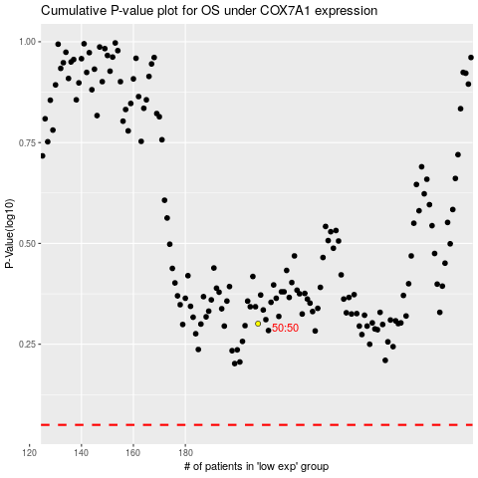

 |  |  |  |  |  | cases_OS | p_OS | rank | exp
 |  |  |  |  |  |  | cases_RFS | p_RFS | rank | exp

