COX7A2 _multivariate
Reported by Tex Li-Hsing Chi. tex@gate.sinica.edu.tw 2019-08-20

Table 2. The clinicopathological features of HNSCC cohort and COX7A2 expression. (Chi square test)
Cutoff at -0.365 (50.0%)
 |  | COX7A2 expression |  | COX7A2 expression |  | (Optimised)
 | Features | Low | (%) | High | (%) | Case no | P-value | Remark | Matthews
Gender | Female | 154 | 37.1 | 152 | 36.6 | 415 | 0.8463 | 0 | 0
2 | Male | 53 | 12.8 | 56 | 13.5
Age at diagnosis | <=65y | 137 | 33 | 137 | 33 | 415 | 1 | 0 | 0
4 | >65y | 70 | 16.9 | 71 | 17.1
Clinical T Status | T1+T2 | 74 | 17.8 | 75 | 18.1 | 415 | 1 | 0 | 0
6 | T3+T4 | 133 | 32 | 133 | 32
Clinical N Status | N0 | 107 | 25.8 | 109 | 26.3 | 415 | 0.9624 | 0 | 0
8 | N1-3 | 100 | 24.1 | 99 | 23.9
Clinical M Status | M0 | 206 | 49.6 | 206 | 49.6 | 415 | 1 | 0 | 0
10 | M1 | 1 | 0.2 | 2 | 0.5
Clinical Stage | Stage I+II | 54 | 13 | 48 | 11.6 | 415 | 0.5498 | 0 | 0
12 | Stage III+IV | 153 | 36.9 | 160 | 38.6
Surgical Margin status | Negative | 165 | 39.8 | 153 | 36.9 | 415 | 0.1639 | 0 | 0
14 | Positive | 42 | 10.1 | 55 | 13.3
Tobacco Exposure | Low | 85 | 20.5 | 76 | 18.3 | 415 | 0.3655 | 0 | 0
16 | High | 122 | 29.4 | 132 | 31.8

Table 3. Univariate/Multivariate Cox's proportional hazards regression analyses on OS time of COX7A2 gene expression in HNSCC

 |  | Univariate |  |  |  | Multivariate
 | Features | HR | CI95%(L) | CI95%(H) | P-value | HR | CI95%(L) | CI95%(H) | P-value
1 | Female | 1 |  |  |  | 1
Gender | Male | 1.157 | 0.843 | 1.587 | 0.367 | 1.193 | 0.852 | 1.669 | 0.304
11 | <=65y | 1 |  |  |  | 1
Age at diagnosis | >65y | 1.329 | 0.99 | 1.784 | 0.058 | 1.39 | 1.023 | 1.89 | 0.035
12 | T1+T2 | 1 |  |  |  | 1
Clinical T Status | T3+T4 | 1.409 | 1.028 | 1.931 | 0.033 | 2.229 | 1.176 | 4.224 | 0.014
13 | N0 | 1 |  |  |  | 1
Clinical N Status | N1-3 | 1.185 | 0.89 | 1.577 | 0.246 | 1.243 | 0.872 | 1.774 | 0.23
14 | M0 | 1 |  |  |  | 1
Clinical M Status | M1 | 4.097 | 1.009 | 16.644 | 0.049 | 9.292 | 2.025 | 42.645 | 0.004
15 | Stage I+II | 1 |  |  |  | 1
Clinical Stage | Stage III+IV | 1.245 | 0.882 | 1.759 | 0.213 | 0.498 | 0.232 | 1.072 | 0.075
16 | Negative | 1 |  |  |  | 1
Surgical Margin status | Positive | 1.591 | 1.155 | 2.191 | 0.004 | 1.661 | 1.201 | 2.298 | 0.002
17 | Low | 1 |  |  |  | 1
Tobacco Exposure | High | 1.364 | 1.008 | 1.844 | 0.044 | 1.442 | 1.044 | 1.991 | 0.026
18 | Low | 1 |  |  |  | 1
RNAseq(z-score) | High | 1.14 | 0.856 | 1.518 | 0.37 | 1.065 | 0.796 | 1.426 | 0.672

Table 4. Univariate/Multivariate Cox's proportional hazards regression analyses on RFS time of COX7A2 gene expression in HNSCC

 |  | Univariate |  |  |  | Multivariate
 | Features | HR | CI95%(L) | CI95%(H) | P-value | HR | CI95%(L) | CI95%(H) | P-value
1 | Female | 1 |  |  |  | 1
Gender | Male | 1.157 | 0.843 | 1.587 | 0.367 | 1.193 | 0.852 | 1.669 | 0.304
11 | <=65y | 1 |  |  |  | 1
Age at diagnosis | >65y | 1.329 | 0.99 | 1.784 | 0.058 | 1.39 | 1.023 | 1.89 | 0.035
12 | T1+T2 | 1 |  |  |  | 1
Clinical T Status | T3+T4 | 1.409 | 1.028 | 1.931 | 0.033 | 2.229 | 1.176 | 4.224 | 0.014
13 | N0 | 1 |  |  |  | 1
Clinical N Status | N1-3 | 1.185 | 0.89 | 1.577 | 0.246 | 1.243 | 0.872 | 1.774 | 0.23
14 | M0 | 1 |  |  |  | 1
Clinical M Status | M1 | 4.097 | 1.009 | 16.644 | 0.049 | 9.292 | 2.025 | 42.645 | 0.004
15 | Stage I+II | 1 |  |  |  | 1
Clinical Stage | Stage III+IV | 1.245 | 0.882 | 1.759 | 0.213 | 0.498 | 0.232 | 1.072 | 0.075
16 | Negative | 1 |  |  |  | 1
Surgical Margin status | Positive | 1.591 | 1.155 | 2.191 | 0.004 | 1.661 | 1.201 | 2.298 | 0.002
17 | Low | 1 |  |  |  | 1
Tobacco Exposure | High | 1.364 | 1.008 | 1.844 | 0.044 | 1.442 | 1.044 | 1.991 | 0.026
18 | Low | 1 |  |  |  | 1
RNAseq(z-score) | High | 1.14 | 0.856 | 1.518 | 0.37 | 1.065 | 0.796 | 1.426 | 0.672

Kaplan-Meier survival estimate: Cutoff at -0.365 (50.0%)



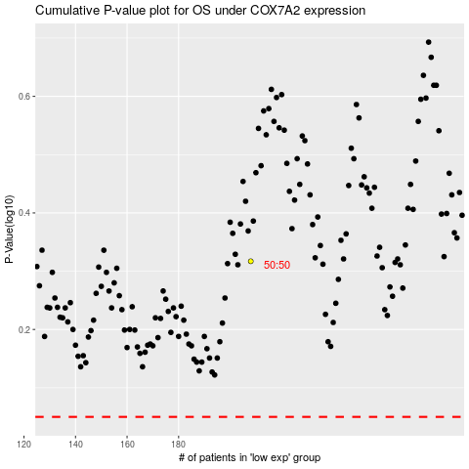

 |  |  |  |  |  | cases_OS | p_OS | rank | exp
 |  |  |  |  |  |  | cases_RFS | p_RFS | rank | exp

