COX7C _multivariate
Reported by Tex Li-Hsing Chi. tex@gate.sinica.edu.tw 2019-08-20

Table 2. The clinicopathological features of HNSCC cohort and COX7C expression. (Chi square test)
Cutoff at -0.4 (50.0%)
 |  | COX7C expression |  | COX7C expression |  | (Optimised)
 | Features | Low | (%) | High | (%) | Case no | P-value | Remark | Matthews
Gender | Female | 152 | 36.6 | 154 | 37.1 | 415 | 0.9766 | 0 | 0
2 | Male | 55 | 13.3 | 54 | 13
Age at diagnosis | <=65y | 143 | 34.5 | 131 | 31.6 | 415 | 0.2269 | 0 | 0
4 | >65y | 64 | 15.4 | 77 | 18.6
Clinical T Status | T1+T2 | 73 | 17.6 | 76 | 18.3 | 415 | 0.8666 | 0 | 0
6 | T3+T4 | 134 | 32.3 | 132 | 31.8
Clinical N Status | N0 | 110 | 26.5 | 106 | 25.5 | 415 | 0.7294 | 0 | 0
8 | N1-3 | 97 | 23.4 | 102 | 24.6
Clinical M Status | M0 | 207 | 49.9 | 205 | 49.4 | 415 | 0.2482 | 0 | 0
10 | M1 | 0 | 0 | 3 | 0.7
Clinical Stage | Stage I+II | 55 | 13.3 | 47 | 11.3 | 415 | 0.4087 | 0 | 0
12 | Stage III+IV | 152 | 36.6 | 161 | 38.8
Surgical Margin status | Negative | 168 | 40.5 | 150 | 36.1 | 415 | 0.0366 | 1 | 0
14 | Positive | 39 | 9.4 | 58 | 14
Tobacco Exposure | Low | 85 | 20.5 | 76 | 18.3 | 415 | 0.3655 | 0 | 0
16 | High | 122 | 29.4 | 132 | 31.8

Table 3. Univariate/Multivariate Cox's proportional hazards regression analyses on OS time of COX7C gene expression in HNSCC

 |  | Univariate |  |  |  | Multivariate
 | Features | HR | CI95%(L) | CI95%(H) | P-value | HR | CI95%(L) | CI95%(H) | P-value
1 | Female | 1 |  |  |  | 1
Gender | Male | 1.157 | 0.843 | 1.587 | 0.367 | 1.212 | 0.867 | 1.695 | 0.261
11 | <=65y | 1 |  |  |  | 1
Age at diagnosis | >65y | 1.329 | 0.99 | 1.784 | 0.058 | 1.406 | 1.033 | 1.914 | 0.03
12 | T1+T2 | 1 |  |  |  | 1
Clinical T Status | T3+T4 | 1.409 | 1.028 | 1.931 | 0.033 | 2.163 | 1.141 | 4.097 | 0.018
13 | N0 | 1 |  |  |  | 1
Clinical N Status | N1-3 | 1.185 | 0.89 | 1.577 | 0.246 | 1.239 | 0.868 | 1.768 | 0.238
14 | M0 | 1 |  |  |  | 1
Clinical M Status | M1 | 4.097 | 1.009 | 16.644 | 0.049 | 9.899 | 2.148 | 45.622 | 0.003
15 | Stage I+II | 1 |  |  |  | 1
Clinical Stage | Stage III+IV | 1.245 | 0.882 | 1.759 | 0.213 | 0.515 | 0.24 | 1.109 | 0.09
16 | Negative | 1 |  |  |  | 1
Surgical Margin status | Positive | 1.591 | 1.155 | 2.191 | 0.004 | 1.705 | 1.23 | 2.366 | 0.001
17 | Low | 1 |  |  |  | 1
Tobacco Exposure | High | 1.364 | 1.008 | 1.844 | 0.044 | 1.467 | 1.063 | 2.023 | 0.02
18 | Low | 1 |  |  |  | 1
RNAseq(z-score) | High | 0.98 | 0.736 | 1.306 | 0.891 | 0.886 | 0.66 | 1.19 | 0.421

Table 4. Univariate/Multivariate Cox's proportional hazards regression analyses on RFS time of COX7C gene expression in HNSCC

 |  | Univariate |  |  |  | Multivariate
 | Features | HR | CI95%(L) | CI95%(H) | P-value | HR | CI95%(L) | CI95%(H) | P-value
1 | Female | 1 |  |  |  | 1
Gender | Male | 1.157 | 0.843 | 1.587 | 0.367 | 1.212 | 0.867 | 1.695 | 0.261
11 | <=65y | 1 |  |  |  | 1
Age at diagnosis | >65y | 1.329 | 0.99 | 1.784 | 0.058 | 1.406 | 1.033 | 1.914 | 0.03
12 | T1+T2 | 1 |  |  |  | 1
Clinical T Status | T3+T4 | 1.409 | 1.028 | 1.931 | 0.033 | 2.163 | 1.141 | 4.097 | 0.018
13 | N0 | 1 |  |  |  | 1
Clinical N Status | N1-3 | 1.185 | 0.89 | 1.577 | 0.246 | 1.239 | 0.868 | 1.768 | 0.238
14 | M0 | 1 |  |  |  | 1
Clinical M Status | M1 | 4.097 | 1.009 | 16.644 | 0.049 | 9.899 | 2.148 | 45.622 | 0.003
15 | Stage I+II | 1 |  |  |  | 1
Clinical Stage | Stage III+IV | 1.245 | 0.882 | 1.759 | 0.213 | 0.515 | 0.24 | 1.109 | 0.09
16 | Negative | 1 |  |  |  | 1
Surgical Margin status | Positive | 1.591 | 1.155 | 2.191 | 0.004 | 1.705 | 1.23 | 2.366 | 0.001
17 | Low | 1 |  |  |  | 1
Tobacco Exposure | High | 1.364 | 1.008 | 1.844 | 0.044 | 1.467 | 1.063 | 2.023 | 0.02
18 | Low | 1 |  |  |  | 1
RNAseq(z-score) | High | 0.98 | 0.736 | 1.306 | 0.891 | 0.886 | 0.66 | 1.19 | 0.421

Kaplan-Meier survival estimate: Cutoff at -0.4 (50.0%)

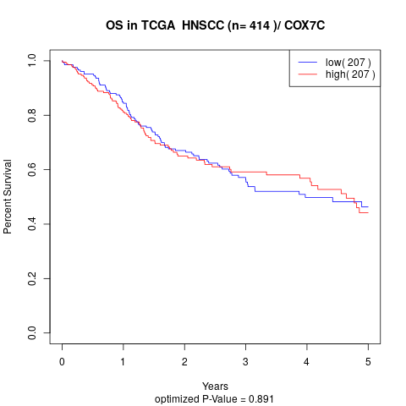

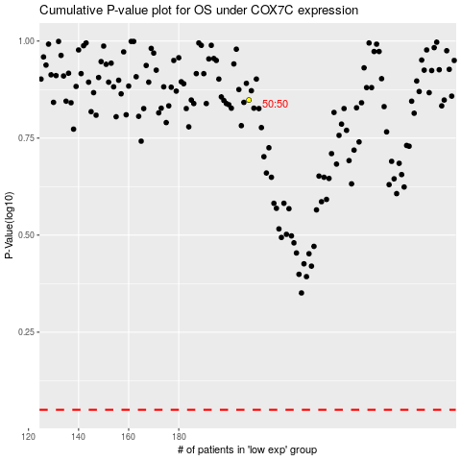

 |  |  |  |  |  | cases_OS | p_OS | rank | exp
 |  |  |  |  |  |  | cases_RFS | p_RFS | rank | exp

