CPA2 _multivariate
Reported by Tex Li-Hsing Chi. tex@gate.sinica.edu.tw 2019-08-20

Table 2. The clinicopathological features of HNSCC cohort and CPA2 expression. (Chi square test)
Cutoff at -0.175 (49.8%)
 |  | CPA2 expression |  | CPA2 expression |  | (Optimised)
 | Features | Low | (%) | High | (%) | Case no | P-value | Remark | Matthews
Gender | Female | 159 | 38.3 | 147 | 35.4 | 415 | 0.1905 | 0 | 0
2 | Male | 48 | 11.6 | 61 | 14.7
Age at diagnosis | <=65y | 132 | 31.8 | 142 | 34.2 | 415 | 0.3874 | 0 | 0
4 | >65y | 75 | 18.1 | 66 | 15.9
Clinical T Status | T1+T2 | 77 | 18.6 | 72 | 17.3 | 415 | 0.6556 | 0 | 0
6 | T3+T4 | 130 | 31.3 | 136 | 32.8
Clinical N Status | N0 | 106 | 25.5 | 110 | 26.5 | 415 | 0.8075 | 0 | 0
8 | N1-3 | 101 | 24.3 | 98 | 23.6
Clinical M Status | M0 | 204 | 49.2 | 208 | 50.1 | 415 | 0.1232 | 0 | 0
10 | M1 | 3 | 0.7 | 0 | 0
Clinical Stage | Stage I+II | 50 | 12 | 52 | 12.5 | 415 | 0.9315 | 0 | 0
12 | Stage III+IV | 157 | 37.8 | 156 | 37.6
Surgical Margin status | Negative | 161 | 38.8 | 157 | 37.8 | 415 | 0.6429 | 0 | 0
14 | Positive | 46 | 11.1 | 51 | 12.3
Tobacco Exposure | Low | 86 | 20.7 | 75 | 18.1 | 415 | 0.2687 | 0 | 0
16 | High | 121 | 29.2 | 133 | 32

Table 3. Univariate/Multivariate Cox's proportional hazards regression analyses on OS time of CPA2 gene expression in HNSCC

 |  | Univariate |  |  |  | Multivariate
 | Features | HR | CI95%(L) | CI95%(H) | P-value | HR | CI95%(L) | CI95%(H) | P-value
1 | Female | 1 |  |  |  | 1
Gender | Male | 1.157 | 0.843 | 1.587 | 0.367 | 1.197 | 0.857 | 1.673 | 0.291
11 | <=65y | 1 |  |  |  | 1
Age at diagnosis | >65y | 1.329 | 0.99 | 1.784 | 0.058 | 1.405 | 1.033 | 1.911 | 0.03
12 | T1+T2 | 1 |  |  |  | 1
Clinical T Status | T3+T4 | 1.409 | 1.028 | 1.931 | 0.033 | 2.189 | 1.158 | 4.139 | 0.016
13 | N0 | 1 |  |  |  | 1
Clinical N Status | N1-3 | 1.185 | 0.89 | 1.577 | 0.246 | 1.248 | 0.875 | 1.782 | 0.222
14 | M0 | 1 |  |  |  | 1
Clinical M Status | M1 | 4.097 | 1.009 | 16.644 | 0.049 | 10.06 | 2.179 | 46.442 | 0.003
15 | Stage I+II | 1 |  |  |  | 1
Clinical Stage | Stage III+IV | 1.245 | 0.882 | 1.759 | 0.213 | 0.504 | 0.235 | 1.082 | 0.079
16 | Negative | 1 |  |  |  | 1
Surgical Margin status | Positive | 1.591 | 1.155 | 2.191 | 0.004 | 1.664 | 1.204 | 2.3 | 0.002
17 | Low | 1 |  |  |  | 1
Tobacco Exposure | High | 1.364 | 1.008 | 1.844 | 0.044 | 1.451 | 1.053 | 2.001 | 0.023
18 | Low | 1 |  |  |  | 1
RNAseq(z-score) | High | 1.138 | 0.853 | 1.52 | 0.38 | 1.151 | 0.86 | 1.541 | 0.346

Table 4. Univariate/Multivariate Cox's proportional hazards regression analyses on RFS time of CPA2 gene expression in HNSCC

 |  | Univariate |  |  |  | Multivariate
 | Features | HR | CI95%(L) | CI95%(H) | P-value | HR | CI95%(L) | CI95%(H) | P-value
1 | Female | 1 |  |  |  | 1
Gender | Male | 1.157 | 0.843 | 1.587 | 0.367 | 1.197 | 0.857 | 1.673 | 0.291
11 | <=65y | 1 |  |  |  | 1
Age at diagnosis | >65y | 1.329 | 0.99 | 1.784 | 0.058 | 1.405 | 1.033 | 1.911 | 0.03
12 | T1+T2 | 1 |  |  |  | 1
Clinical T Status | T3+T4 | 1.409 | 1.028 | 1.931 | 0.033 | 2.189 | 1.158 | 4.139 | 0.016
13 | N0 | 1 |  |  |  | 1
Clinical N Status | N1-3 | 1.185 | 0.89 | 1.577 | 0.246 | 1.248 | 0.875 | 1.782 | 0.222
14 | M0 | 1 |  |  |  | 1
Clinical M Status | M1 | 4.097 | 1.009 | 16.644 | 0.049 | 10.06 | 2.179 | 46.442 | 0.003
15 | Stage I+II | 1 |  |  |  | 1
Clinical Stage | Stage III+IV | 1.245 | 0.882 | 1.759 | 0.213 | 0.504 | 0.235 | 1.082 | 0.079
16 | Negative | 1 |  |  |  | 1
Surgical Margin status | Positive | 1.591 | 1.155 | 2.191 | 0.004 | 1.664 | 1.204 | 2.3 | 0.002
17 | Low | 1 |  |  |  | 1
Tobacco Exposure | High | 1.364 | 1.008 | 1.844 | 0.044 | 1.451 | 1.053 | 2.001 | 0.023
18 | Low | 1 |  |  |  | 1
RNAseq(z-score) | High | 1.138 | 0.853 | 1.52 | 0.38 | 1.151 | 0.86 | 1.541 | 0.346

Kaplan-Meier survival estimate: Cutoff at -0.175 (49.8%)



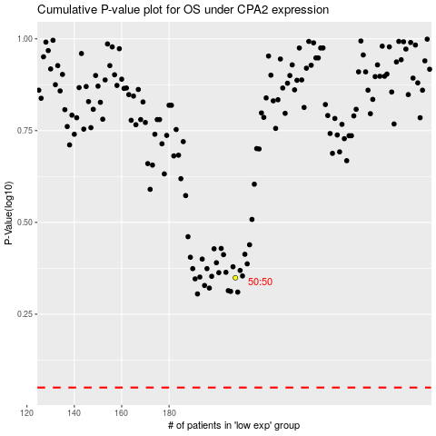

 |  |  |  |  |  | cases_OS | p_OS | rank | exp
 |  |  |  |  |  |  | cases_RFS | p_RFS | rank | exp

