CPA4 _multivariate
Reported by Tex Li-Hsing Chi. tex@gate.sinica.edu.tw 2019-08-20

Table 2. The clinicopathological features of HNSCC cohort and CPA4 expression. (Chi square test)
Cutoff at -0.274 (50.0%)
 |  | CPA4 expression |  | CPA4 expression |  | (Optimised)
 | Features | Low | (%) | High | (%) | Case no | P-value | Remark | Matthews
Gender | Female | 164 | 39.5 | 142 | 34.2 | 415 | 0.0153 | 1 | 0
2 | Male | 43 | 10.4 | 66 | 15.9
Age at diagnosis | <=65y | 140 | 33.7 | 134 | 32.3 | 415 | 0.5574 | 0 | 0
4 | >65y | 67 | 16.1 | 74 | 17.8
Clinical T Status | T1+T2 | 74 | 17.8 | 75 | 18.1 | 415 | 1 | 0 | 0
6 | T3+T4 | 133 | 32 | 133 | 32
Clinical N Status | N0 | 104 | 25.1 | 112 | 27 | 415 | 0.5243 | 0 | 0
8 | N1-3 | 103 | 24.8 | 96 | 23.1
Clinical M Status | M0 | 206 | 49.6 | 206 | 49.6 | 415 | 1 | 0 | 0
10 | M1 | 1 | 0.2 | 2 | 0.5
Clinical Stage | Stage I+II | 45 | 10.8 | 57 | 13.7 | 415 | 0.2202 | 0 | 0
12 | Stage III+IV | 162 | 39 | 151 | 36.4
Surgical Margin status | Negative | 156 | 37.6 | 162 | 39 | 415 | 0.5636 | 0 | 0
14 | Positive | 51 | 12.3 | 46 | 11.1
Tobacco Exposure | Low | 67 | 16.1 | 94 | 22.7 | 415 | 0.0088 | 1 | 0
16 | High | 140 | 33.7 | 114 | 27.5

Table 3. Univariate/Multivariate Cox's proportional hazards regression analyses on OS time of CPA4 gene expression in HNSCC

 |  | Univariate |  |  |  | Multivariate
 | Features | HR | CI95%(L) | CI95%(H) | P-value | HR | CI95%(L) | CI95%(H) | P-value
1 | Female | 1 |  |  |  | 1
Gender | Male | 1.157 | 0.843 | 1.587 | 0.367 | 1.157 | 0.825 | 1.625 | 0.398
11 | <=65y | 1 |  |  |  | 1
Age at diagnosis | >65y | 1.329 | 0.99 | 1.784 | 0.058 | 1.376 | 1.012 | 1.871 | 0.042
12 | T1+T2 | 1 |  |  |  | 1
Clinical T Status | T3+T4 | 1.409 | 1.028 | 1.931 | 0.033 | 2.15 | 1.136 | 4.067 | 0.019
13 | N0 | 1 |  |  |  | 1
Clinical N Status | N1-3 | 1.185 | 0.89 | 1.577 | 0.246 | 1.252 | 0.878 | 1.785 | 0.214
14 | M0 | 1 |  |  |  | 1
Clinical M Status | M1 | 4.097 | 1.009 | 16.644 | 0.049 | 8.437 | 1.829 | 38.921 | 0.006
15 | Stage I+II | 1 |  |  |  | 1
Clinical Stage | Stage III+IV | 1.245 | 0.882 | 1.759 | 0.213 | 0.528 | 0.245 | 1.137 | 0.103
16 | Negative | 1 |  |  |  | 1
Surgical Margin status | Positive | 1.591 | 1.155 | 2.191 | 0.004 | 1.669 | 1.208 | 2.305 | 0.002
17 | Low | 1 |  |  |  | 1
Tobacco Exposure | High | 1.364 | 1.008 | 1.844 | 0.044 | 1.505 | 1.088 | 2.082 | 0.014
18 | Low | 1 |  |  |  | 1
RNAseq(z-score) | High | 1.245 | 0.934 | 1.659 | 0.135 | 1.259 | 0.932 | 1.7 | 0.133

Table 4. Univariate/Multivariate Cox's proportional hazards regression analyses on RFS time of CPA4 gene expression in HNSCC

 |  | Univariate |  |  |  | Multivariate
 | Features | HR | CI95%(L) | CI95%(H) | P-value | HR | CI95%(L) | CI95%(H) | P-value
1 | Female | 1 |  |  |  | 1
Gender | Male | 1.157 | 0.843 | 1.587 | 0.367 | 1.157 | 0.825 | 1.625 | 0.398
11 | <=65y | 1 |  |  |  | 1
Age at diagnosis | >65y | 1.329 | 0.99 | 1.784 | 0.058 | 1.376 | 1.012 | 1.871 | 0.042
12 | T1+T2 | 1 |  |  |  | 1
Clinical T Status | T3+T4 | 1.409 | 1.028 | 1.931 | 0.033 | 2.15 | 1.136 | 4.067 | 0.019
13 | N0 | 1 |  |  |  | 1
Clinical N Status | N1-3 | 1.185 | 0.89 | 1.577 | 0.246 | 1.252 | 0.878 | 1.785 | 0.214
14 | M0 | 1 |  |  |  | 1
Clinical M Status | M1 | 4.097 | 1.009 | 16.644 | 0.049 | 8.437 | 1.829 | 38.921 | 0.006
15 | Stage I+II | 1 |  |  |  | 1
Clinical Stage | Stage III+IV | 1.245 | 0.882 | 1.759 | 0.213 | 0.528 | 0.245 | 1.137 | 0.103
16 | Negative | 1 |  |  |  | 1
Surgical Margin status | Positive | 1.591 | 1.155 | 2.191 | 0.004 | 1.669 | 1.208 | 2.305 | 0.002
17 | Low | 1 |  |  |  | 1
Tobacco Exposure | High | 1.364 | 1.008 | 1.844 | 0.044 | 1.505 | 1.088 | 2.082 | 0.014
18 | Low | 1 |  |  |  | 1
RNAseq(z-score) | High | 1.245 | 0.934 | 1.659 | 0.135 | 1.259 | 0.932 | 1.7 | 0.133

Kaplan-Meier survival estimate: Cutoff at -0.274 (50.0%)



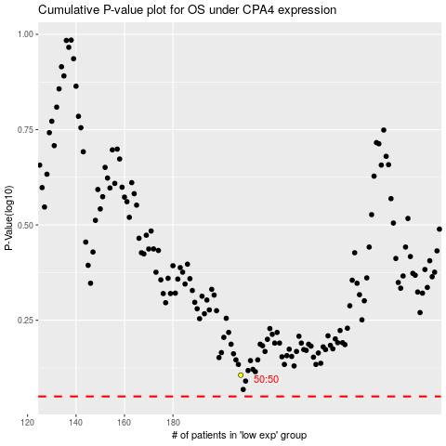

 |  |  |  |  |  | cases_OS | p_OS | rank | exp
 |  |  |  |  |  |  | cases_RFS | p_RFS | rank | exp

