CPA5 _multivariate
Reported by Tex Li-Hsing Chi. tex@gate.sinica.edu.tw 2019-08-20

Table 2. The clinicopathological features of HNSCC cohort and CPA5 expression. (Chi square test)
Cutoff at -0.227 (49.5%)
 |  | CPA5 expression |  | CPA5 expression |  | (Optimised)
 | Features | Low | (%) | High | (%) | Case no | P-value | Remark | Matthews
Gender | Female | 160 | 38.6 | 146 | 35.2 | 415 | 0.0897 | 0 | 0
2 | Male | 46 | 11.1 | 63 | 15.2
Age at diagnosis | <=65y | 134 | 32.3 | 140 | 33.7 | 415 | 0.7543 | 0 | 0
4 | >65y | 72 | 17.3 | 69 | 16.6
Clinical T Status | T1+T2 | 70 | 16.9 | 79 | 19 | 415 | 0.4787 | 0 | 0
6 | T3+T4 | 136 | 32.8 | 130 | 31.3
Clinical N Status | N0 | 108 | 26 | 108 | 26 | 415 | 0.956 | 0 | 0
8 | N1-3 | 98 | 23.6 | 101 | 24.3
Clinical M Status | M0 | 206 | 49.6 | 206 | 49.6 | 415 | 0.2482 | 0 | 0
10 | M1 | 0 | 0 | 3 | 0.7
Clinical Stage | Stage I+II | 46 | 11.1 | 56 | 13.5 | 415 | 0.3462 | 0 | 0
12 | Stage III+IV | 160 | 38.6 | 153 | 36.9
Surgical Margin status | Negative | 159 | 38.3 | 159 | 38.3 | 415 | 0.8172 | 0 | 0
14 | Positive | 47 | 11.3 | 50 | 12
Tobacco Exposure | Low | 68 | 16.4 | 93 | 22.4 | 415 | 0.0204 | 1 | 0
16 | High | 138 | 33.3 | 116 | 28

Table 3. Univariate/Multivariate Cox's proportional hazards regression analyses on OS time of CPA5 gene expression in HNSCC

 |  | Univariate |  |  |  | Multivariate
 | Features | HR | CI95%(L) | CI95%(H) | P-value | HR | CI95%(L) | CI95%(H) | P-value
1 | Female | 1 |  |  |  | 1
Gender | Male | 1.157 | 0.843 | 1.587 | 0.367 | 1.225 | 0.877 | 1.711 | 0.234
11 | <=65y | 1 |  |  |  | 1
Age at diagnosis | >65y | 1.329 | 0.99 | 1.784 | 0.058 | 1.385 | 1.017 | 1.884 | 0.038
12 | T1+T2 | 1 |  |  |  | 1
Clinical T Status | T3+T4 | 1.409 | 1.028 | 1.931 | 0.033 | 2.348 | 1.239 | 4.453 | 0.009
13 | N0 | 1 |  |  |  | 1
Clinical N Status | N1-3 | 1.185 | 0.89 | 1.577 | 0.246 | 1.256 | 0.88 | 1.793 | 0.209
14 | M0 | 1 |  |  |  | 1
Clinical M Status | M1 | 4.097 | 1.009 | 16.644 | 0.049 | 12.03 | 2.578 | 56.128 | 0.002
15 | Stage I+II | 1 |  |  |  | 1
Clinical Stage | Stage III+IV | 1.245 | 0.882 | 1.759 | 0.213 | 0.456 | 0.212 | 0.984 | 0.045
16 | Negative | 1 |  |  |  | 1
Surgical Margin status | Positive | 1.591 | 1.155 | 2.191 | 0.004 | 1.726 | 1.247 | 2.389 | 0.001
17 | Low | 1 |  |  |  | 1
Tobacco Exposure | High | 1.364 | 1.008 | 1.844 | 0.044 | 1.38 | 0.999 | 1.906 | 0.051
18 | Low | 1 |  |  |  | 1
RNAseq(z-score) | High | 0.744 | 0.555 | 0.997 | 0.047 | 0.711 | 0.525 | 0.962 | 0.027

Table 4. Univariate/Multivariate Cox's proportional hazards regression analyses on RFS time of CPA5 gene expression in HNSCC

 |  | Univariate |  |  |  | Multivariate
 | Features | HR | CI95%(L) | CI95%(H) | P-value | HR | CI95%(L) | CI95%(H) | P-value
1 | Female | 1 |  |  |  | 1
Gender | Male | 1.157 | 0.843 | 1.587 | 0.367 | 1.225 | 0.877 | 1.711 | 0.234
11 | <=65y | 1 |  |  |  | 1
Age at diagnosis | >65y | 1.329 | 0.99 | 1.784 | 0.058 | 1.385 | 1.017 | 1.884 | 0.038
12 | T1+T2 | 1 |  |  |  | 1
Clinical T Status | T3+T4 | 1.409 | 1.028 | 1.931 | 0.033 | 2.348 | 1.239 | 4.453 | 0.009
13 | N0 | 1 |  |  |  | 1
Clinical N Status | N1-3 | 1.185 | 0.89 | 1.577 | 0.246 | 1.256 | 0.88 | 1.793 | 0.209
14 | M0 | 1 |  |  |  | 1
Clinical M Status | M1 | 4.097 | 1.009 | 16.644 | 0.049 | 12.03 | 2.578 | 56.128 | 0.002
15 | Stage I+II | 1 |  |  |  | 1
Clinical Stage | Stage III+IV | 1.245 | 0.882 | 1.759 | 0.213 | 0.456 | 0.212 | 0.984 | 0.045
16 | Negative | 1 |  |  |  | 1
Surgical Margin status | Positive | 1.591 | 1.155 | 2.191 | 0.004 | 1.726 | 1.247 | 2.389 | 0.001
17 | Low | 1 |  |  |  | 1
Tobacco Exposure | High | 1.364 | 1.008 | 1.844 | 0.044 | 1.38 | 0.999 | 1.906 | 0.051
18 | Low | 1 |  |  |  | 1
RNAseq(z-score) | High | 0.744 | 0.555 | 0.997 | 0.047 | 0.711 | 0.525 | 0.962 | 0.027

Kaplan-Meier survival estimate: Cutoff at -0.227 (49.5%)



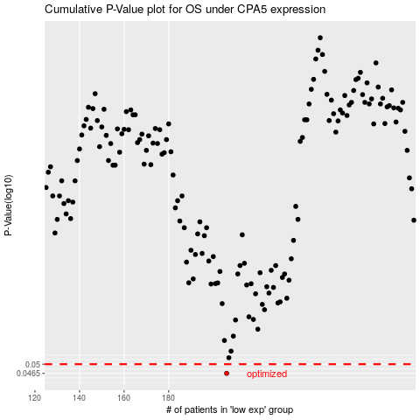

 |  |  |  |  |  | cases_OS | p_OS | rank | exp
 |  |  |  |  |  | 206 | 0.0465 | 351 | -0.22680072102
 |  |  |  |  |  |  | cases_RFS | p_RFS | rank | exp
 |  |  |  |  |  |  | 205 | 0.0465 | 326 | -0.2273390353

