CPD _multivariate
Reported by Tex Li-Hsing Chi. tex@gate.sinica.edu.tw 2019-08-20

Table 2. The clinicopathological features of HNSCC cohort and CPD expression. (Chi square test)
Cutoff at -0.417 (36.2%)
 |  | CPD expression |  | CPD expression |  | (Optimised)
 | Features | Low | (%) | High | (%) | Case no | P-value | Remark | Matthews
Gender | Female | 110 | 26.5 | 196 | 47.2 | 415 | 0.981 | 0 | 0
2 | Male | 40 | 9.6 | 69 | 16.6
Age at diagnosis | <=65y | 100 | 24.1 | 174 | 41.9 | 415 | 0.9203 | 0 | 0
4 | >65y | 50 | 12 | 91 | 21.9
Clinical T Status | T1+T2 | 54 | 13 | 95 | 22.9 | 415 | 1 | 0 | 0
6 | T3+T4 | 96 | 23.1 | 170 | 41
Clinical N Status | N0 | 82 | 19.8 | 134 | 32.3 | 415 | 0.4833 | 0 | 0
8 | N1-3 | 68 | 16.4 | 131 | 31.6
Clinical M Status | M0 | 147 | 35.4 | 265 | 63.9 | 415 | 0.0466 | 1 | 0
10 | M1 | 3 | 0.7 | 0 | 0
Clinical Stage | Stage I+II | 38 | 9.2 | 64 | 15.4 | 415 | 0.8807 | 0 | 0
12 | Stage III+IV | 112 | 27 | 201 | 48.4
Surgical Margin status | Negative | 111 | 26.7 | 207 | 49.9 | 415 | 0.3981 | 0 | 0
14 | Positive | 39 | 9.4 | 58 | 14
Tobacco Exposure | Low | 66 | 15.9 | 95 | 22.9 | 415 | 0.1159 | 0 | 0
16 | High | 84 | 20.2 | 170 | 41

Table 3. Univariate/Multivariate Cox's proportional hazards regression analyses on OS time of CPD gene expression in HNSCC

 |  | Univariate |  |  |  | Multivariate
 | Features | HR | CI95%(L) | CI95%(H) | P-value | HR | CI95%(L) | CI95%(H) | P-value
1 | Female | 1 |  |  |  | 1
Gender | Male | 1.157 | 0.843 | 1.587 | 0.367 | 1.16 | 0.826 | 1.628 | 0.392
11 | <=65y | 1 |  |  |  | 1
Age at diagnosis | >65y | 1.329 | 0.99 | 1.784 | 0.058 | 1.406 | 1.035 | 1.912 | 0.029
12 | T1+T2 | 1 |  |  |  | 1
Clinical T Status | T3+T4 | 1.409 | 1.028 | 1.931 | 0.033 | 2.196 | 1.162 | 4.151 | 0.015
13 | N0 | 1 |  |  |  | 1
Clinical N Status | N1-3 | 1.185 | 0.89 | 1.577 | 0.246 | 1.275 | 0.892 | 1.822 | 0.183
14 | M0 | 1 |  |  |  | 1
Clinical M Status | M1 | 4.097 | 1.009 | 16.644 | 0.049 | 7.934 | 1.707 | 36.882 | 0.008
15 | Stage I+II | 1 |  |  |  | 1
Clinical Stage | Stage III+IV | 1.245 | 0.882 | 1.759 | 0.213 | 0.496 | 0.231 | 1.066 | 0.072
16 | Negative | 1 |  |  |  | 1
Surgical Margin status | Positive | 1.591 | 1.155 | 2.191 | 0.004 | 1.588 | 1.142 | 2.208 | 0.006
17 | Low | 1 |  |  |  | 1
Tobacco Exposure | High | 1.364 | 1.008 | 1.844 | 0.044 | 1.488 | 1.078 | 2.055 | 0.016
18 | Low | 1 |  |  |  | 1
RNAseq(z-score) | High | 0.745 | 0.556 | 0.998 | 0.048 | 0.785 | 0.578 | 1.068 | 0.124

Table 4. Univariate/Multivariate Cox's proportional hazards regression analyses on RFS time of CPD gene expression in HNSCC

 |  | Univariate |  |  |  | Multivariate
 | Features | HR | CI95%(L) | CI95%(H) | P-value | HR | CI95%(L) | CI95%(H) | P-value
1 | Female | 1 |  |  |  | 1
Gender | Male | 1.157 | 0.843 | 1.587 | 0.367 | 1.16 | 0.826 | 1.628 | 0.392
11 | <=65y | 1 |  |  |  | 1
Age at diagnosis | >65y | 1.329 | 0.99 | 1.784 | 0.058 | 1.406 | 1.035 | 1.912 | 0.029
12 | T1+T2 | 1 |  |  |  | 1
Clinical T Status | T3+T4 | 1.409 | 1.028 | 1.931 | 0.033 | 2.196 | 1.162 | 4.151 | 0.015
13 | N0 | 1 |  |  |  | 1
Clinical N Status | N1-3 | 1.185 | 0.89 | 1.577 | 0.246 | 1.275 | 0.892 | 1.822 | 0.183
14 | M0 | 1 |  |  |  | 1
Clinical M Status | M1 | 4.097 | 1.009 | 16.644 | 0.049 | 7.934 | 1.707 | 36.882 | 0.008
15 | Stage I+II | 1 |  |  |  | 1
Clinical Stage | Stage III+IV | 1.245 | 0.882 | 1.759 | 0.213 | 0.496 | 0.231 | 1.066 | 0.072
16 | Negative | 1 |  |  |  | 1
Surgical Margin status | Positive | 1.591 | 1.155 | 2.191 | 0.004 | 1.588 | 1.142 | 2.208 | 0.006
17 | Low | 1 |  |  |  | 1
Tobacco Exposure | High | 1.364 | 1.008 | 1.844 | 0.044 | 1.488 | 1.078 | 2.055 | 0.016
18 | Low | 1 |  |  |  | 1
RNAseq(z-score) | High | 0.745 | 0.556 | 0.998 | 0.048 | 0.785 | 0.578 | 1.068 | 0.124

Kaplan-Meier survival estimate: Cutoff at -0.417 (36.2%)



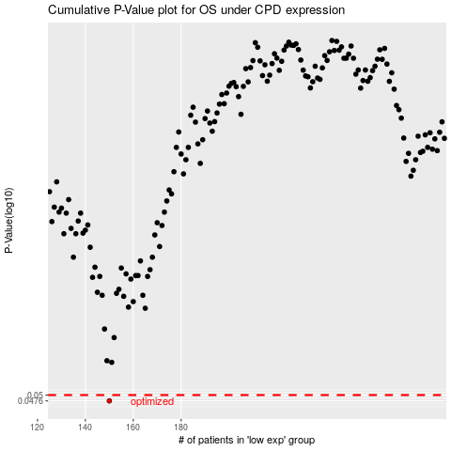

 |  |  |  |  |  | cases_OS | p_OS | rank | exp
 |  |  |  |  |  | 150 | 0.0476 | 120 | -0.41701319502
 |  |  |  |  |  |  | cases_RFS | p_RFS | rank | exp
 |  |  |  |  |  |  | 149 | 0.0476 | 85 | -0.41785816351

