CPEB2 _multivariate
Reported by Tex Li-Hsing Chi. tex@gate.sinica.edu.tw 2019-08-20

Table 2. The clinicopathological features of HNSCC cohort and CPEB2 expression. (Chi square test)
Cutoff at -0.614 (30.2%)
 |  | CPEB2 expression |  | CPEB2 expression |  | (Optimised)
 | Features | Low | (%) | High | (%) | Case no | P-value | Remark | Matthews
Gender | Female | 102 | 24.6 | 204 | 49.2 | 415 | 0.0233 | 1 | 0
2 | Male | 23 | 5.5 | 86 | 20.7
Age at diagnosis | <=65y | 86 | 20.7 | 188 | 45.3 | 415 | 0.5023 | 0 | 0
4 | >65y | 39 | 9.4 | 102 | 24.6
Clinical T Status | T1+T2 | 43 | 10.4 | 106 | 25.5 | 415 | 0.7583 | 0 | 0
6 | T3+T4 | 82 | 19.8 | 184 | 44.3
Clinical N Status | N0 | 63 | 15.2 | 153 | 36.9 | 415 | 0.7383 | 0 | 0
8 | N1-3 | 62 | 14.9 | 137 | 33
Clinical M Status | M0 | 124 | 29.9 | 288 | 69.4 | 415 | 1 | 0 | 0
10 | M1 | 1 | 0.2 | 2 | 0.5
Clinical Stage | Stage I+II | 28 | 6.7 | 74 | 17.8 | 415 | 0.5807 | 0 | 0
12 | Stage III+IV | 97 | 23.4 | 216 | 52
Surgical Margin status | Negative | 88 | 21.2 | 230 | 55.4 | 415 | 0.0579 | 0 | 0
14 | Positive | 37 | 8.9 | 60 | 14.5
Tobacco Exposure | Low | 39 | 9.4 | 122 | 29.4 | 415 | 0.0378 | 1 | 0
16 | High | 86 | 20.7 | 168 | 40.5

Table 3. Univariate/Multivariate Cox's proportional hazards regression analyses on OS time of CPEB2 gene expression in HNSCC

 |  | Univariate |  |  |  | Multivariate
 | Features | HR | CI95%(L) | CI95%(H) | P-value | HR | CI95%(L) | CI95%(H) | P-value
1 | Female | 1 |  |  |  | 1
Gender | Male | 1.157 | 0.843 | 1.587 | 0.367 | 1.258 | 0.896 | 1.766 | 0.185
11 | <=65y | 1 |  |  |  | 1
Age at diagnosis | >65y | 1.329 | 0.99 | 1.784 | 0.058 | 1.411 | 1.038 | 1.919 | 0.028
12 | T1+T2 | 1 |  |  |  | 1
Clinical T Status | T3+T4 | 1.409 | 1.028 | 1.931 | 0.033 | 2.184 | 1.155 | 4.131 | 0.016
13 | N0 | 1 |  |  |  | 1
Clinical N Status | N1-3 | 1.185 | 0.89 | 1.577 | 0.246 | 1.221 | 0.855 | 1.743 | 0.272
14 | M0 | 1 |  |  |  | 1
Clinical M Status | M1 | 4.097 | 1.009 | 16.644 | 0.049 | 9.791 | 2.133 | 44.946 | 0.003
15 | Stage I+II | 1 |  |  |  | 1
Clinical Stage | Stage III+IV | 1.245 | 0.882 | 1.759 | 0.213 | 0.514 | 0.24 | 1.101 | 0.087
16 | Negative | 1 |  |  |  | 1
Surgical Margin status | Positive | 1.591 | 1.155 | 2.191 | 0.004 | 1.624 | 1.173 | 2.248 | 0.004
17 | Low | 1 |  |  |  | 1
Tobacco Exposure | High | 1.364 | 1.008 | 1.844 | 0.044 | 1.428 | 1.036 | 1.97 | 0.03
18 | Low | 1 |  |  |  | 1
RNAseq(z-score) | High | 0.728 | 0.536 | 0.991 | 0.043 | 0.739 | 0.539 | 1.013 | 0.06

Table 4. Univariate/Multivariate Cox's proportional hazards regression analyses on RFS time of CPEB2 gene expression in HNSCC

 |  | Univariate |  |  |  | Multivariate
 | Features | HR | CI95%(L) | CI95%(H) | P-value | HR | CI95%(L) | CI95%(H) | P-value
1 | Female | 1 |  |  |  | 1
Gender | Male | 1.157 | 0.843 | 1.587 | 0.367 | 1.258 | 0.896 | 1.766 | 0.185
11 | <=65y | 1 |  |  |  | 1
Age at diagnosis | >65y | 1.329 | 0.99 | 1.784 | 0.058 | 1.411 | 1.038 | 1.919 | 0.028
12 | T1+T2 | 1 |  |  |  | 1
Clinical T Status | T3+T4 | 1.409 | 1.028 | 1.931 | 0.033 | 2.184 | 1.155 | 4.131 | 0.016
13 | N0 | 1 |  |  |  | 1
Clinical N Status | N1-3 | 1.185 | 0.89 | 1.577 | 0.246 | 1.221 | 0.855 | 1.743 | 0.272
14 | M0 | 1 |  |  |  | 1
Clinical M Status | M1 | 4.097 | 1.009 | 16.644 | 0.049 | 9.791 | 2.133 | 44.946 | 0.003
15 | Stage I+II | 1 |  |  |  | 1
Clinical Stage | Stage III+IV | 1.245 | 0.882 | 1.759 | 0.213 | 0.514 | 0.24 | 1.101 | 0.087
16 | Negative | 1 |  |  |  | 1
Surgical Margin status | Positive | 1.591 | 1.155 | 2.191 | 0.004 | 1.624 | 1.173 | 2.248 | 0.004
17 | Low | 1 |  |  |  | 1
Tobacco Exposure | High | 1.364 | 1.008 | 1.844 | 0.044 | 1.428 | 1.036 | 1.97 | 0.03
18 | Low | 1 |  |  |  | 1
RNAseq(z-score) | High | 0.728 | 0.536 | 0.991 | 0.043 | 0.739 | 0.539 | 1.013 | 0.06

Kaplan-Meier survival estimate: Cutoff at -0.614 (30.2%)



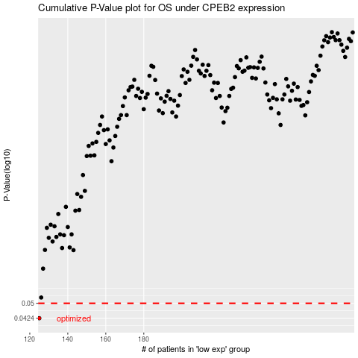

 |  |  |  |  |  | cases_OS | p_OS | rank | exp
 |  |  |  |  |  | 125 | 0.0424 | 135 | -0.61416693211
 |  |  |  |  |  |  | cases_RFS | p_RFS | rank | exp
 |  |  |  |  |  |  |  | 0.0424 | 354 | -0.61477762215

