CPLX1 _multivariate
Reported by Tex Li-Hsing Chi. tex@gate.sinica.edu.tw 2019-08-20

Table 2. The clinicopathological features of HNSCC cohort and CPLX1 expression. (Chi square test)
Cutoff at -0.297 (49.8%)
 |  | CPLX1 expression |  | CPLX1 expression |  | (Optimised)
 | Features | Low | (%) | High | (%) | Case no | P-value | Remark | Matthews
Gender | Female | 139 | 33.5 | 167 | 40.2 | 415 | 0.0034 | 1 | 0
2 | Male | 68 | 16.4 | 41 | 9.9
Age at diagnosis | <=65y | 133 | 32 | 141 | 34 | 415 | 0.5111 | 0 | 0
4 | >65y | 74 | 17.8 | 67 | 16.1
Clinical T Status | T1+T2 | 73 | 17.6 | 76 | 18.3 | 415 | 0.8666 | 0 | 0
6 | T3+T4 | 134 | 32.3 | 132 | 31.8
Clinical N Status | N0 | 100 | 24.1 | 116 | 28 | 415 | 0.1548 | 0 | 0
8 | N1-3 | 107 | 25.8 | 92 | 22.2
Clinical M Status | M0 | 206 | 49.6 | 206 | 49.6 | 415 | 1 | 0 | 0
10 | M1 | 1 | 0.2 | 2 | 0.5
Clinical Stage | Stage I+II | 53 | 12.8 | 49 | 11.8 | 415 | 0.7113 | 0 | 0
12 | Stage III+IV | 154 | 37.1 | 159 | 38.3
Surgical Margin status | Negative | 158 | 38.1 | 160 | 38.6 | 415 | 0.9081 | 0 | 0
14 | Positive | 49 | 11.8 | 48 | 11.6
Tobacco Exposure | Low | 91 | 21.9 | 70 | 16.9 | 415 | 0.0346 | 1 | 0
16 | High | 116 | 28 | 138 | 33.3

Table 3. Univariate/Multivariate Cox's proportional hazards regression analyses on OS time of CPLX1 gene expression in HNSCC

 |  | Univariate |  |  |  | Multivariate
 | Features | HR | CI95%(L) | CI95%(H) | P-value | HR | CI95%(L) | CI95%(H) | P-value
1 | Female | 1 |  |  |  | 1
Gender | Male | 1.157 | 0.843 | 1.587 | 0.367 | 1.168 | 0.835 | 1.635 | 0.365
11 | <=65y | 1 |  |  |  | 1
Age at diagnosis | >65y | 1.329 | 0.99 | 1.784 | 0.058 | 1.406 | 1.034 | 1.913 | 0.03
12 | T1+T2 | 1 |  |  |  | 1
Clinical T Status | T3+T4 | 1.409 | 1.028 | 1.931 | 0.033 | 2.18 | 1.152 | 4.126 | 0.017
13 | N0 | 1 |  |  |  | 1
Clinical N Status | N1-3 | 1.185 | 0.89 | 1.577 | 0.246 | 1.217 | 0.852 | 1.738 | 0.281
14 | M0 | 1 |  |  |  | 1
Clinical M Status | M1 | 4.097 | 1.009 | 16.644 | 0.049 | 9.53 | 2.078 | 43.714 | 0.004
15 | Stage I+II | 1 |  |  |  | 1
Clinical Stage | Stage III+IV | 1.245 | 0.882 | 1.759 | 0.213 | 0.521 | 0.242 | 1.121 | 0.096
16 | Negative | 1 |  |  |  | 1
Surgical Margin status | Positive | 1.591 | 1.155 | 2.191 | 0.004 | 1.681 | 1.216 | 2.324 | 0.002
17 | Low | 1 |  |  |  | 1
Tobacco Exposure | High | 1.364 | 1.008 | 1.844 | 0.044 | 1.474 | 1.069 | 2.032 | 0.018
18 | Low | 1 |  |  |  | 1
RNAseq(z-score) | High | 0.835 | 0.626 | 1.113 | 0.219 | 0.824 | 0.614 | 1.106 | 0.198

Table 4. Univariate/Multivariate Cox's proportional hazards regression analyses on RFS time of CPLX1 gene expression in HNSCC

 |  | Univariate |  |  |  | Multivariate
 | Features | HR | CI95%(L) | CI95%(H) | P-value | HR | CI95%(L) | CI95%(H) | P-value
1 | Female | 1 |  |  |  | 1
Gender | Male | 1.157 | 0.843 | 1.587 | 0.367 | 1.168 | 0.835 | 1.635 | 0.365
11 | <=65y | 1 |  |  |  | 1
Age at diagnosis | >65y | 1.329 | 0.99 | 1.784 | 0.058 | 1.406 | 1.034 | 1.913 | 0.03
12 | T1+T2 | 1 |  |  |  | 1
Clinical T Status | T3+T4 | 1.409 | 1.028 | 1.931 | 0.033 | 2.18 | 1.152 | 4.126 | 0.017
13 | N0 | 1 |  |  |  | 1
Clinical N Status | N1-3 | 1.185 | 0.89 | 1.577 | 0.246 | 1.217 | 0.852 | 1.738 | 0.281
14 | M0 | 1 |  |  |  | 1
Clinical M Status | M1 | 4.097 | 1.009 | 16.644 | 0.049 | 9.53 | 2.078 | 43.714 | 0.004
15 | Stage I+II | 1 |  |  |  | 1
Clinical Stage | Stage III+IV | 1.245 | 0.882 | 1.759 | 0.213 | 0.521 | 0.242 | 1.121 | 0.096
16 | Negative | 1 |  |  |  | 1
Surgical Margin status | Positive | 1.591 | 1.155 | 2.191 | 0.004 | 1.681 | 1.216 | 2.324 | 0.002
17 | Low | 1 |  |  |  | 1
Tobacco Exposure | High | 1.364 | 1.008 | 1.844 | 0.044 | 1.474 | 1.069 | 2.032 | 0.018
18 | Low | 1 |  |  |  | 1
RNAseq(z-score) | High | 0.835 | 0.626 | 1.113 | 0.219 | 0.824 | 0.614 | 1.106 | 0.198

Kaplan-Meier survival estimate: Cutoff at -0.297 (49.8%)



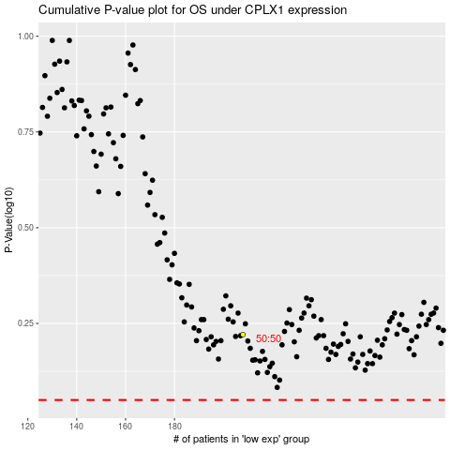

 |  |  |  |  |  | cases_OS | p_OS | rank | exp
 |  |  |  |  |  |  | cases_RFS | p_RFS | rank | exp

