CPNE7 _multivariate
Reported by Tex Li-Hsing Chi. tex@gate.sinica.edu.tw 2019-08-20

Table 2. The clinicopathological features of HNSCC cohort and CPNE7 expression. (Chi square test)
Cutoff at -0.332 (50.0%)
 |  | CPNE7 expression |  | CPNE7 expression |  | (Optimised)
 | Features | Low | (%) | High | (%) | Case no | P-value | Remark | Matthews
Gender | Female | 140 | 33.7 | 166 | 40 | 415 | 0.0068 | 1 | 0
2 | Male | 67 | 16.1 | 42 | 10.1
Age at diagnosis | <=65y | 134 | 32.3 | 140 | 33.7 | 415 | 0.6529 | 0 | 0
4 | >65y | 73 | 17.6 | 68 | 16.4
Clinical T Status | T1+T2 | 90 | 21.7 | 59 | 14.2 | 415 | 0.0019 | 1 | 0
6 | T3+T4 | 117 | 28.2 | 149 | 35.9
Clinical N Status | N0 | 112 | 27 | 104 | 25.1 | 415 | 0.4599 | 0 | 0
8 | N1-3 | 95 | 22.9 | 104 | 25.1
Clinical M Status | M0 | 205 | 49.4 | 207 | 49.9 | 415 | 0.6232 | 0 | 0
10 | M1 | 2 | 0.5 | 1 | 0.2
Clinical Stage | Stage I+II | 65 | 15.7 | 37 | 8.9 | 415 | 0.0019 | 1 | 0
12 | Stage III+IV | 142 | 34.2 | 171 | 41.2
Surgical Margin status | Negative | 158 | 38.1 | 160 | 38.6 | 415 | 0.9081 | 0 | 0
14 | Positive | 49 | 11.8 | 48 | 11.6
Tobacco Exposure | Low | 105 | 25.3 | 56 | 13.5 | 415 | 0 | 1 | 0
16 | High | 102 | 24.6 | 152 | 36.6

Table 3. Univariate/Multivariate Cox's proportional hazards regression analyses on OS time of CPNE7 gene expression in HNSCC

 |  | Univariate |  |  |  | Multivariate
 | Features | HR | CI95%(L) | CI95%(H) | P-value | HR | CI95%(L) | CI95%(H) | P-value
1 | Female | 1 |  |  |  | 1
Gender | Male | 1.157 | 0.843 | 1.587 | 0.367 | 1.199 | 0.858 | 1.675 | 0.288
11 | <=65y | 1 |  |  |  | 1
Age at diagnosis | >65y | 1.329 | 0.99 | 1.784 | 0.058 | 1.424 | 1.046 | 1.937 | 0.025
12 | T1+T2 | 1 |  |  |  | 1
Clinical T Status | T3+T4 | 1.409 | 1.028 | 1.931 | 0.033 | 2.252 | 1.189 | 4.264 | 0.013
13 | N0 | 1 |  |  |  | 1
Clinical N Status | N1-3 | 1.185 | 0.89 | 1.577 | 0.246 | 1.252 | 0.877 | 1.785 | 0.216
14 | M0 | 1 |  |  |  | 1
Clinical M Status | M1 | 4.097 | 1.009 | 16.644 | 0.049 | 8.771 | 1.909 | 40.295 | 0.005
15 | Stage I+II | 1 |  |  |  | 1
Clinical Stage | Stage III+IV | 1.245 | 0.882 | 1.759 | 0.213 | 0.516 | 0.24 | 1.109 | 0.09
16 | Negative | 1 |  |  |  | 1
Surgical Margin status | Positive | 1.591 | 1.155 | 2.191 | 0.004 | 1.705 | 1.232 | 2.36 | 0.001
17 | Low | 1 |  |  |  | 1
Tobacco Exposure | High | 1.364 | 1.008 | 1.844 | 0.044 | 1.566 | 1.123 | 2.183 | 0.008
18 | Low | 1 |  |  |  | 1
RNAseq(z-score) | High | 0.895 | 0.672 | 1.192 | 0.448 | 0.759 | 0.561 | 1.027 | 0.074

Table 4. Univariate/Multivariate Cox's proportional hazards regression analyses on RFS time of CPNE7 gene expression in HNSCC

 |  | Univariate |  |  |  | Multivariate
 | Features | HR | CI95%(L) | CI95%(H) | P-value | HR | CI95%(L) | CI95%(H) | P-value
1 | Female | 1 |  |  |  | 1
Gender | Male | 1.157 | 0.843 | 1.587 | 0.367 | 1.199 | 0.858 | 1.675 | 0.288
11 | <=65y | 1 |  |  |  | 1
Age at diagnosis | >65y | 1.329 | 0.99 | 1.784 | 0.058 | 1.424 | 1.046 | 1.937 | 0.025
12 | T1+T2 | 1 |  |  |  | 1
Clinical T Status | T3+T4 | 1.409 | 1.028 | 1.931 | 0.033 | 2.252 | 1.189 | 4.264 | 0.013
13 | N0 | 1 |  |  |  | 1
Clinical N Status | N1-3 | 1.185 | 0.89 | 1.577 | 0.246 | 1.252 | 0.877 | 1.785 | 0.216
14 | M0 | 1 |  |  |  | 1
Clinical M Status | M1 | 4.097 | 1.009 | 16.644 | 0.049 | 8.771 | 1.909 | 40.295 | 0.005
15 | Stage I+II | 1 |  |  |  | 1
Clinical Stage | Stage III+IV | 1.245 | 0.882 | 1.759 | 0.213 | 0.516 | 0.24 | 1.109 | 0.09
16 | Negative | 1 |  |  |  | 1
Surgical Margin status | Positive | 1.591 | 1.155 | 2.191 | 0.004 | 1.705 | 1.232 | 2.36 | 0.001
17 | Low | 1 |  |  |  | 1
Tobacco Exposure | High | 1.364 | 1.008 | 1.844 | 0.044 | 1.566 | 1.123 | 2.183 | 0.008
18 | Low | 1 |  |  |  | 1
RNAseq(z-score) | High | 0.895 | 0.672 | 1.192 | 0.448 | 0.759 | 0.561 | 1.027 | 0.074

Kaplan-Meier survival estimate: Cutoff at -0.332 (50.0%)



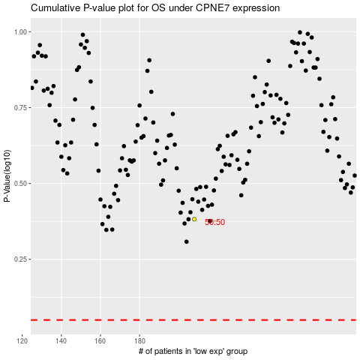

 |  |  |  |  |  | cases_OS | p_OS | rank | exp
 |  |  |  |  |  |  | cases_RFS | p_RFS | rank | exp

