CPS1 _multivariate
Reported by Tex Li-Hsing Chi. tex@gate.sinica.edu.tw 2019-08-20

Table 2. The clinicopathological features of HNSCC cohort and CPS1 expression. (Chi square test)
Cutoff at -0.474 (49.8%)
 |  | CPS1 expression |  | CPS1 expression |  | (Optimised)
 | Features | Low | (%) | High | (%) | Case no | P-value | Remark | Matthews
Gender | Female | 152 | 36.6 | 154 | 37.1 | 415 | 0.9766 | 0 | 0
2 | Male | 55 | 13.3 | 54 | 13
Age at diagnosis | <=65y | 138 | 33.3 | 136 | 32.8 | 415 | 0.8634 | 0 | 0
4 | >65y | 69 | 16.6 | 72 | 17.3
Clinical T Status | T1+T2 | 81 | 19.5 | 68 | 16.4 | 415 | 0.206 | 0 | 0
6 | T3+T4 | 126 | 30.4 | 140 | 33.7
Clinical N Status | N0 | 100 | 24.1 | 116 | 28 | 415 | 0.1548 | 0 | 0
8 | N1-3 | 107 | 25.8 | 92 | 22.2
Clinical M Status | M0 | 204 | 49.2 | 208 | 50.1 | 415 | 0.1232 | 0 | 0
10 | M1 | 3 | 0.7 | 0 | 0
Clinical Stage | Stage I+II | 50 | 12 | 52 | 12.5 | 415 | 0.9315 | 0 | 0
12 | Stage III+IV | 157 | 37.8 | 156 | 37.6
Surgical Margin status | Negative | 154 | 37.1 | 164 | 39.5 | 415 | 0.2984 | 0 | 0
14 | Positive | 53 | 12.8 | 44 | 10.6
Tobacco Exposure | Low | 82 | 19.8 | 79 | 19 | 415 | 0.763 | 0 | 0
16 | High | 125 | 30.1 | 129 | 31.1

Table 3. Univariate/Multivariate Cox's proportional hazards regression analyses on OS time of CPS1 gene expression in HNSCC

 |  | Univariate |  |  |  | Multivariate
 | Features | HR | CI95%(L) | CI95%(H) | P-value | HR | CI95%(L) | CI95%(H) | P-value
1 | Female | 1 |  |  |  | 1
Gender | Male | 1.157 | 0.843 | 1.587 | 0.367 | 1.201 | 0.86 | 1.678 | 0.282
11 | <=65y | 1 |  |  |  | 1
Age at diagnosis | >65y | 1.329 | 0.99 | 1.784 | 0.058 | 1.394 | 1.026 | 1.895 | 0.034
12 | T1+T2 | 1 |  |  |  | 1
Clinical T Status | T3+T4 | 1.409 | 1.028 | 1.931 | 0.033 | 2.296 | 1.211 | 4.354 | 0.011
13 | N0 | 1 |  |  |  | 1
Clinical N Status | N1-3 | 1.185 | 0.89 | 1.577 | 0.246 | 1.222 | 0.856 | 1.745 | 0.27
14 | M0 | 1 |  |  |  | 1
Clinical M Status | M1 | 4.097 | 1.009 | 16.644 | 0.049 | 8.881 | 1.933 | 40.805 | 0.005
15 | Stage I+II | 1 |  |  |  | 1
Clinical Stage | Stage III+IV | 1.245 | 0.882 | 1.759 | 0.213 | 0.495 | 0.23 | 1.064 | 0.072
16 | Negative | 1 |  |  |  | 1
Surgical Margin status | Positive | 1.591 | 1.155 | 2.191 | 0.004 | 1.665 | 1.204 | 2.302 | 0.002
17 | Low | 1 |  |  |  | 1
Tobacco Exposure | High | 1.364 | 1.008 | 1.844 | 0.044 | 1.462 | 1.061 | 2.014 | 0.02
18 | Low | 1 |  |  |  | 1
RNAseq(z-score) | High | 0.831 | 0.624 | 1.108 | 0.207 | 0.814 | 0.608 | 1.09 | 0.166

Table 4. Univariate/Multivariate Cox's proportional hazards regression analyses on RFS time of CPS1 gene expression in HNSCC

 |  | Univariate |  |  |  | Multivariate
 | Features | HR | CI95%(L) | CI95%(H) | P-value | HR | CI95%(L) | CI95%(H) | P-value
1 | Female | 1 |  |  |  | 1
Gender | Male | 1.157 | 0.843 | 1.587 | 0.367 | 1.201 | 0.86 | 1.678 | 0.282
11 | <=65y | 1 |  |  |  | 1
Age at diagnosis | >65y | 1.329 | 0.99 | 1.784 | 0.058 | 1.394 | 1.026 | 1.895 | 0.034
12 | T1+T2 | 1 |  |  |  | 1
Clinical T Status | T3+T4 | 1.409 | 1.028 | 1.931 | 0.033 | 2.296 | 1.211 | 4.354 | 0.011
13 | N0 | 1 |  |  |  | 1
Clinical N Status | N1-3 | 1.185 | 0.89 | 1.577 | 0.246 | 1.222 | 0.856 | 1.745 | 0.27
14 | M0 | 1 |  |  |  | 1
Clinical M Status | M1 | 4.097 | 1.009 | 16.644 | 0.049 | 8.881 | 1.933 | 40.805 | 0.005
15 | Stage I+II | 1 |  |  |  | 1
Clinical Stage | Stage III+IV | 1.245 | 0.882 | 1.759 | 0.213 | 0.495 | 0.23 | 1.064 | 0.072
16 | Negative | 1 |  |  |  | 1
Surgical Margin status | Positive | 1.591 | 1.155 | 2.191 | 0.004 | 1.665 | 1.204 | 2.302 | 0.002
17 | Low | 1 |  |  |  | 1
Tobacco Exposure | High | 1.364 | 1.008 | 1.844 | 0.044 | 1.462 | 1.061 | 2.014 | 0.02
18 | Low | 1 |  |  |  | 1
RNAseq(z-score) | High | 0.831 | 0.624 | 1.108 | 0.207 | 0.814 | 0.608 | 1.09 | 0.166

Kaplan-Meier survival estimate: Cutoff at -0.474 (49.8%)



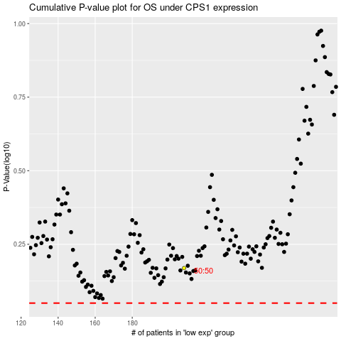

 |  |  |  |  |  | cases_OS | p_OS | rank | exp
 |  |  |  |  |  |  | cases_RFS | p_RFS | rank | exp

