CPSF1 _multivariate
Reported by Tex Li-Hsing Chi. tex@gate.sinica.edu.tw 2019-08-20

Table 2. The clinicopathological features of HNSCC cohort and CPSF1 expression. (Chi square test)
Cutoff at -0.13 (49.8%)
 |  | CPSF1 expression |  | CPSF1 expression |  | (Optimised)
 | Features | Low | (%) | High | (%) | Case no | P-value | Remark | Matthews
Gender | Female | 149 | 35.9 | 157 | 37.8 | 415 | 0.4848 | 0 | 0
2 | Male | 58 | 14 | 51 | 12.3
Age at diagnosis | <=65y | 137 | 33 | 137 | 33 | 415 | 1 | 0 | 0
4 | >65y | 70 | 16.9 | 71 | 17.1
Clinical T Status | T1+T2 | 80 | 19.3 | 69 | 16.6 | 415 | 0.2891 | 0 | 0
6 | T3+T4 | 127 | 30.6 | 139 | 33.5
Clinical N Status | N0 | 113 | 27.2 | 103 | 24.8 | 415 | 0.3495 | 1 | 0
8 | N1-3 | 94 | 22.7 | 105 | 25.3
Clinical M Status | M0 | 205 | 49.4 | 207 | 49.9 | 415 | 0.6232 | 0 | 0
10 | M1 | 2 | 0.5 | 1 | 0.2
Clinical Stage | Stage I+II | 57 | 13.7 | 45 | 10.8 | 415 | 0.1998 | 0 | 0
12 | Stage III+IV | 150 | 36.1 | 163 | 39.3
Surgical Margin status | Negative | 157 | 37.8 | 161 | 38.8 | 415 | 0.729 | 0 | 0
14 | Positive | 50 | 12 | 47 | 11.3
Tobacco Exposure | Low | 86 | 20.7 | 75 | 18.1 | 415 | 0.2687 | 0 | 0
16 | High | 121 | 29.2 | 133 | 32

Table 3. Univariate/Multivariate Cox's proportional hazards regression analyses on OS time of CPSF1 gene expression in HNSCC

 |  | Univariate |  |  |  | Multivariate
 | Features | HR | CI95%(L) | CI95%(H) | P-value | HR | CI95%(L) | CI95%(H) | P-value
1 | Female | 1 |  |  |  | 1
Gender | Male | 1.157 | 0.843 | 1.587 | 0.367 | 1.201 | 0.86 | 1.678 | 0.282
11 | <=65y | 1 |  |  |  | 1
Age at diagnosis | >65y | 1.329 | 0.99 | 1.784 | 0.058 | 1.393 | 1.025 | 1.895 | 0.034
12 | T1+T2 | 1 |  |  |  | 1
Clinical T Status | T3+T4 | 1.409 | 1.028 | 1.931 | 0.033 | 2.207 | 1.167 | 4.176 | 0.015
13 | N0 | 1 |  |  |  | 1
Clinical N Status | N1-3 | 1.185 | 0.89 | 1.577 | 0.246 | 1.244 | 0.871 | 1.776 | 0.23
14 | M0 | 1 |  |  |  | 1
Clinical M Status | M1 | 4.097 | 1.009 | 16.644 | 0.049 | 9.351 | 2.037 | 42.937 | 0.004
15 | Stage I+II | 1 |  |  |  | 1
Clinical Stage | Stage III+IV | 1.245 | 0.882 | 1.759 | 0.213 | 0.503 | 0.234 | 1.081 | 0.078
16 | Negative | 1 |  |  |  | 1
Surgical Margin status | Positive | 1.591 | 1.155 | 2.191 | 0.004 | 1.675 | 1.211 | 2.316 | 0.002
17 | Low | 1 |  |  |  | 1
Tobacco Exposure | High | 1.364 | 1.008 | 1.844 | 0.044 | 1.454 | 1.055 | 2.003 | 0.022
18 | Low | 1 |  |  |  | 1
RNAseq(z-score) | High | 1.04 | 0.781 | 1.386 | 0.787 | 0.976 | 0.731 | 1.304 | 0.871

Table 4. Univariate/Multivariate Cox's proportional hazards regression analyses on RFS time of CPSF1 gene expression in HNSCC

 |  | Univariate |  |  |  | Multivariate
 | Features | HR | CI95%(L) | CI95%(H) | P-value | HR | CI95%(L) | CI95%(H) | P-value
1 | Female | 1 |  |  |  | 1
Gender | Male | 1.157 | 0.843 | 1.587 | 0.367 | 1.201 | 0.86 | 1.678 | 0.282
11 | <=65y | 1 |  |  |  | 1
Age at diagnosis | >65y | 1.329 | 0.99 | 1.784 | 0.058 | 1.393 | 1.025 | 1.895 | 0.034
12 | T1+T2 | 1 |  |  |  | 1
Clinical T Status | T3+T4 | 1.409 | 1.028 | 1.931 | 0.033 | 2.207 | 1.167 | 4.176 | 0.015
13 | N0 | 1 |  |  |  | 1
Clinical N Status | N1-3 | 1.185 | 0.89 | 1.577 | 0.246 | 1.244 | 0.871 | 1.776 | 0.23
14 | M0 | 1 |  |  |  | 1
Clinical M Status | M1 | 4.097 | 1.009 | 16.644 | 0.049 | 9.351 | 2.037 | 42.937 | 0.004
15 | Stage I+II | 1 |  |  |  | 1
Clinical Stage | Stage III+IV | 1.245 | 0.882 | 1.759 | 0.213 | 0.503 | 0.234 | 1.081 | 0.078
16 | Negative | 1 |  |  |  | 1
Surgical Margin status | Positive | 1.591 | 1.155 | 2.191 | 0.004 | 1.675 | 1.211 | 2.316 | 0.002
17 | Low | 1 |  |  |  | 1
Tobacco Exposure | High | 1.364 | 1.008 | 1.844 | 0.044 | 1.454 | 1.055 | 2.003 | 0.022
18 | Low | 1 |  |  |  | 1
RNAseq(z-score) | High | 1.04 | 0.781 | 1.386 | 0.787 | 0.976 | 0.731 | 1.304 | 0.871

Kaplan-Meier survival estimate: Cutoff at -0.13 (49.8%)



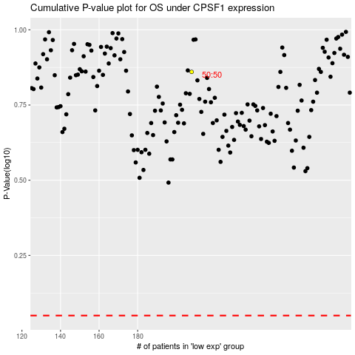

 |  |  |  |  |  | cases_OS | p_OS | rank | exp
 |  |  |  |  |  |  | cases_RFS | p_RFS | rank | exp

