CPSF3 _multivariate
Reported by Tex Li-Hsing Chi. tex@gate.sinica.edu.tw 2019-08-20

Table 2. The clinicopathological features of HNSCC cohort and CPSF3 expression. (Chi square test)
Cutoff at -0.111 (50.0%)
 |  | CPSF3 expression |  | CPSF3 expression |  | (Optimised)
 | Features | Low | (%) | High | (%) | Case no | P-value | Remark | Matthews
Gender | Female | 148 | 35.7 | 158 | 38.1 | 415 | 0.3567 | 0 | 0
2 | Male | 59 | 14.2 | 50 | 12
Age at diagnosis | <=65y | 132 | 31.8 | 142 | 34.2 | 415 | 0.3874 | 0 | 0
4 | >65y | 75 | 18.1 | 66 | 15.9
Clinical T Status | T1+T2 | 83 | 20 | 66 | 15.9 | 415 | 0.0941 | 0 | 0
6 | T3+T4 | 124 | 29.9 | 142 | 34.2
Clinical N Status | N0 | 109 | 26.3 | 107 | 25.8 | 415 | 0.8812 | 0 | 0
8 | N1-3 | 98 | 23.6 | 101 | 24.3
Clinical M Status | M0 | 206 | 49.6 | 206 | 49.6 | 415 | 1 | 0 | 0
10 | M1 | 1 | 0.2 | 2 | 0.5
Clinical Stage | Stage I+II | 57 | 13.7 | 45 | 10.8 | 415 | 0.1998 | 0 | 0
12 | Stage III+IV | 150 | 36.1 | 163 | 39.3
Surgical Margin status | Negative | 166 | 40 | 152 | 36.6 | 415 | 0.1042 | 0 | 0
14 | Positive | 41 | 9.9 | 56 | 13.5
Tobacco Exposure | Low | 85 | 20.5 | 76 | 18.3 | 415 | 0.3655 | 0 | 0
16 | High | 122 | 29.4 | 132 | 31.8

Table 3. Univariate/Multivariate Cox's proportional hazards regression analyses on OS time of CPSF3 gene expression in HNSCC

 |  | Univariate |  |  |  | Multivariate
 | Features | HR | CI95%(L) | CI95%(H) | P-value | HR | CI95%(L) | CI95%(H) | P-value
1 | Female | 1 |  |  |  | 1
Gender | Male | 1.157 | 0.843 | 1.587 | 0.367 | 1.208 | 0.864 | 1.688 | 0.27
11 | <=65y | 1 |  |  |  | 1
Age at diagnosis | >65y | 1.329 | 0.99 | 1.784 | 0.058 | 1.395 | 1.026 | 1.897 | 0.034
12 | T1+T2 | 1 |  |  |  | 1
Clinical T Status | T3+T4 | 1.409 | 1.028 | 1.931 | 0.033 | 2.18 | 1.152 | 4.126 | 0.017
13 | N0 | 1 |  |  |  | 1
Clinical N Status | N1-3 | 1.185 | 0.89 | 1.577 | 0.246 | 1.241 | 0.87 | 1.772 | 0.234
14 | M0 | 1 |  |  |  | 1
Clinical M Status | M1 | 4.097 | 1.009 | 16.644 | 0.049 | 9.082 | 1.974 | 41.795 | 0.005
15 | Stage I+II | 1 |  |  |  | 1
Clinical Stage | Stage III+IV | 1.245 | 0.882 | 1.759 | 0.213 | 0.505 | 0.235 | 1.085 | 0.08
16 | Negative | 1 |  |  |  | 1
Surgical Margin status | Positive | 1.591 | 1.155 | 2.191 | 0.004 | 1.656 | 1.197 | 2.291 | 0.002
17 | Low | 1 |  |  |  | 1
Tobacco Exposure | High | 1.364 | 1.008 | 1.844 | 0.044 | 1.452 | 1.053 | 2.002 | 0.023
18 | Low | 1 |  |  |  | 1
RNAseq(z-score) | High | 1.168 | 0.877 | 1.555 | 0.289 | 1.1 | 0.823 | 1.47 | 0.518

Table 4. Univariate/Multivariate Cox's proportional hazards regression analyses on RFS time of CPSF3 gene expression in HNSCC

 |  | Univariate |  |  |  | Multivariate
 | Features | HR | CI95%(L) | CI95%(H) | P-value | HR | CI95%(L) | CI95%(H) | P-value
1 | Female | 1 |  |  |  | 1
Gender | Male | 1.157 | 0.843 | 1.587 | 0.367 | 1.208 | 0.864 | 1.688 | 0.27
11 | <=65y | 1 |  |  |  | 1
Age at diagnosis | >65y | 1.329 | 0.99 | 1.784 | 0.058 | 1.395 | 1.026 | 1.897 | 0.034
12 | T1+T2 | 1 |  |  |  | 1
Clinical T Status | T3+T4 | 1.409 | 1.028 | 1.931 | 0.033 | 2.18 | 1.152 | 4.126 | 0.017
13 | N0 | 1 |  |  |  | 1
Clinical N Status | N1-3 | 1.185 | 0.89 | 1.577 | 0.246 | 1.241 | 0.87 | 1.772 | 0.234
14 | M0 | 1 |  |  |  | 1
Clinical M Status | M1 | 4.097 | 1.009 | 16.644 | 0.049 | 9.082 | 1.974 | 41.795 | 0.005
15 | Stage I+II | 1 |  |  |  | 1
Clinical Stage | Stage III+IV | 1.245 | 0.882 | 1.759 | 0.213 | 0.505 | 0.235 | 1.085 | 0.08
16 | Negative | 1 |  |  |  | 1
Surgical Margin status | Positive | 1.591 | 1.155 | 2.191 | 0.004 | 1.656 | 1.197 | 2.291 | 0.002
17 | Low | 1 |  |  |  | 1
Tobacco Exposure | High | 1.364 | 1.008 | 1.844 | 0.044 | 1.452 | 1.053 | 2.002 | 0.023
18 | Low | 1 |  |  |  | 1
RNAseq(z-score) | High | 1.168 | 0.877 | 1.555 | 0.289 | 1.1 | 0.823 | 1.47 | 0.518

Kaplan-Meier survival estimate: Cutoff at -0.111 (50.0%)



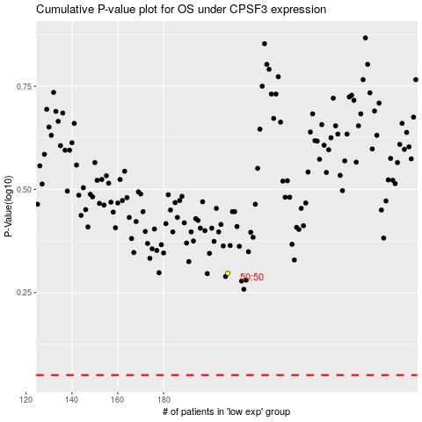

 |  |  |  |  |  | cases_OS | p_OS | rank | exp
 |  |  |  |  |  |  | cases_RFS | p_RFS | rank | exp

