CPSF7 _multivariate
Reported by Tex Li-Hsing Chi. tex@gate.sinica.edu.tw 2019-08-20

Table 2. The clinicopathological features of HNSCC cohort and CPSF7 expression. (Chi square test)
Cutoff at -0.097 (49.8%)
 |  | CPSF7 expression |  | CPSF7 expression |  | (Optimised)
 | Features | Low | (%) | High | (%) | Case no | P-value | Remark | Matthews
Gender | Female | 155 | 37.3 | 151 | 36.4 | 415 | 0.6768 | 0 | 0
2 | Male | 52 | 12.5 | 57 | 13.7
Age at diagnosis | <=65y | 132 | 31.8 | 142 | 34.2 | 415 | 0.3874 | 0 | 0
4 | >65y | 75 | 18.1 | 66 | 15.9
Clinical T Status | T1+T2 | 70 | 16.9 | 79 | 19 | 415 | 0.4343 | 0 | 0
6 | T3+T4 | 137 | 33 | 129 | 31.1
Clinical N Status | N0 | 111 | 26.7 | 105 | 25.3 | 415 | 0.5875 | 0 | 0
8 | N1-3 | 96 | 23.1 | 103 | 24.8
Clinical M Status | M0 | 205 | 49.4 | 207 | 49.9 | 415 | 0.6232 | 0 | 0
10 | M1 | 2 | 0.5 | 1 | 0.2
Clinical Stage | Stage I+II | 49 | 11.8 | 53 | 12.8 | 415 | 0.7535 | 0 | 0
12 | Stage III+IV | 158 | 38.1 | 155 | 37.3
Surgical Margin status | Negative | 157 | 37.8 | 161 | 38.8 | 415 | 0.729 | 0 | 0
14 | Positive | 50 | 12 | 47 | 11.3
Tobacco Exposure | Low | 88 | 21.2 | 73 | 17.6 | 415 | 0.1314 | 0 | 0
16 | High | 119 | 28.7 | 135 | 32.5

Table 3. Univariate/Multivariate Cox's proportional hazards regression analyses on OS time of CPSF7 gene expression in HNSCC

 |  | Univariate |  |  |  | Multivariate
 | Features | HR | CI95%(L) | CI95%(H) | P-value | HR | CI95%(L) | CI95%(H) | P-value
1 | Female | 1 |  |  |  | 1
Gender | Male | 1.157 | 0.843 | 1.587 | 0.367 | 1.202 | 0.86 | 1.679 | 0.282
11 | <=65y | 1 |  |  |  | 1
Age at diagnosis | >65y | 1.329 | 0.99 | 1.784 | 0.058 | 1.385 | 1.019 | 1.881 | 0.037
12 | T1+T2 | 1 |  |  |  | 1
Clinical T Status | T3+T4 | 1.409 | 1.028 | 1.931 | 0.033 | 2.175 | 1.15 | 4.112 | 0.017
13 | N0 | 1 |  |  |  | 1
Clinical N Status | N1-3 | 1.185 | 0.89 | 1.577 | 0.246 | 1.254 | 0.879 | 1.789 | 0.212
14 | M0 | 1 |  |  |  | 1
Clinical M Status | M1 | 4.097 | 1.009 | 16.644 | 0.049 | 9.038 | 1.969 | 41.483 | 0.005
15 | Stage I+II | 1 |  |  |  | 1
Clinical Stage | Stage III+IV | 1.245 | 0.882 | 1.759 | 0.213 | 0.509 | 0.237 | 1.092 | 0.083
16 | Negative | 1 |  |  |  | 1
Surgical Margin status | Positive | 1.591 | 1.155 | 2.191 | 0.004 | 1.666 | 1.206 | 2.301 | 0.002
17 | Low | 1 |  |  |  | 1
Tobacco Exposure | High | 1.364 | 1.008 | 1.844 | 0.044 | 1.463 | 1.062 | 2.016 | 0.02
18 | Low | 1 |  |  |  | 1
RNAseq(z-score) | High | 0.835 | 0.627 | 1.112 | 0.218 | 0.842 | 0.631 | 1.124 | 0.245

Table 4. Univariate/Multivariate Cox's proportional hazards regression analyses on RFS time of CPSF7 gene expression in HNSCC

 |  | Univariate |  |  |  | Multivariate
 | Features | HR | CI95%(L) | CI95%(H) | P-value | HR | CI95%(L) | CI95%(H) | P-value
1 | Female | 1 |  |  |  | 1
Gender | Male | 1.157 | 0.843 | 1.587 | 0.367 | 1.202 | 0.86 | 1.679 | 0.282
11 | <=65y | 1 |  |  |  | 1
Age at diagnosis | >65y | 1.329 | 0.99 | 1.784 | 0.058 | 1.385 | 1.019 | 1.881 | 0.037
12 | T1+T2 | 1 |  |  |  | 1
Clinical T Status | T3+T4 | 1.409 | 1.028 | 1.931 | 0.033 | 2.175 | 1.15 | 4.112 | 0.017
13 | N0 | 1 |  |  |  | 1
Clinical N Status | N1-3 | 1.185 | 0.89 | 1.577 | 0.246 | 1.254 | 0.879 | 1.789 | 0.212
14 | M0 | 1 |  |  |  | 1
Clinical M Status | M1 | 4.097 | 1.009 | 16.644 | 0.049 | 9.038 | 1.969 | 41.483 | 0.005
15 | Stage I+II | 1 |  |  |  | 1
Clinical Stage | Stage III+IV | 1.245 | 0.882 | 1.759 | 0.213 | 0.509 | 0.237 | 1.092 | 0.083
16 | Negative | 1 |  |  |  | 1
Surgical Margin status | Positive | 1.591 | 1.155 | 2.191 | 0.004 | 1.666 | 1.206 | 2.301 | 0.002
17 | Low | 1 |  |  |  | 1
Tobacco Exposure | High | 1.364 | 1.008 | 1.844 | 0.044 | 1.463 | 1.062 | 2.016 | 0.02
18 | Low | 1 |  |  |  | 1
RNAseq(z-score) | High | 0.835 | 0.627 | 1.112 | 0.218 | 0.842 | 0.631 | 1.124 | 0.245

Kaplan-Meier survival estimate: Cutoff at -0.097 (49.8%)



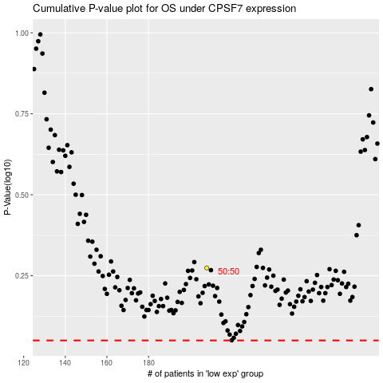

 |  |  |  |  |  | cases_OS | p_OS | rank | exp
 |  |  |  |  |  |  | cases_RFS | p_RFS | rank | exp

