CPT2 _multivariate
Reported by Tex Li-Hsing Chi. tex@gate.sinica.edu.tw 2019-08-20

Table 2. The clinicopathological features of HNSCC cohort and CPT2 expression. (Chi square test)
Cutoff at -0.324 (49.8%)
 |  | CPT2 expression |  | CPT2 expression |  | (Optimised)
 | Features | Low | (%) | High | (%) | Case no | P-value | Remark | Matthews
Gender | Female | 157 | 37.8 | 149 | 35.9 | 415 | 0.3881 | 0 | 0
2 | Male | 50 | 12 | 59 | 14.2
Age at diagnosis | <=65y | 134 | 32.3 | 140 | 33.7 | 415 | 0.6529 | 0 | 0
4 | >65y | 73 | 17.6 | 68 | 16.4
Clinical T Status | T1+T2 | 62 | 14.9 | 87 | 21 | 415 | 0.0156 | 1 | 0
6 | T3+T4 | 145 | 34.9 | 121 | 29.2
Clinical N Status | N0 | 107 | 25.8 | 109 | 26.3 | 415 | 0.9624 | 0 | 0
8 | N1-3 | 100 | 24.1 | 99 | 23.9
Clinical M Status | M0 | 207 | 49.9 | 205 | 49.4 | 415 | 0.2482 | 0 | 0
10 | M1 | 0 | 0 | 3 | 0.7
Clinical Stage | Stage I+II | 45 | 10.8 | 57 | 13.7 | 415 | 0.2202 | 0 | 0
12 | Stage III+IV | 162 | 39 | 151 | 36.4
Surgical Margin status | Negative | 159 | 38.3 | 159 | 38.3 | 415 | 1 | 0 | 0
14 | Positive | 48 | 11.6 | 49 | 11.8
Tobacco Exposure | Low | 76 | 18.3 | 85 | 20.5 | 415 | 0.4207 | 0 | 0
16 | High | 131 | 31.6 | 123 | 29.6

Table 3. Univariate/Multivariate Cox's proportional hazards regression analyses on OS time of CPT2 gene expression in HNSCC

 |  | Univariate |  |  |  | Multivariate
 | Features | HR | CI95%(L) | CI95%(H) | P-value | HR | CI95%(L) | CI95%(H) | P-value
1 | Female | 1 |  |  |  | 1
Gender | Male | 1.157 | 0.843 | 1.587 | 0.367 | 1.219 | 0.871 | 1.706 | 0.249
11 | <=65y | 1 |  |  |  | 1
Age at diagnosis | >65y | 1.329 | 0.99 | 1.784 | 0.058 | 1.384 | 1.018 | 1.881 | 0.038
12 | T1+T2 | 1 |  |  |  | 1
Clinical T Status | T3+T4 | 1.409 | 1.028 | 1.931 | 0.033 | 2.147 | 1.134 | 4.065 | 0.019
13 | N0 | 1 |  |  |  | 1
Clinical N Status | N1-3 | 1.185 | 0.89 | 1.577 | 0.246 | 1.231 | 0.863 | 1.758 | 0.252
14 | M0 | 1 |  |  |  | 1
Clinical M Status | M1 | 4.097 | 1.009 | 16.644 | 0.049 | 10.227 | 2.216 | 47.194 | 0.003
15 | Stage I+II | 1 |  |  |  | 1
Clinical Stage | Stage III+IV | 1.245 | 0.882 | 1.759 | 0.213 | 0.509 | 0.237 | 1.093 | 0.083
16 | Negative | 1 |  |  |  | 1
Surgical Margin status | Positive | 1.591 | 1.155 | 2.191 | 0.004 | 1.678 | 1.214 | 2.319 | 0.002
17 | Low | 1 |  |  |  | 1
Tobacco Exposure | High | 1.364 | 1.008 | 1.844 | 0.044 | 1.453 | 1.054 | 2.003 | 0.022
18 | Low | 1 |  |  |  | 1
RNAseq(z-score) | High | 0.821 | 0.616 | 1.095 | 0.18 | 0.835 | 0.624 | 1.118 | 0.227

Table 4. Univariate/Multivariate Cox's proportional hazards regression analyses on RFS time of CPT2 gene expression in HNSCC

 |  | Univariate |  |  |  | Multivariate
 | Features | HR | CI95%(L) | CI95%(H) | P-value | HR | CI95%(L) | CI95%(H) | P-value
1 | Female | 1 |  |  |  | 1
Gender | Male | 1.157 | 0.843 | 1.587 | 0.367 | 1.219 | 0.871 | 1.706 | 0.249
11 | <=65y | 1 |  |  |  | 1
Age at diagnosis | >65y | 1.329 | 0.99 | 1.784 | 0.058 | 1.384 | 1.018 | 1.881 | 0.038
12 | T1+T2 | 1 |  |  |  | 1
Clinical T Status | T3+T4 | 1.409 | 1.028 | 1.931 | 0.033 | 2.147 | 1.134 | 4.065 | 0.019
13 | N0 | 1 |  |  |  | 1
Clinical N Status | N1-3 | 1.185 | 0.89 | 1.577 | 0.246 | 1.231 | 0.863 | 1.758 | 0.252
14 | M0 | 1 |  |  |  | 1
Clinical M Status | M1 | 4.097 | 1.009 | 16.644 | 0.049 | 10.227 | 2.216 | 47.194 | 0.003
15 | Stage I+II | 1 |  |  |  | 1
Clinical Stage | Stage III+IV | 1.245 | 0.882 | 1.759 | 0.213 | 0.509 | 0.237 | 1.093 | 0.083
16 | Negative | 1 |  |  |  | 1
Surgical Margin status | Positive | 1.591 | 1.155 | 2.191 | 0.004 | 1.678 | 1.214 | 2.319 | 0.002
17 | Low | 1 |  |  |  | 1
Tobacco Exposure | High | 1.364 | 1.008 | 1.844 | 0.044 | 1.453 | 1.054 | 2.003 | 0.022
18 | Low | 1 |  |  |  | 1
RNAseq(z-score) | High | 0.821 | 0.616 | 1.095 | 0.18 | 0.835 | 0.624 | 1.118 | 0.227

Kaplan-Meier survival estimate: Cutoff at -0.324 (49.8%)



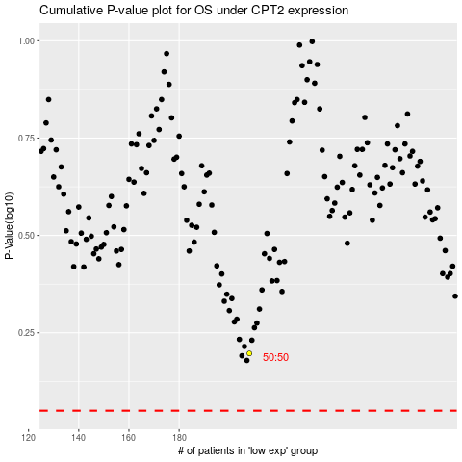

 |  |  |  |  |  | cases_OS | p_OS | rank | exp
 |  |  |  |  |  |  | cases_RFS | p_RFS | rank | exp

