CPVL _multivariate
Reported by Tex Li-Hsing Chi. tex@gate.sinica.edu.tw 2019-08-20

Table 2. The clinicopathological features of HNSCC cohort and CPVL expression. (Chi square test)
Cutoff at -0.348 (49.8%)
 |  | CPVL expression |  | CPVL expression |  | (Optimised)
 | Features | Low | (%) | High | (%) | Case no | P-value | Remark | Matthews
Gender | Female | 165 | 39.8 | 141 | 34 | 415 | 0.0081 | 1 | 0
2 | Male | 42 | 10.1 | 67 | 16.1
Age at diagnosis | <=65y | 137 | 33 | 137 | 33 | 415 | 1 | 0 | 0
4 | >65y | 70 | 16.9 | 71 | 17.1
Clinical T Status | T1+T2 | 63 | 15.2 | 86 | 20.7 | 415 | 0.0268 | 1 | 0
6 | T3+T4 | 144 | 34.7 | 122 | 29.4
Clinical N Status | N0 | 112 | 27 | 104 | 25.1 | 415 | 0.4599 | 0 | 0
8 | N1-3 | 95 | 22.9 | 104 | 25.1
Clinical M Status | M0 | 207 | 49.9 | 205 | 49.4 | 415 | 0.2482 | 0 | 0
10 | M1 | 0 | 0 | 3 | 0.7
Clinical Stage | Stage I+II | 44 | 10.6 | 58 | 14 | 415 | 0.1459 | 0 | 0
12 | Stage III+IV | 163 | 39.3 | 150 | 36.1
Surgical Margin status | Negative | 159 | 38.3 | 159 | 38.3 | 415 | 1 | 0 | 0
14 | Positive | 48 | 11.6 | 49 | 11.8
Tobacco Exposure | Low | 68 | 16.4 | 93 | 22.4 | 415 | 0.0156 | 1 | 0
16 | High | 139 | 33.5 | 115 | 27.7

Table 3. Univariate/Multivariate Cox's proportional hazards regression analyses on OS time of CPVL gene expression in HNSCC

 |  | Univariate |  |  |  | Multivariate
 | Features | HR | CI95%(L) | CI95%(H) | P-value | HR | CI95%(L) | CI95%(H) | P-value
1 | Female | 1 |  |  |  | 1
Gender | Male | 1.157 | 0.843 | 1.587 | 0.367 | 1.186 | 0.847 | 1.661 | 0.321
11 | <=65y | 1 |  |  |  | 1
Age at diagnosis | >65y | 1.329 | 0.99 | 1.784 | 0.058 | 1.391 | 1.023 | 1.891 | 0.035
12 | T1+T2 | 1 |  |  |  | 1
Clinical T Status | T3+T4 | 1.409 | 1.028 | 1.931 | 0.033 | 2.213 | 1.17 | 4.187 | 0.015
13 | N0 | 1 |  |  |  | 1
Clinical N Status | N1-3 | 1.185 | 0.89 | 1.577 | 0.246 | 1.233 | 0.864 | 1.761 | 0.248
14 | M0 | 1 |  |  |  | 1
Clinical M Status | M1 | 4.097 | 1.009 | 16.644 | 0.049 | 9 | 1.951 | 41.513 | 0.005
15 | Stage I+II | 1 |  |  |  | 1
Clinical Stage | Stage III+IV | 1.245 | 0.882 | 1.759 | 0.213 | 0.507 | 0.236 | 1.09 | 0.082
16 | Negative | 1 |  |  |  | 1
Surgical Margin status | Positive | 1.591 | 1.155 | 2.191 | 0.004 | 1.671 | 1.21 | 2.309 | 0.002
17 | Low | 1 |  |  |  | 1
Tobacco Exposure | High | 1.364 | 1.008 | 1.844 | 0.044 | 1.464 | 1.062 | 2.019 | 0.02
18 | Low | 1 |  |  |  | 1
RNAseq(z-score) | High | 1.091 | 0.818 | 1.453 | 0.554 | 1.096 | 0.816 | 1.471 | 0.544

Table 4. Univariate/Multivariate Cox's proportional hazards regression analyses on RFS time of CPVL gene expression in HNSCC

 |  | Univariate |  |  |  | Multivariate
 | Features | HR | CI95%(L) | CI95%(H) | P-value | HR | CI95%(L) | CI95%(H) | P-value
1 | Female | 1 |  |  |  | 1
Gender | Male | 1.157 | 0.843 | 1.587 | 0.367 | 1.186 | 0.847 | 1.661 | 0.321
11 | <=65y | 1 |  |  |  | 1
Age at diagnosis | >65y | 1.329 | 0.99 | 1.784 | 0.058 | 1.391 | 1.023 | 1.891 | 0.035
12 | T1+T2 | 1 |  |  |  | 1
Clinical T Status | T3+T4 | 1.409 | 1.028 | 1.931 | 0.033 | 2.213 | 1.17 | 4.187 | 0.015
13 | N0 | 1 |  |  |  | 1
Clinical N Status | N1-3 | 1.185 | 0.89 | 1.577 | 0.246 | 1.233 | 0.864 | 1.761 | 0.248
14 | M0 | 1 |  |  |  | 1
Clinical M Status | M1 | 4.097 | 1.009 | 16.644 | 0.049 | 9 | 1.951 | 41.513 | 0.005
15 | Stage I+II | 1 |  |  |  | 1
Clinical Stage | Stage III+IV | 1.245 | 0.882 | 1.759 | 0.213 | 0.507 | 0.236 | 1.09 | 0.082
16 | Negative | 1 |  |  |  | 1
Surgical Margin status | Positive | 1.591 | 1.155 | 2.191 | 0.004 | 1.671 | 1.21 | 2.309 | 0.002
17 | Low | 1 |  |  |  | 1
Tobacco Exposure | High | 1.364 | 1.008 | 1.844 | 0.044 | 1.464 | 1.062 | 2.019 | 0.02
18 | Low | 1 |  |  |  | 1
RNAseq(z-score) | High | 1.091 | 0.818 | 1.453 | 0.554 | 1.096 | 0.816 | 1.471 | 0.544

Kaplan-Meier survival estimate: Cutoff at -0.348 (49.8%)



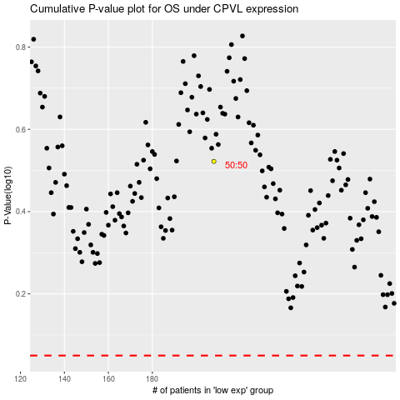

 |  |  |  |  |  | cases_OS | p_OS | rank | exp
 |  |  |  |  |  |  | cases_RFS | p_RFS | rank | exp

