CPXM1 _multivariate
Reported by Tex Li-Hsing Chi. tex@gate.sinica.edu.tw 2019-08-20

Table 2. The clinicopathological features of HNSCC cohort and CPXM1 expression. (Chi square test)
Cutoff at -0.124 (49.8%)
 |  | CPXM1 expression |  | CPXM1 expression |  | (Optimised)
 | Features | Low | (%) | High | (%) | Case no | P-value | Remark | Matthews
Gender | Female | 157 | 37.8 | 149 | 35.9 | 415 | 0.3881 | 0 | 0
2 | Male | 50 | 12 | 59 | 14.2
Age at diagnosis | <=65y | 142 | 34.2 | 132 | 31.8 | 415 | 0.3167 | 0 | 0
4 | >65y | 65 | 15.7 | 76 | 18.3
Clinical T Status | T1+T2 | 78 | 18.8 | 71 | 17.1 | 415 | 0.5152 | 0 | 0
6 | T3+T4 | 129 | 31.1 | 137 | 33
Clinical N Status | N0 | 107 | 25.8 | 109 | 26.3 | 415 | 0.9624 | 0 | 0
8 | N1-3 | 100 | 24.1 | 99 | 23.9
Clinical M Status | M0 | 204 | 49.2 | 208 | 50.1 | 415 | 0.1232 | 0 | 0
10 | M1 | 3 | 0.7 | 0 | 0
Clinical Stage | Stage I+II | 49 | 11.8 | 53 | 12.8 | 415 | 0.7535 | 0 | 0
12 | Stage III+IV | 158 | 38.1 | 155 | 37.3
Surgical Margin status | Negative | 158 | 38.1 | 160 | 38.6 | 415 | 0.9081 | 0 | 0
14 | Positive | 49 | 11.8 | 48 | 11.6
Tobacco Exposure | Low | 85 | 20.5 | 76 | 18.3 | 415 | 0.3655 | 0 | 0
16 | High | 122 | 29.4 | 132 | 31.8

Table 3. Univariate/Multivariate Cox's proportional hazards regression analyses on OS time of CPXM1 gene expression in HNSCC

 |  | Univariate |  |  |  | Multivariate
 | Features | HR | CI95%(L) | CI95%(H) | P-value | HR | CI95%(L) | CI95%(H) | P-value
1 | Female | 1 |  |  |  | 1
Gender | Male | 1.157 | 0.843 | 1.587 | 0.367 | 1.236 | 0.882 | 1.73 | 0.218
11 | <=65y | 1 |  |  |  | 1
Age at diagnosis | >65y | 1.329 | 0.99 | 1.784 | 0.058 | 1.396 | 1.028 | 1.897 | 0.033
12 | T1+T2 | 1 |  |  |  | 1
Clinical T Status | T3+T4 | 1.409 | 1.028 | 1.931 | 0.033 | 2.258 | 1.193 | 4.273 | 0.012
13 | N0 | 1 |  |  |  | 1
Clinical N Status | N1-3 | 1.185 | 0.89 | 1.577 | 0.246 | 1.261 | 0.883 | 1.799 | 0.202
14 | M0 | 1 |  |  |  | 1
Clinical M Status | M1 | 4.097 | 1.009 | 16.644 | 0.049 | 8.724 | 1.897 | 40.123 | 0.005
15 | Stage I+II | 1 |  |  |  | 1
Clinical Stage | Stage III+IV | 1.245 | 0.882 | 1.759 | 0.213 | 0.482 | 0.224 | 1.037 | 0.062
16 | Negative | 1 |  |  |  | 1
Surgical Margin status | Positive | 1.591 | 1.155 | 2.191 | 0.004 | 1.688 | 1.221 | 2.334 | 0.002
17 | Low | 1 |  |  |  | 1
Tobacco Exposure | High | 1.364 | 1.008 | 1.844 | 0.044 | 1.474 | 1.069 | 2.033 | 0.018
18 | Low | 1 |  |  |  | 1
RNAseq(z-score) | High | 0.86 | 0.644 | 1.148 | 0.307 | 0.808 | 0.602 | 1.085 | 0.156

Table 4. Univariate/Multivariate Cox's proportional hazards regression analyses on RFS time of CPXM1 gene expression in HNSCC

 |  | Univariate |  |  |  | Multivariate
 | Features | HR | CI95%(L) | CI95%(H) | P-value | HR | CI95%(L) | CI95%(H) | P-value
1 | Female | 1 |  |  |  | 1
Gender | Male | 1.157 | 0.843 | 1.587 | 0.367 | 1.236 | 0.882 | 1.73 | 0.218
11 | <=65y | 1 |  |  |  | 1
Age at diagnosis | >65y | 1.329 | 0.99 | 1.784 | 0.058 | 1.396 | 1.028 | 1.897 | 0.033
12 | T1+T2 | 1 |  |  |  | 1
Clinical T Status | T3+T4 | 1.409 | 1.028 | 1.931 | 0.033 | 2.258 | 1.193 | 4.273 | 0.012
13 | N0 | 1 |  |  |  | 1
Clinical N Status | N1-3 | 1.185 | 0.89 | 1.577 | 0.246 | 1.261 | 0.883 | 1.799 | 0.202
14 | M0 | 1 |  |  |  | 1
Clinical M Status | M1 | 4.097 | 1.009 | 16.644 | 0.049 | 8.724 | 1.897 | 40.123 | 0.005
15 | Stage I+II | 1 |  |  |  | 1
Clinical Stage | Stage III+IV | 1.245 | 0.882 | 1.759 | 0.213 | 0.482 | 0.224 | 1.037 | 0.062
16 | Negative | 1 |  |  |  | 1
Surgical Margin status | Positive | 1.591 | 1.155 | 2.191 | 0.004 | 1.688 | 1.221 | 2.334 | 0.002
17 | Low | 1 |  |  |  | 1
Tobacco Exposure | High | 1.364 | 1.008 | 1.844 | 0.044 | 1.474 | 1.069 | 2.033 | 0.018
18 | Low | 1 |  |  |  | 1
RNAseq(z-score) | High | 0.86 | 0.644 | 1.148 | 0.307 | 0.808 | 0.602 | 1.085 | 0.156

Kaplan-Meier survival estimate: Cutoff at -0.124 (49.8%)



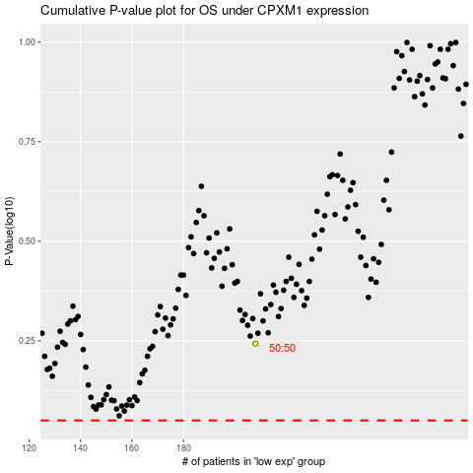

 |  |  |  |  |  | cases_OS | p_OS | rank | exp
 |  |  |  |  |  |  | cases_RFS | p_RFS | rank | exp

