CPZ _multivariate
Reported by Tex Li-Hsing Chi. tex@gate.sinica.edu.tw 2019-08-20

Table 2. The clinicopathological features of HNSCC cohort and CPZ expression. (Chi square test)
Cutoff at -0.22 (50.0%)
 |  | CPZ expression |  | CPZ expression |  | (Optimised)
 | Features | Low | (%) | High | (%) | Case no | P-value | Remark | Matthews
Gender | Female | 147 | 35.4 | 159 | 38.3 | 415 | 0.2523 | 0 | 0
2 | Male | 60 | 14.5 | 49 | 11.8
Age at diagnosis | <=65y | 132 | 31.8 | 142 | 34.2 | 415 | 0.3874 | 0 | 0
4 | >65y | 75 | 18.1 | 66 | 15.9
Clinical T Status | T1+T2 | 73 | 17.6 | 76 | 18.3 | 415 | 0.8666 | 0 | 0
6 | T3+T4 | 134 | 32.3 | 132 | 31.8
Clinical N Status | N0 | 113 | 27.2 | 103 | 24.8 | 415 | 0.3495 | 1 | 0
8 | N1-3 | 94 | 22.7 | 105 | 25.3
Clinical M Status | M0 | 204 | 49.2 | 208 | 50.1 | 415 | 0.1232 | 0 | 0
10 | M1 | 3 | 0.7 | 0 | 0
Clinical Stage | Stage I+II | 51 | 12.3 | 51 | 12.3 | 415 | 1 | 0 | 0
12 | Stage III+IV | 156 | 37.6 | 157 | 37.8
Surgical Margin status | Negative | 157 | 37.8 | 161 | 38.8 | 415 | 0.729 | 0 | 0
14 | Positive | 50 | 12 | 47 | 11.3
Tobacco Exposure | Low | 84 | 20.2 | 77 | 18.6 | 415 | 0.4816 | 0 | 0
16 | High | 123 | 29.6 | 131 | 31.6

Table 3. Univariate/Multivariate Cox's proportional hazards regression analyses on OS time of CPZ gene expression in HNSCC

 |  | Univariate |  |  |  | Multivariate
 | Features | HR | CI95%(L) | CI95%(H) | P-value | HR | CI95%(L) | CI95%(H) | P-value
1 | Female | 1 |  |  |  | 1
Gender | Male | 1.157 | 0.843 | 1.587 | 0.367 | 1.189 | 0.85 | 1.663 | 0.311
11 | <=65y | 1 |  |  |  | 1
Age at diagnosis | >65y | 1.329 | 0.99 | 1.784 | 0.058 | 1.369 | 1.006 | 1.862 | 0.046
12 | T1+T2 | 1 |  |  |  | 1
Clinical T Status | T3+T4 | 1.409 | 1.028 | 1.931 | 0.033 | 2.203 | 1.166 | 4.165 | 0.015
13 | N0 | 1 |  |  |  | 1
Clinical N Status | N1-3 | 1.185 | 0.89 | 1.577 | 0.246 | 1.265 | 0.886 | 1.806 | 0.196
14 | M0 | 1 |  |  |  | 1
Clinical M Status | M1 | 4.097 | 1.009 | 16.644 | 0.049 | 8.4 | 1.819 | 38.792 | 0.006
15 | Stage I+II | 1 |  |  |  | 1
Clinical Stage | Stage III+IV | 1.245 | 0.882 | 1.759 | 0.213 | 0.495 | 0.231 | 1.062 | 0.071
16 | Negative | 1 |  |  |  | 1
Surgical Margin status | Positive | 1.591 | 1.155 | 2.191 | 0.004 | 1.686 | 1.219 | 2.331 | 0.002
17 | Low | 1 |  |  |  | 1
Tobacco Exposure | High | 1.364 | 1.008 | 1.844 | 0.044 | 1.474 | 1.068 | 2.036 | 0.018
18 | Low | 1 |  |  |  | 1
RNAseq(z-score) | High | 0.802 | 0.602 | 1.069 | 0.132 | 0.807 | 0.603 | 1.08 | 0.15

Table 4. Univariate/Multivariate Cox's proportional hazards regression analyses on RFS time of CPZ gene expression in HNSCC

 |  | Univariate |  |  |  | Multivariate
 | Features | HR | CI95%(L) | CI95%(H) | P-value | HR | CI95%(L) | CI95%(H) | P-value
1 | Female | 1 |  |  |  | 1
Gender | Male | 1.157 | 0.843 | 1.587 | 0.367 | 1.189 | 0.85 | 1.663 | 0.311
11 | <=65y | 1 |  |  |  | 1
Age at diagnosis | >65y | 1.329 | 0.99 | 1.784 | 0.058 | 1.369 | 1.006 | 1.862 | 0.046
12 | T1+T2 | 1 |  |  |  | 1
Clinical T Status | T3+T4 | 1.409 | 1.028 | 1.931 | 0.033 | 2.203 | 1.166 | 4.165 | 0.015
13 | N0 | 1 |  |  |  | 1
Clinical N Status | N1-3 | 1.185 | 0.89 | 1.577 | 0.246 | 1.265 | 0.886 | 1.806 | 0.196
14 | M0 | 1 |  |  |  | 1
Clinical M Status | M1 | 4.097 | 1.009 | 16.644 | 0.049 | 8.4 | 1.819 | 38.792 | 0.006
15 | Stage I+II | 1 |  |  |  | 1
Clinical Stage | Stage III+IV | 1.245 | 0.882 | 1.759 | 0.213 | 0.495 | 0.231 | 1.062 | 0.071
16 | Negative | 1 |  |  |  | 1
Surgical Margin status | Positive | 1.591 | 1.155 | 2.191 | 0.004 | 1.686 | 1.219 | 2.331 | 0.002
17 | Low | 1 |  |  |  | 1
Tobacco Exposure | High | 1.364 | 1.008 | 1.844 | 0.044 | 1.474 | 1.068 | 2.036 | 0.018
18 | Low | 1 |  |  |  | 1
RNAseq(z-score) | High | 0.802 | 0.602 | 1.069 | 0.132 | 0.807 | 0.603 | 1.08 | 0.15

Kaplan-Meier survival estimate: Cutoff at -0.22 (50.0%)



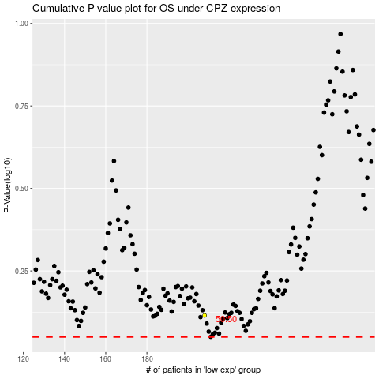

 |  |  |  |  |  | cases_OS | p_OS | rank | exp
 |  |  |  |  |  |  | cases_RFS | p_RFS | rank | exp

