CR1 _multivariate
Reported by Tex Li-Hsing Chi. tex@gate.sinica.edu.tw 2019-08-20

Table 2. The clinicopathological features of HNSCC cohort and CR1 expression. (Chi square test)
Cutoff at -0.413 (33.6%)
 |  | CR1 expression |  | CR1 expression |  | (Optimised)
 | Features | Low | (%) | High | (%) | Case no | P-value | Remark | Matthews
Gender | Female | 106 | 25.5 | 200 | 48.2 | 415 | 0.4771 | 0 | 0
2 | Male | 33 | 8 | 76 | 18.3
Age at diagnosis | <=65y | 94 | 22.7 | 180 | 43.4 | 415 | 0.7046 | 0 | 0
4 | >65y | 45 | 10.8 | 96 | 23.1
Clinical T Status | T1+T2 | 52 | 12.5 | 97 | 23.4 | 415 | 0.7297 | 0 | 0
6 | T3+T4 | 87 | 21 | 179 | 43.1
Clinical N Status | N0 | 77 | 18.6 | 139 | 33.5 | 415 | 0.3873 | 0 | 0
8 | N1-3 | 62 | 14.9 | 137 | 33
Clinical M Status | M0 | 137 | 33 | 275 | 66.3 | 415 | 0.2609 | 0 | 0
10 | M1 | 2 | 0.5 | 1 | 0.2
Clinical Stage | Stage I+II | 41 | 9.9 | 61 | 14.7 | 415 | 0.1259 | 0 | 0
12 | Stage III+IV | 98 | 23.6 | 215 | 51.8
Surgical Margin status | Negative | 106 | 25.5 | 212 | 51.1 | 415 | 0.9027 | 0 | 0
14 | Positive | 33 | 8 | 64 | 15.4
Tobacco Exposure | Low | 54 | 13 | 107 | 25.8 | 415 | 1 | 0 | 0
16 | High | 85 | 20.5 | 169 | 40.7

Table 3. Univariate/Multivariate Cox's proportional hazards regression analyses on OS time of CR1 gene expression in HNSCC

 |  | Univariate |  |  |  | Multivariate
 | Features | HR | CI95%(L) | CI95%(H) | P-value | HR | CI95%(L) | CI95%(H) | P-value
1 | Female | 1 |  |  |  | 1
Gender | Male | 1.157 | 0.843 | 1.587 | 0.367 | 1.21 | 0.864 | 1.693 | 0.267
11 | <=65y | 1 |  |  |  | 1
Age at diagnosis | >65y | 1.329 | 0.99 | 1.784 | 0.058 | 1.365 | 1.004 | 1.855 | 0.047
12 | T1+T2 | 1 |  |  |  | 1
Clinical T Status | T3+T4 | 1.409 | 1.028 | 1.931 | 0.033 | 2.13 | 1.125 | 4.033 | 0.02
13 | N0 | 1 |  |  |  | 1
Clinical N Status | N1-3 | 1.185 | 0.89 | 1.577 | 0.246 | 1.198 | 0.838 | 1.712 | 0.322
14 | M0 | 1 |  |  |  | 1
Clinical M Status | M1 | 4.097 | 1.009 | 16.644 | 0.049 | 8.055 | 1.741 | 37.26 | 0.008
15 | Stage I+II | 1 |  |  |  | 1
Clinical Stage | Stage III+IV | 1.245 | 0.882 | 1.759 | 0.213 | 0.55 | 0.255 | 1.188 | 0.128
16 | Negative | 1 |  |  |  | 1
Surgical Margin status | Positive | 1.591 | 1.155 | 2.191 | 0.004 | 1.689 | 1.221 | 2.335 | 0.002
17 | Low | 1 |  |  |  | 1
Tobacco Exposure | High | 1.364 | 1.008 | 1.844 | 0.044 | 1.473 | 1.067 | 2.032 | 0.018
18 | Low | 1 |  |  |  | 1
RNAseq(z-score) | High | 0.74 | 0.552 | 0.992 | 0.044 | 0.747 | 0.554 | 1.008 | 0.056

Table 4. Univariate/Multivariate Cox's proportional hazards regression analyses on RFS time of CR1 gene expression in HNSCC

 |  | Univariate |  |  |  | Multivariate
 | Features | HR | CI95%(L) | CI95%(H) | P-value | HR | CI95%(L) | CI95%(H) | P-value
1 | Female | 1 |  |  |  | 1
Gender | Male | 1.157 | 0.843 | 1.587 | 0.367 | 1.21 | 0.864 | 1.693 | 0.267
11 | <=65y | 1 |  |  |  | 1
Age at diagnosis | >65y | 1.329 | 0.99 | 1.784 | 0.058 | 1.365 | 1.004 | 1.855 | 0.047
12 | T1+T2 | 1 |  |  |  | 1
Clinical T Status | T3+T4 | 1.409 | 1.028 | 1.931 | 0.033 | 2.13 | 1.125 | 4.033 | 0.02
13 | N0 | 1 |  |  |  | 1
Clinical N Status | N1-3 | 1.185 | 0.89 | 1.577 | 0.246 | 1.198 | 0.838 | 1.712 | 0.322
14 | M0 | 1 |  |  |  | 1
Clinical M Status | M1 | 4.097 | 1.009 | 16.644 | 0.049 | 8.055 | 1.741 | 37.26 | 0.008
15 | Stage I+II | 1 |  |  |  | 1
Clinical Stage | Stage III+IV | 1.245 | 0.882 | 1.759 | 0.213 | 0.55 | 0.255 | 1.188 | 0.128
16 | Negative | 1 |  |  |  | 1
Surgical Margin status | Positive | 1.591 | 1.155 | 2.191 | 0.004 | 1.689 | 1.221 | 2.335 | 0.002
17 | Low | 1 |  |  |  | 1
Tobacco Exposure | High | 1.364 | 1.008 | 1.844 | 0.044 | 1.473 | 1.067 | 2.032 | 0.018
18 | Low | 1 |  |  |  | 1
RNAseq(z-score) | High | 0.74 | 0.552 | 0.992 | 0.044 | 0.747 | 0.554 | 1.008 | 0.056

Kaplan-Meier survival estimate: Cutoff at -0.413 (33.6%)



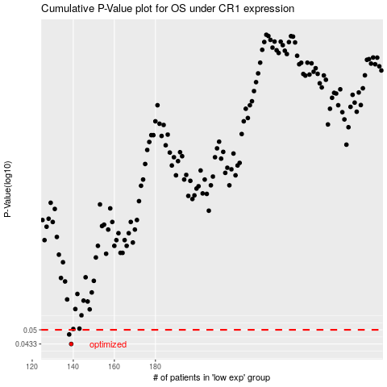

 |  |  |  |  |  | cases_OS | p_OS | rank | exp
 |  |  |  |  |  | 139 | 0.0433 | 194 | -0.41261112241
 |  |  |  |  |  | 138 | 0.0477 | 211 | -0.41324555475
 |  |  |  |  |  |  | cases_RFS | p_RFS | rank | exp
 |  |  |  |  |  |  | 138 | 0.0433 | 211 | -0.41324555475
 |  |  |  |  |  |  | 137 | 0.0477 | 297 | -0.41504807553

