CRAT _multivariate
Reported by Tex Li-Hsing Chi. tex@gate.sinica.edu.tw 2019-08-20

Table 2. The clinicopathological features of HNSCC cohort and CRAT expression. (Chi square test)
Cutoff at -0.212 (49.8%)
 |  | CRAT expression |  | CRAT expression |  | (Optimised)
 | Features | Low | (%) | High | (%) | Case no | P-value | Remark | Matthews
Gender | Female | 154 | 37.1 | 152 | 36.6 | 415 | 0.8463 | 0 | 0
2 | Male | 53 | 12.8 | 56 | 13.5
Age at diagnosis | <=65y | 136 | 32.8 | 138 | 33.3 | 415 | 0.9719 | 0 | 0
4 | >65y | 71 | 17.1 | 70 | 16.9
Clinical T Status | T1+T2 | 75 | 18.1 | 74 | 17.8 | 415 | 0.9707 | 0 | 0
6 | T3+T4 | 132 | 31.8 | 134 | 32.3
Clinical N Status | N0 | 104 | 25.1 | 112 | 27 | 415 | 0.5243 | 0 | 0
8 | N1-3 | 103 | 24.8 | 96 | 23.1
Clinical M Status | M0 | 205 | 49.4 | 207 | 49.9 | 415 | 0.6232 | 0 | 0
10 | M1 | 2 | 0.5 | 1 | 0.2
Clinical Stage | Stage I+II | 55 | 13.3 | 47 | 11.3 | 415 | 0.4087 | 0 | 0
12 | Stage III+IV | 152 | 36.6 | 161 | 38.8
Surgical Margin status | Negative | 161 | 38.8 | 157 | 37.8 | 415 | 0.6429 | 0 | 0
14 | Positive | 46 | 11.1 | 51 | 12.3
Tobacco Exposure | Low | 83 | 20 | 78 | 18.8 | 415 | 0.6152 | 0 | 0
16 | High | 124 | 29.9 | 130 | 31.3

Table 3. Univariate/Multivariate Cox's proportional hazards regression analyses on OS time of CRAT gene expression in HNSCC

 |  | Univariate |  |  |  | Multivariate
 | Features | HR | CI95%(L) | CI95%(H) | P-value | HR | CI95%(L) | CI95%(H) | P-value
1 | Female | 1 |  |  |  | 1
Gender | Male | 1.157 | 0.843 | 1.587 | 0.367 | 1.189 | 0.85 | 1.664 | 0.313
11 | <=65y | 1 |  |  |  | 1
Age at diagnosis | >65y | 1.329 | 0.99 | 1.784 | 0.058 | 1.391 | 1.023 | 1.89 | 0.035
12 | T1+T2 | 1 |  |  |  | 1
Clinical T Status | T3+T4 | 1.409 | 1.028 | 1.931 | 0.033 | 2.196 | 1.161 | 4.154 | 0.016
13 | N0 | 1 |  |  |  | 1
Clinical N Status | N1-3 | 1.185 | 0.89 | 1.577 | 0.246 | 1.23 | 0.861 | 1.756 | 0.256
14 | M0 | 1 |  |  |  | 1
Clinical M Status | M1 | 4.097 | 1.009 | 16.644 | 0.049 | 9.317 | 2.032 | 42.725 | 0.004
15 | Stage I+II | 1 |  |  |  | 1
Clinical Stage | Stage III+IV | 1.245 | 0.882 | 1.759 | 0.213 | 0.51 | 0.237 | 1.096 | 0.084
16 | Negative | 1 |  |  |  | 1
Surgical Margin status | Positive | 1.591 | 1.155 | 2.191 | 0.004 | 1.675 | 1.212 | 2.314 | 0.002
17 | Low | 1 |  |  |  | 1
Tobacco Exposure | High | 1.364 | 1.008 | 1.844 | 0.044 | 1.455 | 1.056 | 2.005 | 0.022
18 | Low | 1 |  |  |  | 1
RNAseq(z-score) | High | 0.907 | 0.68 | 1.209 | 0.505 | 0.914 | 0.683 | 1.224 | 0.546

Table 4. Univariate/Multivariate Cox's proportional hazards regression analyses on RFS time of CRAT gene expression in HNSCC

 |  | Univariate |  |  |  | Multivariate
 | Features | HR | CI95%(L) | CI95%(H) | P-value | HR | CI95%(L) | CI95%(H) | P-value
1 | Female | 1 |  |  |  | 1
Gender | Male | 1.157 | 0.843 | 1.587 | 0.367 | 1.189 | 0.85 | 1.664 | 0.313
11 | <=65y | 1 |  |  |  | 1
Age at diagnosis | >65y | 1.329 | 0.99 | 1.784 | 0.058 | 1.391 | 1.023 | 1.89 | 0.035
12 | T1+T2 | 1 |  |  |  | 1
Clinical T Status | T3+T4 | 1.409 | 1.028 | 1.931 | 0.033 | 2.196 | 1.161 | 4.154 | 0.016
13 | N0 | 1 |  |  |  | 1
Clinical N Status | N1-3 | 1.185 | 0.89 | 1.577 | 0.246 | 1.23 | 0.861 | 1.756 | 0.256
14 | M0 | 1 |  |  |  | 1
Clinical M Status | M1 | 4.097 | 1.009 | 16.644 | 0.049 | 9.317 | 2.032 | 42.725 | 0.004
15 | Stage I+II | 1 |  |  |  | 1
Clinical Stage | Stage III+IV | 1.245 | 0.882 | 1.759 | 0.213 | 0.51 | 0.237 | 1.096 | 0.084
16 | Negative | 1 |  |  |  | 1
Surgical Margin status | Positive | 1.591 | 1.155 | 2.191 | 0.004 | 1.675 | 1.212 | 2.314 | 0.002
17 | Low | 1 |  |  |  | 1
Tobacco Exposure | High | 1.364 | 1.008 | 1.844 | 0.044 | 1.455 | 1.056 | 2.005 | 0.022
18 | Low | 1 |  |  |  | 1
RNAseq(z-score) | High | 0.907 | 0.68 | 1.209 | 0.505 | 0.914 | 0.683 | 1.224 | 0.546

Kaplan-Meier survival estimate: Cutoff at -0.212 (49.8%)



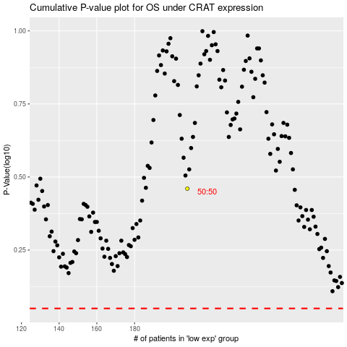

 |  |  |  |  |  | cases_OS | p_OS | rank | exp
 |  |  |  |  |  |  | cases_RFS | p_RFS | rank | exp

