CRBN _multivariate
Reported by Tex Li-Hsing Chi. tex@gate.sinica.edu.tw 2019-08-20

Table 2. The clinicopathological features of HNSCC cohort and CRBN expression. (Chi square test)
Cutoff at -0.267 (54.6%)
 |  | CRBN expression |  | CRBN expression |  | (Optimised)
 | Features | Low | (%) | High | (%) | Case no | P-value | Remark | Matthews
Gender | Female | 174 | 41.9 | 132 | 31.8 | 415 | 0.1701 | 0 | 0
2 | Male | 53 | 12.8 | 56 | 13.5
Age at diagnosis | <=65y | 141 | 34 | 133 | 32 | 415 | 0.0812 | 0 | 0
4 | >65y | 86 | 20.7 | 55 | 13.3
Clinical T Status | T1+T2 | 64 | 15.4 | 85 | 20.5 | 415 | 5e-04 | 1 | 0
6 | T3+T4 | 163 | 39.3 | 103 | 24.8
Clinical N Status | N0 | 121 | 29.2 | 95 | 22.9 | 415 | 0.6427 | 0 | 0
8 | N1-3 | 106 | 25.5 | 93 | 22.4
Clinical M Status | M0 | 224 | 54 | 188 | 45.3 | 415 | 0.2548 | 0 | 0
10 | M1 | 3 | 0.7 | 0 | 0
Clinical Stage | Stage I+II | 46 | 11.1 | 56 | 13.5 | 415 | 0.0333 | 1 | 0
12 | Stage III+IV | 181 | 43.6 | 132 | 31.8
Surgical Margin status | Negative | 183 | 44.1 | 135 | 32.5 | 415 | 0.0367 | 1 | 0
14 | Positive | 44 | 10.6 | 53 | 12.8
Tobacco Exposure | Low | 77 | 18.6 | 84 | 20.2 | 415 | 0.0265 | 1 | 0
16 | High | 150 | 36.1 | 104 | 25.1

Table 3. Univariate/Multivariate Cox's proportional hazards regression analyses on OS time of CRBN gene expression in HNSCC

 |  | Univariate |  |  |  | Multivariate
 | Features | HR | CI95%(L) | CI95%(H) | P-value | HR | CI95%(L) | CI95%(H) | P-value
1 | Female | 1 |  |  |  | 1
Gender | Male | 1.157 | 0.843 | 1.587 | 0.367 | 1.223 | 0.873 | 1.712 | 0.242
11 | <=65y | 1 |  |  |  | 1
Age at diagnosis | >65y | 1.329 | 0.99 | 1.784 | 0.058 | 1.343 | 0.984 | 1.834 | 0.063
12 | T1+T2 | 1 |  |  |  | 1
Clinical T Status | T3+T4 | 1.409 | 1.028 | 1.931 | 0.033 | 2.121 | 1.119 | 4.02 | 0.021
13 | N0 | 1 |  |  |  | 1
Clinical N Status | N1-3 | 1.185 | 0.89 | 1.577 | 0.246 | 1.257 | 0.88 | 1.794 | 0.208
14 | M0 | 1 |  |  |  | 1
Clinical M Status | M1 | 4.097 | 1.009 | 16.644 | 0.049 | 8.337 | 1.802 | 38.584 | 0.007
15 | Stage I+II | 1 |  |  |  | 1
Clinical Stage | Stage III+IV | 1.245 | 0.882 | 1.759 | 0.213 | 0.5 | 0.233 | 1.075 | 0.076
16 | Negative | 1 |  |  |  | 1
Surgical Margin status | Positive | 1.591 | 1.155 | 2.191 | 0.004 | 1.703 | 1.231 | 2.357 | 0.001
17 | Low | 1 |  |  |  | 1
Tobacco Exposure | High | 1.364 | 1.008 | 1.844 | 0.044 | 1.428 | 1.034 | 1.971 | 0.03
18 | Low | 1 |  |  |  | 1
RNAseq(z-score) | High | 0.746 | 0.557 | 0.999 | 0.049 | 0.811 | 0.597 | 1.102 | 0.18

Table 4. Univariate/Multivariate Cox's proportional hazards regression analyses on RFS time of CRBN gene expression in HNSCC

 |  | Univariate |  |  |  | Multivariate
 | Features | HR | CI95%(L) | CI95%(H) | P-value | HR | CI95%(L) | CI95%(H) | P-value
1 | Female | 1 |  |  |  | 1
Gender | Male | 1.157 | 0.843 | 1.587 | 0.367 | 1.223 | 0.873 | 1.712 | 0.242
11 | <=65y | 1 |  |  |  | 1
Age at diagnosis | >65y | 1.329 | 0.99 | 1.784 | 0.058 | 1.343 | 0.984 | 1.834 | 0.063
12 | T1+T2 | 1 |  |  |  | 1
Clinical T Status | T3+T4 | 1.409 | 1.028 | 1.931 | 0.033 | 2.121 | 1.119 | 4.02 | 0.021
13 | N0 | 1 |  |  |  | 1
Clinical N Status | N1-3 | 1.185 | 0.89 | 1.577 | 0.246 | 1.257 | 0.88 | 1.794 | 0.208
14 | M0 | 1 |  |  |  | 1
Clinical M Status | M1 | 4.097 | 1.009 | 16.644 | 0.049 | 8.337 | 1.802 | 38.584 | 0.007
15 | Stage I+II | 1 |  |  |  | 1
Clinical Stage | Stage III+IV | 1.245 | 0.882 | 1.759 | 0.213 | 0.5 | 0.233 | 1.075 | 0.076
16 | Negative | 1 |  |  |  | 1
Surgical Margin status | Positive | 1.591 | 1.155 | 2.191 | 0.004 | 1.703 | 1.231 | 2.357 | 0.001
17 | Low | 1 |  |  |  | 1
Tobacco Exposure | High | 1.364 | 1.008 | 1.844 | 0.044 | 1.428 | 1.034 | 1.971 | 0.03
18 | Low | 1 |  |  |  | 1
RNAseq(z-score) | High | 0.746 | 0.557 | 0.999 | 0.049 | 0.811 | 0.597 | 1.102 | 0.18

Kaplan-Meier survival estimate: Cutoff at -0.267 (54.6%)



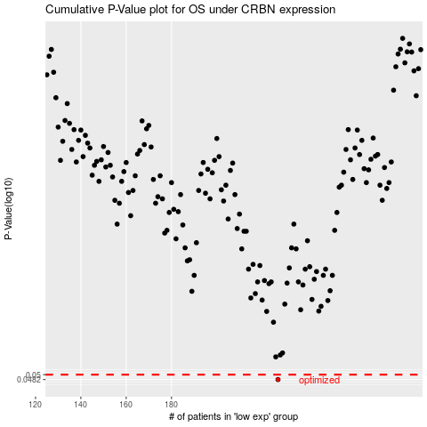

 |  |  |  |  |  | cases_OS | p_OS | rank | exp
 |  |  |  |  |  | 227 | 0.0482 | 300 | -0.26729505476
 |  |  |  |  |  |  | cases_RFS | p_RFS | rank | exp
 |  |  |  |  |  |  | 226 | 0.0482 | 82 | -0.26774524984

