CREB1 _multivariate
Reported by Tex Li-Hsing Chi. tex@gate.sinica.edu.tw 2019-08-20

Table 2. The clinicopathological features of HNSCC cohort and CREB1 expression. (Chi square test)
Cutoff at -0.018 (50.0%)
 |  | CREB1 expression |  | CREB1 expression |  | (Optimised)
 | Features | Low | (%) | High | (%) | Case no | P-value | Remark | Matthews
Gender | Female | 149 | 35.9 | 157 | 37.8 | 415 | 0.4848 | 0 | 0
2 | Male | 58 | 14 | 51 | 12.3
Age at diagnosis | <=65y | 127 | 30.6 | 147 | 35.4 | 415 | 0.0573 | 0 | 0
4 | >65y | 80 | 19.3 | 61 | 14.7
Clinical T Status | T1+T2 | 69 | 16.6 | 80 | 19.3 | 415 | 0.3239 | 0 | 0
6 | T3+T4 | 138 | 33.3 | 128 | 30.8
Clinical N Status | N0 | 110 | 26.5 | 106 | 25.5 | 415 | 0.7294 | 0 | 0
8 | N1-3 | 97 | 23.4 | 102 | 24.6
Clinical M Status | M0 | 204 | 49.2 | 208 | 50.1 | 415 | 0.1232 | 0 | 0
10 | M1 | 3 | 0.7 | 0 | 0
Clinical Stage | Stage I+II | 43 | 10.4 | 59 | 14.2 | 415 | 0.0925 | 0 | 0
12 | Stage III+IV | 164 | 39.5 | 149 | 35.9
Surgical Margin status | Negative | 153 | 36.9 | 165 | 39.8 | 415 | 0.2036 | 0 | 0
14 | Positive | 54 | 13 | 43 | 10.4
Tobacco Exposure | Low | 85 | 20.5 | 76 | 18.3 | 415 | 0.3655 | 0 | 0
16 | High | 122 | 29.4 | 132 | 31.8

Table 3. Univariate/Multivariate Cox's proportional hazards regression analyses on OS time of CREB1 gene expression in HNSCC

 |  | Univariate |  |  |  | Multivariate
 | Features | HR | CI95%(L) | CI95%(H) | P-value | HR | CI95%(L) | CI95%(H) | P-value
1 | Female | 1 |  |  |  | 1
Gender | Male | 1.157 | 0.843 | 1.587 | 0.367 | 1.211 | 0.866 | 1.692 | 0.264
11 | <=65y | 1 |  |  |  | 1
Age at diagnosis | >65y | 1.329 | 0.99 | 1.784 | 0.058 | 1.405 | 1.031 | 1.914 | 0.031
12 | T1+T2 | 1 |  |  |  | 1
Clinical T Status | T3+T4 | 1.409 | 1.028 | 1.931 | 0.033 | 2.192 | 1.159 | 4.145 | 0.016
13 | N0 | 1 |  |  |  | 1
Clinical N Status | N1-3 | 1.185 | 0.89 | 1.577 | 0.246 | 1.226 | 0.857 | 1.755 | 0.265
14 | M0 | 1 |  |  |  | 1
Clinical M Status | M1 | 4.097 | 1.009 | 16.644 | 0.049 | 9.809 | 2.12 | 45.387 | 0.003
15 | Stage I+II | 1 |  |  |  | 1
Clinical Stage | Stage III+IV | 1.245 | 0.882 | 1.759 | 0.213 | 0.513 | 0.238 | 1.104 | 0.088
16 | Negative | 1 |  |  |  | 1
Surgical Margin status | Positive | 1.591 | 1.155 | 2.191 | 0.004 | 1.686 | 1.218 | 2.334 | 0.002
17 | Low | 1 |  |  |  | 1
Tobacco Exposure | High | 1.364 | 1.008 | 1.844 | 0.044 | 1.464 | 1.062 | 2.02 | 0.02
18 | Low | 1 |  |  |  | 1
RNAseq(z-score) | High | 0.959 | 0.72 | 1.277 | 0.775 | 1.077 | 0.8 | 1.451 | 0.623

Table 4. Univariate/Multivariate Cox's proportional hazards regression analyses on RFS time of CREB1 gene expression in HNSCC

 |  | Univariate |  |  |  | Multivariate
 | Features | HR | CI95%(L) | CI95%(H) | P-value | HR | CI95%(L) | CI95%(H) | P-value
1 | Female | 1 |  |  |  | 1
Gender | Male | 1.157 | 0.843 | 1.587 | 0.367 | 1.211 | 0.866 | 1.692 | 0.264
11 | <=65y | 1 |  |  |  | 1
Age at diagnosis | >65y | 1.329 | 0.99 | 1.784 | 0.058 | 1.405 | 1.031 | 1.914 | 0.031
12 | T1+T2 | 1 |  |  |  | 1
Clinical T Status | T3+T4 | 1.409 | 1.028 | 1.931 | 0.033 | 2.192 | 1.159 | 4.145 | 0.016
13 | N0 | 1 |  |  |  | 1
Clinical N Status | N1-3 | 1.185 | 0.89 | 1.577 | 0.246 | 1.226 | 0.857 | 1.755 | 0.265
14 | M0 | 1 |  |  |  | 1
Clinical M Status | M1 | 4.097 | 1.009 | 16.644 | 0.049 | 9.809 | 2.12 | 45.387 | 0.003
15 | Stage I+II | 1 |  |  |  | 1
Clinical Stage | Stage III+IV | 1.245 | 0.882 | 1.759 | 0.213 | 0.513 | 0.238 | 1.104 | 0.088
16 | Negative | 1 |  |  |  | 1
Surgical Margin status | Positive | 1.591 | 1.155 | 2.191 | 0.004 | 1.686 | 1.218 | 2.334 | 0.002
17 | Low | 1 |  |  |  | 1
Tobacco Exposure | High | 1.364 | 1.008 | 1.844 | 0.044 | 1.464 | 1.062 | 2.02 | 0.02
18 | Low | 1 |  |  |  | 1
RNAseq(z-score) | High | 0.959 | 0.72 | 1.277 | 0.775 | 1.077 | 0.8 | 1.451 | 0.623

Kaplan-Meier survival estimate: Cutoff at -0.018 (50.0%)



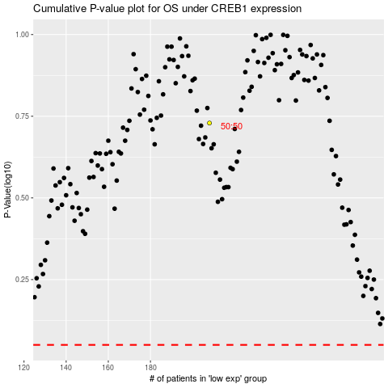

 |  |  |  |  |  | cases_OS | p_OS | rank | exp
 |  |  |  |  |  |  | cases_RFS | p_RFS | rank | exp

