CREB3L2 _multivariate
Reported by Tex Li-Hsing Chi. tex@gate.sinica.edu.tw 2019-08-20

Table 2. The clinicopathological features of HNSCC cohort and CREB3L2 expression. (Chi square test)
Cutoff at -0.118 (50.0%)
 |  | CREB3L2 expression |  | CREB3L2 expression |  | (Optimised)
 | Features | Low | (%) | High | (%) | Case no | P-value | Remark | Matthews
Gender | Female | 153 | 36.9 | 153 | 36.9 | 415 | 1 | 0 | 0
2 | Male | 54 | 13 | 55 | 13.3
Age at diagnosis | <=65y | 135 | 32.5 | 139 | 33.5 | 415 | 0.8084 | 0 | 0
4 | >65y | 72 | 17.3 | 69 | 16.6
Clinical T Status | T1+T2 | 77 | 18.6 | 72 | 17.3 | 415 | 0.6556 | 0 | 0
6 | T3+T4 | 130 | 31.3 | 136 | 32.8
Clinical N Status | N0 | 99 | 23.9 | 117 | 28.2 | 415 | 0.1054 | 0 | 0
8 | N1-3 | 108 | 26 | 91 | 21.9
Clinical M Status | M0 | 204 | 49.2 | 208 | 50.1 | 415 | 0.1232 | 0 | 0
10 | M1 | 3 | 0.7 | 0 | 0
Clinical Stage | Stage I+II | 46 | 11.1 | 56 | 13.5 | 415 | 0.3182 | 0 | 0
12 | Stage III+IV | 161 | 38.8 | 152 | 36.6
Surgical Margin status | Negative | 151 | 36.4 | 167 | 40.2 | 415 | 0.0828 | 0 | 0
14 | Positive | 56 | 13.5 | 41 | 9.9
Tobacco Exposure | Low | 83 | 20 | 78 | 18.8 | 415 | 0.6152 | 0 | 0
16 | High | 124 | 29.9 | 130 | 31.3

Table 3. Univariate/Multivariate Cox's proportional hazards regression analyses on OS time of CREB3L2 gene expression in HNSCC

 |  | Univariate |  |  |  | Multivariate
 | Features | HR | CI95%(L) | CI95%(H) | P-value | HR | CI95%(L) | CI95%(H) | P-value
1 | Female | 1 |  |  |  | 1
Gender | Male | 1.157 | 0.843 | 1.587 | 0.367 | 1.2 | 0.857 | 1.678 | 0.288
11 | <=65y | 1 |  |  |  | 1
Age at diagnosis | >65y | 1.329 | 0.99 | 1.784 | 0.058 | 1.389 | 1.021 | 1.891 | 0.037
12 | T1+T2 | 1 |  |  |  | 1
Clinical T Status | T3+T4 | 1.409 | 1.028 | 1.931 | 0.033 | 2.206 | 1.166 | 4.174 | 0.015
13 | N0 | 1 |  |  |  | 1
Clinical N Status | N1-3 | 1.185 | 0.89 | 1.577 | 0.246 | 1.238 | 0.865 | 1.771 | 0.243
14 | M0 | 1 |  |  |  | 1
Clinical M Status | M1 | 4.097 | 1.009 | 16.644 | 0.049 | 9.346 | 2.03 | 43.024 | 0.004
15 | Stage I+II | 1 |  |  |  | 1
Clinical Stage | Stage III+IV | 1.245 | 0.882 | 1.759 | 0.213 | 0.504 | 0.234 | 1.082 | 0.079
16 | Negative | 1 |  |  |  | 1
Surgical Margin status | Positive | 1.591 | 1.155 | 2.191 | 0.004 | 1.667 | 1.202 | 2.311 | 0.002
17 | Low | 1 |  |  |  | 1
Tobacco Exposure | High | 1.364 | 1.008 | 1.844 | 0.044 | 1.454 | 1.055 | 2.003 | 0.022
18 | Low | 1 |  |  |  | 1
RNAseq(z-score) | High | 0.88 | 0.661 | 1.172 | 0.382 | 0.983 | 0.729 | 1.326 | 0.912

Table 4. Univariate/Multivariate Cox's proportional hazards regression analyses on RFS time of CREB3L2 gene expression in HNSCC

 |  | Univariate |  |  |  | Multivariate
 | Features | HR | CI95%(L) | CI95%(H) | P-value | HR | CI95%(L) | CI95%(H) | P-value
1 | Female | 1 |  |  |  | 1
Gender | Male | 1.157 | 0.843 | 1.587 | 0.367 | 1.2 | 0.857 | 1.678 | 0.288
11 | <=65y | 1 |  |  |  | 1
Age at diagnosis | >65y | 1.329 | 0.99 | 1.784 | 0.058 | 1.389 | 1.021 | 1.891 | 0.037
12 | T1+T2 | 1 |  |  |  | 1
Clinical T Status | T3+T4 | 1.409 | 1.028 | 1.931 | 0.033 | 2.206 | 1.166 | 4.174 | 0.015
13 | N0 | 1 |  |  |  | 1
Clinical N Status | N1-3 | 1.185 | 0.89 | 1.577 | 0.246 | 1.238 | 0.865 | 1.771 | 0.243
14 | M0 | 1 |  |  |  | 1
Clinical M Status | M1 | 4.097 | 1.009 | 16.644 | 0.049 | 9.346 | 2.03 | 43.024 | 0.004
15 | Stage I+II | 1 |  |  |  | 1
Clinical Stage | Stage III+IV | 1.245 | 0.882 | 1.759 | 0.213 | 0.504 | 0.234 | 1.082 | 0.079
16 | Negative | 1 |  |  |  | 1
Surgical Margin status | Positive | 1.591 | 1.155 | 2.191 | 0.004 | 1.667 | 1.202 | 2.311 | 0.002
17 | Low | 1 |  |  |  | 1
Tobacco Exposure | High | 1.364 | 1.008 | 1.844 | 0.044 | 1.454 | 1.055 | 2.003 | 0.022
18 | Low | 1 |  |  |  | 1
RNAseq(z-score) | High | 0.88 | 0.661 | 1.172 | 0.382 | 0.983 | 0.729 | 1.326 | 0.912

Kaplan-Meier survival estimate: Cutoff at -0.118 (50.0%)



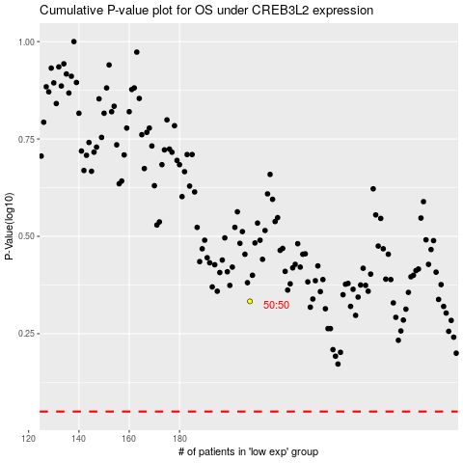

 |  |  |  |  |  | cases_OS | p_OS | rank | exp
 |  |  |  |  |  |  | cases_RFS | p_RFS | rank | exp

