CREBBP _multivariate
Reported by Tex Li-Hsing Chi. tex@gate.sinica.edu.tw 2019-08-20

Table 2. The clinicopathological features of HNSCC cohort and CREBBP expression. (Chi square test)
Cutoff at -0.078 (49.8%)
 |  | CREBBP expression |  | CREBBP expression |  | (Optimised)
 | Features | Low | (%) | High | (%) | Case no | P-value | Remark | Matthews
Gender | Female | 140 | 33.7 | 166 | 40 | 415 | 0.0068 | 1 | 0
2 | Male | 67 | 16.1 | 42 | 10.1
Age at diagnosis | <=65y | 136 | 32.8 | 138 | 33.3 | 415 | 0.9719 | 0 | 0
4 | >65y | 71 | 17.1 | 70 | 16.9
Clinical T Status | T1+T2 | 76 | 18.3 | 73 | 17.6 | 415 | 0.8092 | 0 | 0
6 | T3+T4 | 131 | 31.6 | 135 | 32.5
Clinical N Status | N0 | 115 | 27.7 | 101 | 24.3 | 415 | 0.184 | 1 | 0
8 | N1-3 | 92 | 22.2 | 107 | 25.8
Clinical M Status | M0 | 204 | 49.2 | 208 | 50.1 | 415 | 0.1232 | 0 | 0
10 | M1 | 3 | 0.7 | 0 | 0
Clinical Stage | Stage I+II | 56 | 13.5 | 46 | 11.1 | 415 | 0.2918 | 0 | 0
12 | Stage III+IV | 151 | 36.4 | 162 | 39
Surgical Margin status | Negative | 154 | 37.1 | 164 | 39.5 | 415 | 0.2984 | 0 | 0
14 | Positive | 53 | 12.8 | 44 | 10.6
Tobacco Exposure | Low | 90 | 21.7 | 71 | 17.1 | 415 | 0.0559 | 0 | 0
16 | High | 117 | 28.2 | 137 | 33

Table 3. Univariate/Multivariate Cox's proportional hazards regression analyses on OS time of CREBBP gene expression in HNSCC

 |  | Univariate |  |  |  | Multivariate
 | Features | HR | CI95%(L) | CI95%(H) | P-value | HR | CI95%(L) | CI95%(H) | P-value
1 | Female | 1 |  |  |  | 1
Gender | Male | 1.157 | 0.843 | 1.587 | 0.367 | 1.221 | 0.87 | 1.714 | 0.249
11 | <=65y | 1 |  |  |  | 1
Age at diagnosis | >65y | 1.329 | 0.99 | 1.784 | 0.058 | 1.393 | 1.024 | 1.894 | 0.035
12 | T1+T2 | 1 |  |  |  | 1
Clinical T Status | T3+T4 | 1.409 | 1.028 | 1.931 | 0.033 | 2.226 | 1.176 | 4.214 | 0.014
13 | N0 | 1 |  |  |  | 1
Clinical N Status | N1-3 | 1.185 | 0.89 | 1.577 | 0.246 | 1.242 | 0.87 | 1.772 | 0.233
14 | M0 | 1 |  |  |  | 1
Clinical M Status | M1 | 4.097 | 1.009 | 16.644 | 0.049 | 9.952 | 2.139 | 46.303 | 0.003
15 | Stage I+II | 1 |  |  |  | 1
Clinical Stage | Stage III+IV | 1.245 | 0.882 | 1.759 | 0.213 | 0.496 | 0.23 | 1.068 | 0.073
16 | Negative | 1 |  |  |  | 1
Surgical Margin status | Positive | 1.591 | 1.155 | 2.191 | 0.004 | 1.682 | 1.216 | 2.327 | 0.002
17 | Low | 1 |  |  |  | 1
Tobacco Exposure | High | 1.364 | 1.008 | 1.844 | 0.044 | 1.448 | 1.051 | 1.996 | 0.024
18 | Low | 1 |  |  |  | 1
RNAseq(z-score) | High | 1.016 | 0.762 | 1.353 | 0.915 | 1.084 | 0.804 | 1.46 | 0.597

Table 4. Univariate/Multivariate Cox's proportional hazards regression analyses on RFS time of CREBBP gene expression in HNSCC

 |  | Univariate |  |  |  | Multivariate
 | Features | HR | CI95%(L) | CI95%(H) | P-value | HR | CI95%(L) | CI95%(H) | P-value
1 | Female | 1 |  |  |  | 1
Gender | Male | 1.157 | 0.843 | 1.587 | 0.367 | 1.221 | 0.87 | 1.714 | 0.249
11 | <=65y | 1 |  |  |  | 1
Age at diagnosis | >65y | 1.329 | 0.99 | 1.784 | 0.058 | 1.393 | 1.024 | 1.894 | 0.035
12 | T1+T2 | 1 |  |  |  | 1
Clinical T Status | T3+T4 | 1.409 | 1.028 | 1.931 | 0.033 | 2.226 | 1.176 | 4.214 | 0.014
13 | N0 | 1 |  |  |  | 1
Clinical N Status | N1-3 | 1.185 | 0.89 | 1.577 | 0.246 | 1.242 | 0.87 | 1.772 | 0.233
14 | M0 | 1 |  |  |  | 1
Clinical M Status | M1 | 4.097 | 1.009 | 16.644 | 0.049 | 9.952 | 2.139 | 46.303 | 0.003
15 | Stage I+II | 1 |  |  |  | 1
Clinical Stage | Stage III+IV | 1.245 | 0.882 | 1.759 | 0.213 | 0.496 | 0.23 | 1.068 | 0.073
16 | Negative | 1 |  |  |  | 1
Surgical Margin status | Positive | 1.591 | 1.155 | 2.191 | 0.004 | 1.682 | 1.216 | 2.327 | 0.002
17 | Low | 1 |  |  |  | 1
Tobacco Exposure | High | 1.364 | 1.008 | 1.844 | 0.044 | 1.448 | 1.051 | 1.996 | 0.024
18 | Low | 1 |  |  |  | 1
RNAseq(z-score) | High | 1.016 | 0.762 | 1.353 | 0.915 | 1.084 | 0.804 | 1.46 | 0.597

Kaplan-Meier survival estimate: Cutoff at -0.078 (49.8%)



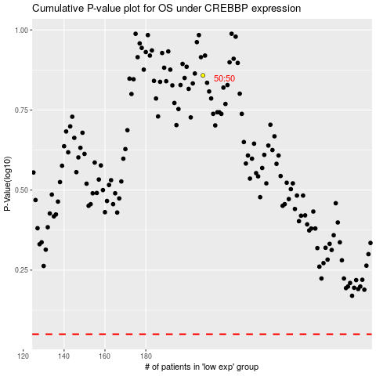

 |  |  |  |  |  | cases_OS | p_OS | rank | exp
 |  |  |  |  |  |  | cases_RFS | p_RFS | rank | exp

