CRELD2 _multivariate
Reported by Tex Li-Hsing Chi. tex@gate.sinica.edu.tw 2019-08-20

Table 2. The clinicopathological features of HNSCC cohort and CRELD2 expression. (Chi square test)
Cutoff at -0.15 (50.0%)
 |  | CRELD2 expression |  | CRELD2 expression |  | (Optimised)
 | Features | Low | (%) | High | (%) | Case no | P-value | Remark | Matthews
Gender | Female | 156 | 37.6 | 150 | 36.1 | 415 | 0.5222 | 0 | 0
2 | Male | 51 | 12.3 | 58 | 14
Age at diagnosis | <=65y | 136 | 32.8 | 138 | 33.3 | 415 | 0.9719 | 0 | 0
4 | >65y | 71 | 17.1 | 70 | 16.9
Clinical T Status | T1+T2 | 73 | 17.6 | 76 | 18.3 | 415 | 0.8666 | 0 | 0
6 | T3+T4 | 134 | 32.3 | 132 | 31.8
Clinical N Status | N0 | 103 | 24.8 | 113 | 27.2 | 415 | 0.4047 | 0 | 0
8 | N1-3 | 104 | 25.1 | 95 | 22.9
Clinical M Status | M0 | 206 | 49.6 | 206 | 49.6 | 415 | 1 | 0 | 0
10 | M1 | 1 | 0.2 | 2 | 0.5
Clinical Stage | Stage I+II | 45 | 10.8 | 57 | 13.7 | 415 | 0.2202 | 0 | 0
12 | Stage III+IV | 162 | 39 | 151 | 36.4
Surgical Margin status | Negative | 159 | 38.3 | 159 | 38.3 | 415 | 1 | 0 | 0
14 | Positive | 48 | 11.6 | 49 | 11.8
Tobacco Exposure | Low | 91 | 21.9 | 70 | 16.9 | 415 | 0.0346 | 1 | 0
16 | High | 116 | 28 | 138 | 33.3

Table 3. Univariate/Multivariate Cox's proportional hazards regression analyses on OS time of CRELD2 gene expression in HNSCC

 |  | Univariate |  |  |  | Multivariate
 | Features | HR | CI95%(L) | CI95%(H) | P-value | HR | CI95%(L) | CI95%(H) | P-value
1 | Female | 1 |  |  |  | 1
Gender | Male | 1.157 | 0.843 | 1.587 | 0.367 | 1.191 | 0.851 | 1.668 | 0.308
11 | <=65y | 1 |  |  |  | 1
Age at diagnosis | >65y | 1.329 | 0.99 | 1.784 | 0.058 | 1.389 | 1.022 | 1.889 | 0.036
12 | T1+T2 | 1 |  |  |  | 1
Clinical T Status | T3+T4 | 1.409 | 1.028 | 1.931 | 0.033 | 2.176 | 1.15 | 4.119 | 0.017
13 | N0 | 1 |  |  |  | 1
Clinical N Status | N1-3 | 1.185 | 0.89 | 1.577 | 0.246 | 1.241 | 0.87 | 1.772 | 0.233
14 | M0 | 1 |  |  |  | 1
Clinical M Status | M1 | 4.097 | 1.009 | 16.644 | 0.049 | 8.982 | 1.946 | 41.463 | 0.005
15 | Stage I+II | 1 |  |  |  | 1
Clinical Stage | Stage III+IV | 1.245 | 0.882 | 1.759 | 0.213 | 0.518 | 0.24 | 1.117 | 0.093
16 | Negative | 1 |  |  |  | 1
Surgical Margin status | Positive | 1.591 | 1.155 | 2.191 | 0.004 | 1.661 | 1.202 | 2.297 | 0.002
17 | Low | 1 |  |  |  | 1
Tobacco Exposure | High | 1.364 | 1.008 | 1.844 | 0.044 | 1.427 | 1.03 | 1.978 | 0.032
18 | Low | 1 |  |  |  | 1
RNAseq(z-score) | High | 1.193 | 0.895 | 1.59 | 0.228 | 1.097 | 0.816 | 1.475 | 0.539

Table 4. Univariate/Multivariate Cox's proportional hazards regression analyses on RFS time of CRELD2 gene expression in HNSCC

 |  | Univariate |  |  |  | Multivariate
 | Features | HR | CI95%(L) | CI95%(H) | P-value | HR | CI95%(L) | CI95%(H) | P-value
1 | Female | 1 |  |  |  | 1
Gender | Male | 1.157 | 0.843 | 1.587 | 0.367 | 1.191 | 0.851 | 1.668 | 0.308
11 | <=65y | 1 |  |  |  | 1
Age at diagnosis | >65y | 1.329 | 0.99 | 1.784 | 0.058 | 1.389 | 1.022 | 1.889 | 0.036
12 | T1+T2 | 1 |  |  |  | 1
Clinical T Status | T3+T4 | 1.409 | 1.028 | 1.931 | 0.033 | 2.176 | 1.15 | 4.119 | 0.017
13 | N0 | 1 |  |  |  | 1
Clinical N Status | N1-3 | 1.185 | 0.89 | 1.577 | 0.246 | 1.241 | 0.87 | 1.772 | 0.233
14 | M0 | 1 |  |  |  | 1
Clinical M Status | M1 | 4.097 | 1.009 | 16.644 | 0.049 | 8.982 | 1.946 | 41.463 | 0.005
15 | Stage I+II | 1 |  |  |  | 1
Clinical Stage | Stage III+IV | 1.245 | 0.882 | 1.759 | 0.213 | 0.518 | 0.24 | 1.117 | 0.093
16 | Negative | 1 |  |  |  | 1
Surgical Margin status | Positive | 1.591 | 1.155 | 2.191 | 0.004 | 1.661 | 1.202 | 2.297 | 0.002
17 | Low | 1 |  |  |  | 1
Tobacco Exposure | High | 1.364 | 1.008 | 1.844 | 0.044 | 1.427 | 1.03 | 1.978 | 0.032
18 | Low | 1 |  |  |  | 1
RNAseq(z-score) | High | 1.193 | 0.895 | 1.59 | 0.228 | 1.097 | 0.816 | 1.475 | 0.539

Kaplan-Meier survival estimate: Cutoff at -0.15 (50.0%)



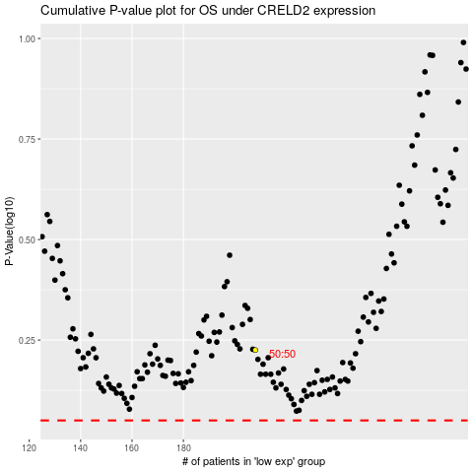

 |  |  |  |  |  | cases_OS | p_OS | rank | exp
 |  |  |  |  |  |  | cases_RFS | p_RFS | rank | exp

