CRISP3 _multivariate
Reported by Tex Li-Hsing Chi. tex@gate.sinica.edu.tw 2019-08-20

Table 2. The clinicopathological features of HNSCC cohort and CRISP3 expression. (Chi square test)
Cutoff at -0.176 (69.1%)
 |  | CRISP3 expression |  | CRISP3 expression |  | (Optimised)
 | Features | Low | (%) | High | (%) | Case no | P-value | Remark | Matthews
Gender | Female | 214 | 51.6 | 92 | 22.2 | 415 | 0.6497 | 0 | 0
2 | Male | 73 | 17.6 | 36 | 8.7
Age at diagnosis | <=65y | 186 | 44.8 | 88 | 21.2 | 415 | 0.5024 | 0 | 0
4 | >65y | 101 | 24.3 | 40 | 9.6
Clinical T Status | T1+T2 | 105 | 25.3 | 44 | 10.6 | 415 | 0.7469 | 0 | 0
6 | T3+T4 | 182 | 43.9 | 84 | 20.2
Clinical N Status | N0 | 142 | 34.2 | 74 | 17.8 | 415 | 0.1434 | 0 | 0
8 | N1-3 | 145 | 34.9 | 54 | 13
Clinical M Status | M0 | 284 | 68.4 | 128 | 30.8 | 415 | 0.5558 | 0 | 0
10 | M1 | 3 | 0.7 | 0 | 0
Clinical Stage | Stage I+II | 68 | 16.4 | 34 | 8.2 | 415 | 0.6146 | 0 | 0
12 | Stage III+IV | 219 | 52.8 | 94 | 22.7
Surgical Margin status | Negative | 217 | 52.3 | 101 | 24.3 | 415 | 0.5305 | 0 | 0
14 | Positive | 70 | 16.9 | 27 | 6.5
Tobacco Exposure | Low | 116 | 28 | 45 | 10.8 | 415 | 0.3279 | 0 | 0
16 | High | 171 | 41.2 | 83 | 20

Table 3. Univariate/Multivariate Cox's proportional hazards regression analyses on OS time of CRISP3 gene expression in HNSCC

 |  | Univariate |  |  |  | Multivariate
 | Features | HR | CI95%(L) | CI95%(H) | P-value | HR | CI95%(L) | CI95%(H) | P-value
1 | Female | 1 |  |  |  | 1
Gender | Male | 1.157 | 0.843 | 1.587 | 0.367 | 1.236 | 0.883 | 1.731 | 0.217
11 | <=65y | 1 |  |  |  | 1
Age at diagnosis | >65y | 1.329 | 0.99 | 1.784 | 0.058 | 1.409 | 1.035 | 1.918 | 0.029
12 | T1+T2 | 1 |  |  |  | 1
Clinical T Status | T3+T4 | 1.409 | 1.028 | 1.931 | 0.033 | 2.267 | 1.199 | 4.285 | 0.012
13 | N0 | 1 |  |  |  | 1
Clinical N Status | N1-3 | 1.185 | 0.89 | 1.577 | 0.246 | 1.192 | 0.833 | 1.705 | 0.338
14 | M0 | 1 |  |  |  | 1
Clinical M Status | M1 | 4.097 | 1.009 | 16.644 | 0.049 | 8.974 | 1.956 | 41.169 | 0.005
15 | Stage I+II | 1 |  |  |  | 1
Clinical Stage | Stage III+IV | 1.245 | 0.882 | 1.759 | 0.213 | 0.489 | 0.228 | 1.051 | 0.067
16 | Negative | 1 |  |  |  | 1
Surgical Margin status | Positive | 1.591 | 1.155 | 2.191 | 0.004 | 1.723 | 1.245 | 2.383 | 0.001
17 | Low | 1 |  |  |  | 1
Tobacco Exposure | High | 1.364 | 1.008 | 1.844 | 0.044 | 1.515 | 1.095 | 2.094 | 0.012
18 | Low | 1 |  |  |  | 1
RNAseq(z-score) | High | 0.717 | 0.514 | 1 | 0.05 | 0.67 | 0.478 | 0.941 | 0.021

Table 4. Univariate/Multivariate Cox's proportional hazards regression analyses on RFS time of CRISP3 gene expression in HNSCC

 |  | Univariate |  |  |  | Multivariate
 | Features | HR | CI95%(L) | CI95%(H) | P-value | HR | CI95%(L) | CI95%(H) | P-value
1 | Female | 1 |  |  |  | 1
Gender | Male | 1.157 | 0.843 | 1.587 | 0.367 | 1.236 | 0.883 | 1.731 | 0.217
11 | <=65y | 1 |  |  |  | 1
Age at diagnosis | >65y | 1.329 | 0.99 | 1.784 | 0.058 | 1.409 | 1.035 | 1.918 | 0.029
12 | T1+T2 | 1 |  |  |  | 1
Clinical T Status | T3+T4 | 1.409 | 1.028 | 1.931 | 0.033 | 2.267 | 1.199 | 4.285 | 0.012
13 | N0 | 1 |  |  |  | 1
Clinical N Status | N1-3 | 1.185 | 0.89 | 1.577 | 0.246 | 1.192 | 0.833 | 1.705 | 0.338
14 | M0 | 1 |  |  |  | 1
Clinical M Status | M1 | 4.097 | 1.009 | 16.644 | 0.049 | 8.974 | 1.956 | 41.169 | 0.005
15 | Stage I+II | 1 |  |  |  | 1
Clinical Stage | Stage III+IV | 1.245 | 0.882 | 1.759 | 0.213 | 0.489 | 0.228 | 1.051 | 0.067
16 | Negative | 1 |  |  |  | 1
Surgical Margin status | Positive | 1.591 | 1.155 | 2.191 | 0.004 | 1.723 | 1.245 | 2.383 | 0.001
17 | Low | 1 |  |  |  | 1
Tobacco Exposure | High | 1.364 | 1.008 | 1.844 | 0.044 | 1.515 | 1.095 | 2.094 | 0.012
18 | Low | 1 |  |  |  | 1
RNAseq(z-score) | High | 0.717 | 0.514 | 1 | 0.05 | 0.67 | 0.478 | 0.941 | 0.021

Kaplan-Meier survival estimate: Cutoff at -0.176 (69.1%)



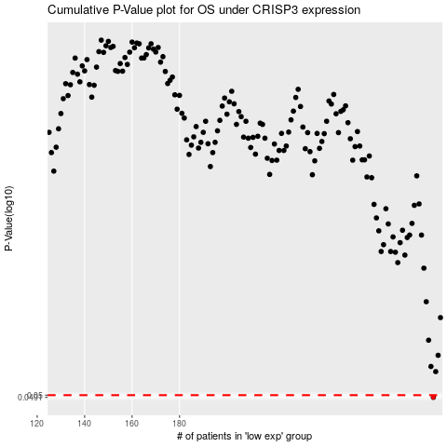

 |  |  |  |  |  | cases_OS | p_OS | rank | exp
 |  |  |  |  |  | 287 | 0.0491 | 149 | -0.17604085182
 |  |  |  |  |  |  | cases_RFS | p_RFS | rank | exp
 |  |  |  |  |  |  | 286 | 0.0491 | 373 | -0.17604442394

