CRISPLD1 _multivariate
Reported by Tex Li-Hsing Chi. tex@gate.sinica.edu.tw 2019-08-20

Table 2. The clinicopathological features of HNSCC cohort and CRISPLD1 expression. (Chi square test)
Cutoff at -0.275 (50.0%)
 |  | CRISPLD1 expression |  | CRISPLD1 expression |  | (Optimised)
 | Features | Low | (%) | High | (%) | Case no | P-value | Remark | Matthews
Gender | Female | 151 | 36.4 | 155 | 37.3 | 415 | 0.8007 | 0 | 0
2 | Male | 56 | 13.5 | 53 | 12.8
Age at diagnosis | <=65y | 141 | 34 | 133 | 32 | 415 | 0.4272 | 0 | 0
4 | >65y | 66 | 15.9 | 75 | 18.1
Clinical T Status | T1+T2 | 78 | 18.8 | 71 | 17.1 | 415 | 0.5152 | 0 | 0
6 | T3+T4 | 129 | 31.1 | 137 | 33
Clinical N Status | N0 | 109 | 26.3 | 107 | 25.8 | 415 | 0.8812 | 0 | 0
8 | N1-3 | 98 | 23.6 | 101 | 24.3
Clinical M Status | M0 | 204 | 49.2 | 208 | 50.1 | 415 | 0.1232 | 0 | 0
10 | M1 | 3 | 0.7 | 0 | 0
Clinical Stage | Stage I+II | 50 | 12 | 52 | 12.5 | 415 | 0.9315 | 0 | 0
12 | Stage III+IV | 157 | 37.8 | 156 | 37.6
Surgical Margin status | Negative | 153 | 36.9 | 165 | 39.8 | 415 | 0.2036 | 0 | 0
14 | Positive | 54 | 13 | 43 | 10.4
Tobacco Exposure | Low | 85 | 20.5 | 76 | 18.3 | 415 | 0.3655 | 0 | 0
16 | High | 122 | 29.4 | 132 | 31.8

Table 3. Univariate/Multivariate Cox's proportional hazards regression analyses on OS time of CRISPLD1 gene expression in HNSCC

 |  | Univariate |  |  |  | Multivariate
 | Features | HR | CI95%(L) | CI95%(H) | P-value | HR | CI95%(L) | CI95%(H) | P-value
1 | Female | 1 |  |  |  | 1
Gender | Male | 1.157 | 0.843 | 1.587 | 0.367 | 1.199 | 0.857 | 1.677 | 0.29
11 | <=65y | 1 |  |  |  | 1
Age at diagnosis | >65y | 1.329 | 0.99 | 1.784 | 0.058 | 1.388 | 1.021 | 1.887 | 0.036
12 | T1+T2 | 1 |  |  |  | 1
Clinical T Status | T3+T4 | 1.409 | 1.028 | 1.931 | 0.033 | 2.264 | 1.195 | 4.288 | 0.012
13 | N0 | 1 |  |  |  | 1
Clinical N Status | N1-3 | 1.185 | 0.89 | 1.577 | 0.246 | 1.255 | 0.879 | 1.79 | 0.211
14 | M0 | 1 |  |  |  | 1
Clinical M Status | M1 | 4.097 | 1.009 | 16.644 | 0.049 | 8.913 | 1.937 | 41.007 | 0.005
15 | Stage I+II | 1 |  |  |  | 1
Clinical Stage | Stage III+IV | 1.245 | 0.882 | 1.759 | 0.213 | 0.491 | 0.228 | 1.055 | 0.068
16 | Negative | 1 |  |  |  | 1
Surgical Margin status | Positive | 1.591 | 1.155 | 2.191 | 0.004 | 1.681 | 1.216 | 2.323 | 0.002
17 | Low | 1 |  |  |  | 1
Tobacco Exposure | High | 1.364 | 1.008 | 1.844 | 0.044 | 1.456 | 1.055 | 2.009 | 0.022
18 | Low | 1 |  |  |  | 1
RNAseq(z-score) | High | 0.884 | 0.664 | 1.178 | 0.4 | 0.861 | 0.644 | 1.15 | 0.31

Table 4. Univariate/Multivariate Cox's proportional hazards regression analyses on RFS time of CRISPLD1 gene expression in HNSCC

 |  | Univariate |  |  |  | Multivariate
 | Features | HR | CI95%(L) | CI95%(H) | P-value | HR | CI95%(L) | CI95%(H) | P-value
1 | Female | 1 |  |  |  | 1
Gender | Male | 1.157 | 0.843 | 1.587 | 0.367 | 1.199 | 0.857 | 1.677 | 0.29
11 | <=65y | 1 |  |  |  | 1
Age at diagnosis | >65y | 1.329 | 0.99 | 1.784 | 0.058 | 1.388 | 1.021 | 1.887 | 0.036
12 | T1+T2 | 1 |  |  |  | 1
Clinical T Status | T3+T4 | 1.409 | 1.028 | 1.931 | 0.033 | 2.264 | 1.195 | 4.288 | 0.012
13 | N0 | 1 |  |  |  | 1
Clinical N Status | N1-3 | 1.185 | 0.89 | 1.577 | 0.246 | 1.255 | 0.879 | 1.79 | 0.211
14 | M0 | 1 |  |  |  | 1
Clinical M Status | M1 | 4.097 | 1.009 | 16.644 | 0.049 | 8.913 | 1.937 | 41.007 | 0.005
15 | Stage I+II | 1 |  |  |  | 1
Clinical Stage | Stage III+IV | 1.245 | 0.882 | 1.759 | 0.213 | 0.491 | 0.228 | 1.055 | 0.068
16 | Negative | 1 |  |  |  | 1
Surgical Margin status | Positive | 1.591 | 1.155 | 2.191 | 0.004 | 1.681 | 1.216 | 2.323 | 0.002
17 | Low | 1 |  |  |  | 1
Tobacco Exposure | High | 1.364 | 1.008 | 1.844 | 0.044 | 1.456 | 1.055 | 2.009 | 0.022
18 | Low | 1 |  |  |  | 1
RNAseq(z-score) | High | 0.884 | 0.664 | 1.178 | 0.4 | 0.861 | 0.644 | 1.15 | 0.31

Kaplan-Meier survival estimate: Cutoff at -0.275 (50.0%)



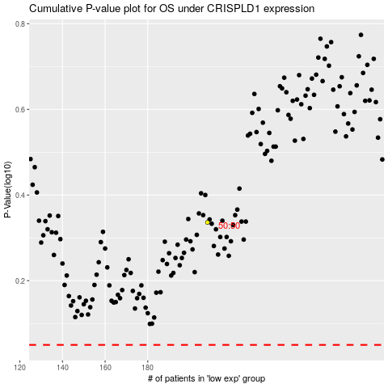

 |  |  |  |  |  | cases_OS | p_OS | rank | exp
 |  |  |  |  |  |  | cases_RFS | p_RFS | rank | exp

