CRISPLD2 _multivariate
Reported by Tex Li-Hsing Chi. tex@gate.sinica.edu.tw 2019-08-20

Table 2. The clinicopathological features of HNSCC cohort and CRISPLD2 expression. (Chi square test)
Cutoff at -0.245 (50.0%)
 |  | CRISPLD2 expression |  | CRISPLD2 expression |  | (Optimised)
 | Features | Low | (%) | High | (%) | Case no | P-value | Remark | Matthews
Gender | Female | 152 | 36.6 | 154 | 37.1 | 415 | 0.9766 | 0 | 0
2 | Male | 55 | 13.3 | 54 | 13
Age at diagnosis | <=65y | 139 | 33.5 | 135 | 32.5 | 415 | 0.7044 | 0 | 0
4 | >65y | 68 | 16.4 | 73 | 17.6
Clinical T Status | T1+T2 | 84 | 20.2 | 65 | 15.7 | 415 | 0.0603 | 0 | 0
6 | T3+T4 | 123 | 29.6 | 143 | 34.5
Clinical N Status | N0 | 101 | 24.3 | 115 | 27.7 | 415 | 0.2201 | 0 | 0
8 | N1-3 | 106 | 25.5 | 93 | 22.4
Clinical M Status | M0 | 204 | 49.2 | 208 | 50.1 | 415 | 0.1232 | 0 | 0
10 | M1 | 3 | 0.7 | 0 | 0
Clinical Stage | Stage I+II | 53 | 12.8 | 49 | 11.8 | 415 | 0.7113 | 0 | 0
12 | Stage III+IV | 154 | 37.1 | 159 | 38.3
Surgical Margin status | Negative | 155 | 37.3 | 163 | 39.3 | 415 | 0.4187 | 0 | 0
14 | Positive | 52 | 12.5 | 45 | 10.8
Tobacco Exposure | Low | 87 | 21 | 74 | 17.8 | 415 | 0.1911 | 0 | 0
16 | High | 120 | 28.9 | 134 | 32.3

Table 3. Univariate/Multivariate Cox's proportional hazards regression analyses on OS time of CRISPLD2 gene expression in HNSCC

 |  | Univariate |  |  |  | Multivariate
 | Features | HR | CI95%(L) | CI95%(H) | P-value | HR | CI95%(L) | CI95%(H) | P-value
1 | Female | 1 |  |  |  | 1
Gender | Male | 1.157 | 0.843 | 1.587 | 0.367 | 1.202 | 0.86 | 1.679 | 0.282
11 | <=65y | 1 |  |  |  | 1
Age at diagnosis | >65y | 1.329 | 0.99 | 1.784 | 0.058 | 1.393 | 1.025 | 1.894 | 0.034
12 | T1+T2 | 1 |  |  |  | 1
Clinical T Status | T3+T4 | 1.409 | 1.028 | 1.931 | 0.033 | 2.231 | 1.177 | 4.229 | 0.014
13 | N0 | 1 |  |  |  | 1
Clinical N Status | N1-3 | 1.185 | 0.89 | 1.577 | 0.246 | 1.233 | 0.863 | 1.761 | 0.25
14 | M0 | 1 |  |  |  | 1
Clinical M Status | M1 | 4.097 | 1.009 | 16.644 | 0.049 | 9.221 | 2.007 | 42.365 | 0.004
15 | Stage I+II | 1 |  |  |  | 1
Clinical Stage | Stage III+IV | 1.245 | 0.882 | 1.759 | 0.213 | 0.498 | 0.232 | 1.071 | 0.075
16 | Negative | 1 |  |  |  | 1
Surgical Margin status | Positive | 1.591 | 1.155 | 2.191 | 0.004 | 1.679 | 1.214 | 2.322 | 0.002
17 | Low | 1 |  |  |  | 1
Tobacco Exposure | High | 1.364 | 1.008 | 1.844 | 0.044 | 1.464 | 1.061 | 2.021 | 0.02
18 | Low | 1 |  |  |  | 1
RNAseq(z-score) | High | 0.964 | 0.724 | 1.284 | 0.803 | 0.931 | 0.695 | 1.247 | 0.629

Table 4. Univariate/Multivariate Cox's proportional hazards regression analyses on RFS time of CRISPLD2 gene expression in HNSCC

 |  | Univariate |  |  |  | Multivariate
 | Features | HR | CI95%(L) | CI95%(H) | P-value | HR | CI95%(L) | CI95%(H) | P-value
1 | Female | 1 |  |  |  | 1
Gender | Male | 1.157 | 0.843 | 1.587 | 0.367 | 1.202 | 0.86 | 1.679 | 0.282
11 | <=65y | 1 |  |  |  | 1
Age at diagnosis | >65y | 1.329 | 0.99 | 1.784 | 0.058 | 1.393 | 1.025 | 1.894 | 0.034
12 | T1+T2 | 1 |  |  |  | 1
Clinical T Status | T3+T4 | 1.409 | 1.028 | 1.931 | 0.033 | 2.231 | 1.177 | 4.229 | 0.014
13 | N0 | 1 |  |  |  | 1
Clinical N Status | N1-3 | 1.185 | 0.89 | 1.577 | 0.246 | 1.233 | 0.863 | 1.761 | 0.25
14 | M0 | 1 |  |  |  | 1
Clinical M Status | M1 | 4.097 | 1.009 | 16.644 | 0.049 | 9.221 | 2.007 | 42.365 | 0.004
15 | Stage I+II | 1 |  |  |  | 1
Clinical Stage | Stage III+IV | 1.245 | 0.882 | 1.759 | 0.213 | 0.498 | 0.232 | 1.071 | 0.075
16 | Negative | 1 |  |  |  | 1
Surgical Margin status | Positive | 1.591 | 1.155 | 2.191 | 0.004 | 1.679 | 1.214 | 2.322 | 0.002
17 | Low | 1 |  |  |  | 1
Tobacco Exposure | High | 1.364 | 1.008 | 1.844 | 0.044 | 1.464 | 1.061 | 2.021 | 0.02
18 | Low | 1 |  |  |  | 1
RNAseq(z-score) | High | 0.964 | 0.724 | 1.284 | 0.803 | 0.931 | 0.695 | 1.247 | 0.629

Kaplan-Meier survival estimate: Cutoff at -0.245 (50.0%)



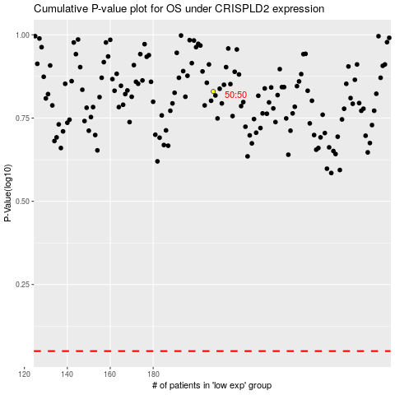

 |  |  |  |  |  | cases_OS | p_OS | rank | exp
 |  |  |  |  |  |  | cases_RFS | p_RFS | rank | exp

