CRMP1 _multivariate
Reported by Tex Li-Hsing Chi. tex@gate.sinica.edu.tw 2019-08-20

Table 2. The clinicopathological features of HNSCC cohort and CRMP1 expression. (Chi square test)
Cutoff at -0.417 (49.8%)
 |  | CRMP1 expression |  | CRMP1 expression |  | (Optimised)
 | Features | Low | (%) | High | (%) | Case no | P-value | Remark | Matthews
Gender | Female | 146 | 35.2 | 160 | 38.6 | 415 | 0.1714 | 0 | 0
2 | Male | 61 | 14.7 | 48 | 11.6
Age at diagnosis | <=65y | 131 | 31.6 | 143 | 34.5 | 415 | 0.2839 | 0 | 0
4 | >65y | 76 | 18.3 | 65 | 15.7
Clinical T Status | T1+T2 | 78 | 18.8 | 71 | 17.1 | 415 | 0.5152 | 0 | 0
6 | T3+T4 | 129 | 31.1 | 137 | 33
Clinical N Status | N0 | 98 | 23.6 | 118 | 28.4 | 415 | 0.0694 | 0 | 0
8 | N1-3 | 109 | 26.3 | 90 | 21.7
Clinical M Status | M0 | 206 | 49.6 | 206 | 49.6 | 415 | 1 | 0 | 0
10 | M1 | 1 | 0.2 | 2 | 0.5
Clinical Stage | Stage I+II | 51 | 12.3 | 51 | 12.3 | 415 | 1 | 0 | 0
12 | Stage III+IV | 156 | 37.6 | 157 | 37.8
Surgical Margin status | Negative | 158 | 38.1 | 160 | 38.6 | 415 | 0.9081 | 0 | 0
14 | Positive | 49 | 11.8 | 48 | 11.6
Tobacco Exposure | Low | 91 | 21.9 | 70 | 16.9 | 415 | 0.0346 | 1 | 0
16 | High | 116 | 28 | 138 | 33.3

Table 3. Univariate/Multivariate Cox's proportional hazards regression analyses on OS time of CRMP1 gene expression in HNSCC

 |  | Univariate |  |  |  | Multivariate
 | Features | HR | CI95%(L) | CI95%(H) | P-value | HR | CI95%(L) | CI95%(H) | P-value
1 | Female | 1 |  |  |  | 1
Gender | Male | 1.157 | 0.843 | 1.587 | 0.367 | 1.206 | 0.864 | 1.684 | 0.272
11 | <=65y | 1 |  |  |  | 1
Age at diagnosis | >65y | 1.329 | 0.99 | 1.784 | 0.058 | 1.359 | 0.998 | 1.85 | 0.052
12 | T1+T2 | 1 |  |  |  | 1
Clinical T Status | T3+T4 | 1.409 | 1.028 | 1.931 | 0.033 | 2.277 | 1.203 | 4.31 | 0.012
13 | N0 | 1 |  |  |  | 1
Clinical N Status | N1-3 | 1.185 | 0.89 | 1.577 | 0.246 | 1.204 | 0.842 | 1.721 | 0.309
14 | M0 | 1 |  |  |  | 1
Clinical M Status | M1 | 4.097 | 1.009 | 16.644 | 0.049 | 9.925 | 2.16 | 45.608 | 0.003
15 | Stage I+II | 1 |  |  |  | 1
Clinical Stage | Stage III+IV | 1.245 | 0.882 | 1.759 | 0.213 | 0.504 | 0.235 | 1.083 | 0.079
16 | Negative | 1 |  |  |  | 1
Surgical Margin status | Positive | 1.591 | 1.155 | 2.191 | 0.004 | 1.671 | 1.209 | 2.309 | 0.002
17 | Low | 1 |  |  |  | 1
Tobacco Exposure | High | 1.364 | 1.008 | 1.844 | 0.044 | 1.489 | 1.078 | 2.057 | 0.016
18 | Low | 1 |  |  |  | 1
RNAseq(z-score) | High | 0.825 | 0.619 | 1.099 | 0.189 | 0.8 | 0.596 | 1.073 | 0.137

Table 4. Univariate/Multivariate Cox's proportional hazards regression analyses on RFS time of CRMP1 gene expression in HNSCC

 |  | Univariate |  |  |  | Multivariate
 | Features | HR | CI95%(L) | CI95%(H) | P-value | HR | CI95%(L) | CI95%(H) | P-value
1 | Female | 1 |  |  |  | 1
Gender | Male | 1.157 | 0.843 | 1.587 | 0.367 | 1.206 | 0.864 | 1.684 | 0.272
11 | <=65y | 1 |  |  |  | 1
Age at diagnosis | >65y | 1.329 | 0.99 | 1.784 | 0.058 | 1.359 | 0.998 | 1.85 | 0.052
12 | T1+T2 | 1 |  |  |  | 1
Clinical T Status | T3+T4 | 1.409 | 1.028 | 1.931 | 0.033 | 2.277 | 1.203 | 4.31 | 0.012
13 | N0 | 1 |  |  |  | 1
Clinical N Status | N1-3 | 1.185 | 0.89 | 1.577 | 0.246 | 1.204 | 0.842 | 1.721 | 0.309
14 | M0 | 1 |  |  |  | 1
Clinical M Status | M1 | 4.097 | 1.009 | 16.644 | 0.049 | 9.925 | 2.16 | 45.608 | 0.003
15 | Stage I+II | 1 |  |  |  | 1
Clinical Stage | Stage III+IV | 1.245 | 0.882 | 1.759 | 0.213 | 0.504 | 0.235 | 1.083 | 0.079
16 | Negative | 1 |  |  |  | 1
Surgical Margin status | Positive | 1.591 | 1.155 | 2.191 | 0.004 | 1.671 | 1.209 | 2.309 | 0.002
17 | Low | 1 |  |  |  | 1
Tobacco Exposure | High | 1.364 | 1.008 | 1.844 | 0.044 | 1.489 | 1.078 | 2.057 | 0.016
18 | Low | 1 |  |  |  | 1
RNAseq(z-score) | High | 0.825 | 0.619 | 1.099 | 0.189 | 0.8 | 0.596 | 1.073 | 0.137

Kaplan-Meier survival estimate: Cutoff at -0.417 (49.8%)



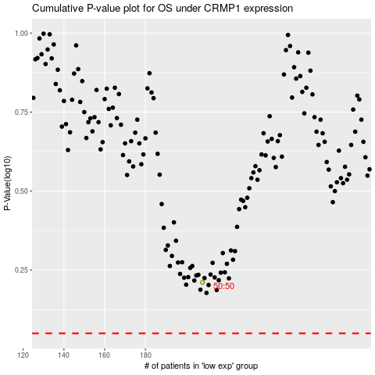

 |  |  |  |  |  | cases_OS | p_OS | rank | exp
 |  |  |  |  |  |  | cases_RFS | p_RFS | rank | exp

