CROCC _multivariate
Reported by Tex Li-Hsing Chi. tex@gate.sinica.edu.tw 2019-08-20

Table 2. The clinicopathological features of HNSCC cohort and CROCC expression. (Chi square test)
Cutoff at -0.295 (49.8%)
 |  | CROCC expression |  | CROCC expression |  | (Optimised)
 | Features | Low | (%) | High | (%) | Case no | P-value | Remark | Matthews
Gender | Female | 142 | 34.2 | 164 | 39.5 | 415 | 0.0238 | 1 | 0
2 | Male | 65 | 15.7 | 44 | 10.6
Age at diagnosis | <=65y | 134 | 32.3 | 140 | 33.7 | 415 | 0.6529 | 0 | 0
4 | >65y | 73 | 17.6 | 68 | 16.4
Clinical T Status | T1+T2 | 80 | 19.3 | 69 | 16.6 | 415 | 0.2891 | 0 | 0
6 | T3+T4 | 127 | 30.6 | 139 | 33.5
Clinical N Status | N0 | 103 | 24.8 | 113 | 27.2 | 415 | 0.4047 | 0 | 0
8 | N1-3 | 104 | 25.1 | 95 | 22.9
Clinical M Status | M0 | 205 | 49.4 | 207 | 49.9 | 415 | 0.6232 | 0 | 0
10 | M1 | 2 | 0.5 | 1 | 0.2
Clinical Stage | Stage I+II | 59 | 14.2 | 43 | 10.4 | 415 | 0.0822 | 0 | 0
12 | Stage III+IV | 148 | 35.7 | 165 | 39.8
Surgical Margin status | Negative | 163 | 39.3 | 155 | 37.3 | 415 | 0.3537 | 0 | 0
14 | Positive | 44 | 10.6 | 53 | 12.8
Tobacco Exposure | Low | 90 | 21.7 | 71 | 17.1 | 415 | 0.0559 | 0 | 0
16 | High | 117 | 28.2 | 137 | 33

Table 3. Univariate/Multivariate Cox's proportional hazards regression analyses on OS time of CROCC gene expression in HNSCC

 |  | Univariate |  |  |  | Multivariate
 | Features | HR | CI95%(L) | CI95%(H) | P-value | HR | CI95%(L) | CI95%(H) | P-value
1 | Female | 1 |  |  |  | 1
Gender | Male | 1.157 | 0.843 | 1.587 | 0.367 | 1.151 | 0.821 | 1.613 | 0.416
11 | <=65y | 1 |  |  |  | 1
Age at diagnosis | >65y | 1.329 | 0.99 | 1.784 | 0.058 | 1.386 | 1.019 | 1.885 | 0.037
12 | T1+T2 | 1 |  |  |  | 1
Clinical T Status | T3+T4 | 1.409 | 1.028 | 1.931 | 0.033 | 2.2 | 1.163 | 4.159 | 0.015
13 | N0 | 1 |  |  |  | 1
Clinical N Status | N1-3 | 1.185 | 0.89 | 1.577 | 0.246 | 1.217 | 0.853 | 1.737 | 0.279
14 | M0 | 1 |  |  |  | 1
Clinical M Status | M1 | 4.097 | 1.009 | 16.644 | 0.049 | 8.597 | 1.87 | 39.528 | 0.006
15 | Stage I+II | 1 |  |  |  | 1
Clinical Stage | Stage III+IV | 1.245 | 0.882 | 1.759 | 0.213 | 0.531 | 0.247 | 1.144 | 0.106
16 | Negative | 1 |  |  |  | 1
Surgical Margin status | Positive | 1.591 | 1.155 | 2.191 | 0.004 | 1.704 | 1.233 | 2.356 | 0.001
17 | Low | 1 |  |  |  | 1
Tobacco Exposure | High | 1.364 | 1.008 | 1.844 | 0.044 | 1.508 | 1.091 | 2.086 | 0.013
18 | Low | 1 |  |  |  | 1
RNAseq(z-score) | High | 0.811 | 0.608 | 1.083 | 0.156 | 0.766 | 0.566 | 1.037 | 0.084

Table 4. Univariate/Multivariate Cox's proportional hazards regression analyses on RFS time of CROCC gene expression in HNSCC

 |  | Univariate |  |  |  | Multivariate
 | Features | HR | CI95%(L) | CI95%(H) | P-value | HR | CI95%(L) | CI95%(H) | P-value
1 | Female | 1 |  |  |  | 1
Gender | Male | 1.157 | 0.843 | 1.587 | 0.367 | 1.151 | 0.821 | 1.613 | 0.416
11 | <=65y | 1 |  |  |  | 1
Age at diagnosis | >65y | 1.329 | 0.99 | 1.784 | 0.058 | 1.386 | 1.019 | 1.885 | 0.037
12 | T1+T2 | 1 |  |  |  | 1
Clinical T Status | T3+T4 | 1.409 | 1.028 | 1.931 | 0.033 | 2.2 | 1.163 | 4.159 | 0.015
13 | N0 | 1 |  |  |  | 1
Clinical N Status | N1-3 | 1.185 | 0.89 | 1.577 | 0.246 | 1.217 | 0.853 | 1.737 | 0.279
14 | M0 | 1 |  |  |  | 1
Clinical M Status | M1 | 4.097 | 1.009 | 16.644 | 0.049 | 8.597 | 1.87 | 39.528 | 0.006
15 | Stage I+II | 1 |  |  |  | 1
Clinical Stage | Stage III+IV | 1.245 | 0.882 | 1.759 | 0.213 | 0.531 | 0.247 | 1.144 | 0.106
16 | Negative | 1 |  |  |  | 1
Surgical Margin status | Positive | 1.591 | 1.155 | 2.191 | 0.004 | 1.704 | 1.233 | 2.356 | 0.001
17 | Low | 1 |  |  |  | 1
Tobacco Exposure | High | 1.364 | 1.008 | 1.844 | 0.044 | 1.508 | 1.091 | 2.086 | 0.013
18 | Low | 1 |  |  |  | 1
RNAseq(z-score) | High | 0.811 | 0.608 | 1.083 | 0.156 | 0.766 | 0.566 | 1.037 | 0.084

Kaplan-Meier survival estimate: Cutoff at -0.295 (49.8%)



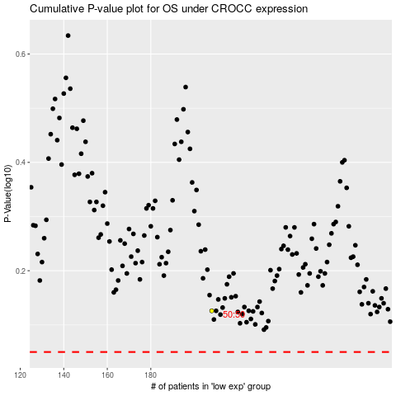

 |  |  |  |  |  | cases_OS | p_OS | rank | exp
 |  |  |  |  |  |  | cases_RFS | p_RFS | rank | exp

