CRTC2 _multivariate
Reported by Tex Li-Hsing Chi. tex@gate.sinica.edu.tw 2019-08-20

Table 2. The clinicopathological features of HNSCC cohort and CRTC2 expression. (Chi square test)
Cutoff at -0.126 (50.0%)
 |  | CRTC2 expression |  | CRTC2 expression |  | (Optimised)
 | Features | Low | (%) | High | (%) | Case no | P-value | Remark | Matthews
Gender | Female | 147 | 35.4 | 159 | 38.3 | 415 | 0.2523 | 0 | 0
2 | Male | 60 | 14.5 | 49 | 11.8
Age at diagnosis | <=65y | 131 | 31.6 | 143 | 34.5 | 415 | 0.2839 | 0 | 0
4 | >65y | 76 | 18.3 | 65 | 15.7
Clinical T Status | T1+T2 | 79 | 19 | 70 | 16.9 | 415 | 0.3924 | 0 | 0
6 | T3+T4 | 128 | 30.8 | 138 | 33.3
Clinical N Status | N0 | 121 | 29.2 | 95 | 22.9 | 415 | 0.0122 | 1 | 0
8 | N1-3 | 86 | 20.7 | 113 | 27.2
Clinical M Status | M0 | 206 | 49.6 | 206 | 49.6 | 415 | 1 | 0 | 0
10 | M1 | 1 | 0.2 | 2 | 0.5
Clinical Stage | Stage I+II | 60 | 14.5 | 42 | 10.1 | 415 | 0.0493 | 1 | 0
12 | Stage III+IV | 147 | 35.4 | 166 | 40
Surgical Margin status | Negative | 158 | 38.1 | 160 | 38.6 | 415 | 0.9081 | 0 | 0
14 | Positive | 49 | 11.8 | 48 | 11.6
Tobacco Exposure | Low | 91 | 21.9 | 70 | 16.9 | 415 | 0.0346 | 1 | 0
16 | High | 116 | 28 | 138 | 33.3

Table 3. Univariate/Multivariate Cox's proportional hazards regression analyses on OS time of CRTC2 gene expression in HNSCC

 |  | Univariate |  |  |  | Multivariate
 | Features | HR | CI95%(L) | CI95%(H) | P-value | HR | CI95%(L) | CI95%(H) | P-value
1 | Female | 1 |  |  |  | 1
Gender | Male | 1.157 | 0.843 | 1.587 | 0.367 | 1.186 | 0.848 | 1.659 | 0.319
11 | <=65y | 1 |  |  |  | 1
Age at diagnosis | >65y | 1.329 | 0.99 | 1.784 | 0.058 | 1.403 | 1.032 | 1.908 | 0.031
12 | T1+T2 | 1 |  |  |  | 1
Clinical T Status | T3+T4 | 1.409 | 1.028 | 1.931 | 0.033 | 2.194 | 1.16 | 4.149 | 0.016
13 | N0 | 1 |  |  |  | 1
Clinical N Status | N1-3 | 1.185 | 0.89 | 1.577 | 0.246 | 1.287 | 0.897 | 1.846 | 0.171
14 | M0 | 1 |  |  |  | 1
Clinical M Status | M1 | 4.097 | 1.009 | 16.644 | 0.049 | 9.656 | 2.106 | 44.282 | 0.004
15 | Stage I+II | 1 |  |  |  | 1
Clinical Stage | Stage III+IV | 1.245 | 0.882 | 1.759 | 0.213 | 0.509 | 0.237 | 1.093 | 0.083
16 | Negative | 1 |  |  |  | 1
Surgical Margin status | Positive | 1.591 | 1.155 | 2.191 | 0.004 | 1.675 | 1.212 | 2.315 | 0.002
17 | Low | 1 |  |  |  | 1
Tobacco Exposure | High | 1.364 | 1.008 | 1.844 | 0.044 | 1.469 | 1.065 | 2.025 | 0.019
18 | Low | 1 |  |  |  | 1
RNAseq(z-score) | High | 0.911 | 0.683 | 1.215 | 0.525 | 0.842 | 0.625 | 1.135 | 0.259

Table 4. Univariate/Multivariate Cox's proportional hazards regression analyses on RFS time of CRTC2 gene expression in HNSCC

 |  | Univariate |  |  |  | Multivariate
 | Features | HR | CI95%(L) | CI95%(H) | P-value | HR | CI95%(L) | CI95%(H) | P-value
1 | Female | 1 |  |  |  | 1
Gender | Male | 1.157 | 0.843 | 1.587 | 0.367 | 1.186 | 0.848 | 1.659 | 0.319
11 | <=65y | 1 |  |  |  | 1
Age at diagnosis | >65y | 1.329 | 0.99 | 1.784 | 0.058 | 1.403 | 1.032 | 1.908 | 0.031
12 | T1+T2 | 1 |  |  |  | 1
Clinical T Status | T3+T4 | 1.409 | 1.028 | 1.931 | 0.033 | 2.194 | 1.16 | 4.149 | 0.016
13 | N0 | 1 |  |  |  | 1
Clinical N Status | N1-3 | 1.185 | 0.89 | 1.577 | 0.246 | 1.287 | 0.897 | 1.846 | 0.171
14 | M0 | 1 |  |  |  | 1
Clinical M Status | M1 | 4.097 | 1.009 | 16.644 | 0.049 | 9.656 | 2.106 | 44.282 | 0.004
15 | Stage I+II | 1 |  |  |  | 1
Clinical Stage | Stage III+IV | 1.245 | 0.882 | 1.759 | 0.213 | 0.509 | 0.237 | 1.093 | 0.083
16 | Negative | 1 |  |  |  | 1
Surgical Margin status | Positive | 1.591 | 1.155 | 2.191 | 0.004 | 1.675 | 1.212 | 2.315 | 0.002
17 | Low | 1 |  |  |  | 1
Tobacco Exposure | High | 1.364 | 1.008 | 1.844 | 0.044 | 1.469 | 1.065 | 2.025 | 0.019
18 | Low | 1 |  |  |  | 1
RNAseq(z-score) | High | 0.911 | 0.683 | 1.215 | 0.525 | 0.842 | 0.625 | 1.135 | 0.259

Kaplan-Meier survival estimate: Cutoff at -0.126 (50.0%)



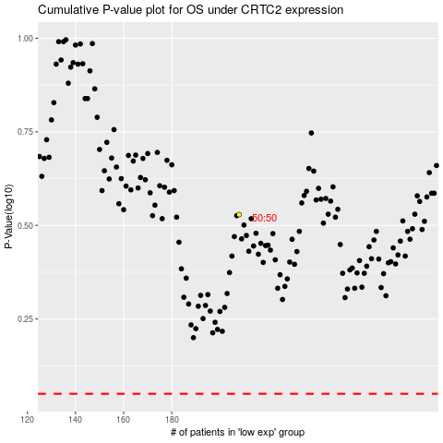

 |  |  |  |  |  | cases_OS | p_OS | rank | exp
 |  |  |  |  |  |  | cases_RFS | p_RFS | rank | exp

