CRY1 _multivariate
Reported by Tex Li-Hsing Chi. tex@gate.sinica.edu.tw 2019-08-20

Table 2. The clinicopathological features of HNSCC cohort and CRY1 expression. (Chi square test)
Cutoff at -0.163 (50.0%)
 |  | CRY1 expression |  | CRY1 expression |  | (Optimised)
 | Features | Low | (%) | High | (%) | Case no | P-value | Remark | Matthews
Gender | Female | 145 | 34.9 | 161 | 38.8 | 415 | 0.1116 | 0 | 0
2 | Male | 62 | 14.9 | 47 | 11.3
Age at diagnosis | <=65y | 137 | 33 | 137 | 33 | 415 | 1 | 0 | 0
4 | >65y | 70 | 16.9 | 71 | 17.1
Clinical T Status | T1+T2 | 79 | 19 | 70 | 16.9 | 415 | 0.3924 | 0 | 0
6 | T3+T4 | 128 | 30.8 | 138 | 33.3
Clinical N Status | N0 | 118 | 28.4 | 98 | 23.6 | 415 | 0.0551 | 1 | 0
8 | N1-3 | 89 | 21.4 | 110 | 26.5
Clinical M Status | M0 | 204 | 49.2 | 208 | 50.1 | 415 | 0.1232 | 0 | 0
10 | M1 | 3 | 0.7 | 0 | 0
Clinical Stage | Stage I+II | 59 | 14.2 | 43 | 10.4 | 415 | 0.0822 | 0 | 0
12 | Stage III+IV | 148 | 35.7 | 165 | 39.8
Surgical Margin status | Negative | 155 | 37.3 | 163 | 39.3 | 415 | 0.4187 | 0 | 0
14 | Positive | 52 | 12.5 | 45 | 10.8
Tobacco Exposure | Low | 93 | 22.4 | 68 | 16.4 | 415 | 0.0118 | 1 | 0
16 | High | 114 | 27.5 | 140 | 33.7

Table 3. Univariate/Multivariate Cox's proportional hazards regression analyses on OS time of CRY1 gene expression in HNSCC

 |  | Univariate |  |  |  | Multivariate
 | Features | HR | CI95%(L) | CI95%(H) | P-value | HR | CI95%(L) | CI95%(H) | P-value
1 | Female | 1 |  |  |  | 1
Gender | Male | 1.157 | 0.843 | 1.587 | 0.367 | 1.198 | 0.855 | 1.679 | 0.293
11 | <=65y | 1 |  |  |  | 1
Age at diagnosis | >65y | 1.329 | 0.99 | 1.784 | 0.058 | 1.395 | 1.024 | 1.9 | 0.035
12 | T1+T2 | 1 |  |  |  | 1
Clinical T Status | T3+T4 | 1.409 | 1.028 | 1.931 | 0.033 | 2.199 | 1.163 | 4.16 | 0.015
13 | N0 | 1 |  |  |  | 1
Clinical N Status | N1-3 | 1.185 | 0.89 | 1.577 | 0.246 | 1.243 | 0.87 | 1.774 | 0.232
14 | M0 | 1 |  |  |  | 1
Clinical M Status | M1 | 4.097 | 1.009 | 16.644 | 0.049 | 9.295 | 2.003 | 43.135 | 0.004
15 | Stage I+II | 1 |  |  |  | 1
Clinical Stage | Stage III+IV | 1.245 | 0.882 | 1.759 | 0.213 | 0.506 | 0.235 | 1.087 | 0.081
16 | Negative | 1 |  |  |  | 1
Surgical Margin status | Positive | 1.591 | 1.155 | 2.191 | 0.004 | 1.667 | 1.202 | 2.311 | 0.002
17 | Low | 1 |  |  |  | 1
Tobacco Exposure | High | 1.364 | 1.008 | 1.844 | 0.044 | 1.455 | 1.055 | 2.006 | 0.022
18 | Low | 1 |  |  |  | 1
RNAseq(z-score) | High | 0.96 | 0.721 | 1.279 | 0.782 | 0.982 | 0.728 | 1.324 | 0.904

Table 4. Univariate/Multivariate Cox's proportional hazards regression analyses on RFS time of CRY1 gene expression in HNSCC

 |  | Univariate |  |  |  | Multivariate
 | Features | HR | CI95%(L) | CI95%(H) | P-value | HR | CI95%(L) | CI95%(H) | P-value
1 | Female | 1 |  |  |  | 1
Gender | Male | 1.157 | 0.843 | 1.587 | 0.367 | 1.198 | 0.855 | 1.679 | 0.293
11 | <=65y | 1 |  |  |  | 1
Age at diagnosis | >65y | 1.329 | 0.99 | 1.784 | 0.058 | 1.395 | 1.024 | 1.9 | 0.035
12 | T1+T2 | 1 |  |  |  | 1
Clinical T Status | T3+T4 | 1.409 | 1.028 | 1.931 | 0.033 | 2.199 | 1.163 | 4.16 | 0.015
13 | N0 | 1 |  |  |  | 1
Clinical N Status | N1-3 | 1.185 | 0.89 | 1.577 | 0.246 | 1.243 | 0.87 | 1.774 | 0.232
14 | M0 | 1 |  |  |  | 1
Clinical M Status | M1 | 4.097 | 1.009 | 16.644 | 0.049 | 9.295 | 2.003 | 43.135 | 0.004
15 | Stage I+II | 1 |  |  |  | 1
Clinical Stage | Stage III+IV | 1.245 | 0.882 | 1.759 | 0.213 | 0.506 | 0.235 | 1.087 | 0.081
16 | Negative | 1 |  |  |  | 1
Surgical Margin status | Positive | 1.591 | 1.155 | 2.191 | 0.004 | 1.667 | 1.202 | 2.311 | 0.002
17 | Low | 1 |  |  |  | 1
Tobacco Exposure | High | 1.364 | 1.008 | 1.844 | 0.044 | 1.455 | 1.055 | 2.006 | 0.022
18 | Low | 1 |  |  |  | 1
RNAseq(z-score) | High | 0.96 | 0.721 | 1.279 | 0.782 | 0.982 | 0.728 | 1.324 | 0.904

Kaplan-Meier survival estimate: Cutoff at -0.163 (50.0%)



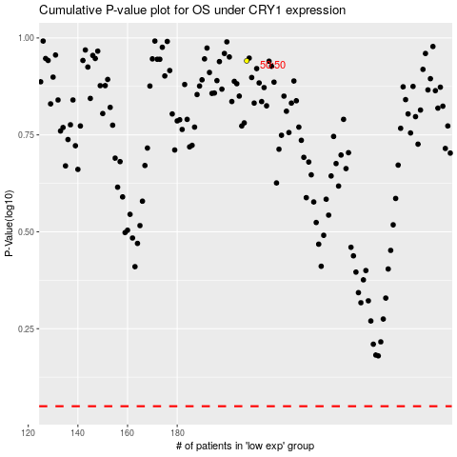

 |  |  |  |  |  | cases_OS | p_OS | rank | exp
 |  |  |  |  |  |  | cases_RFS | p_RFS | rank | exp

