CRY2 _multivariate
Reported by Tex Li-Hsing Chi. tex@gate.sinica.edu.tw 2019-08-20

Table 2. The clinicopathological features of HNSCC cohort and CRY2 expression. (Chi square test)
Cutoff at -0.243 (49.8%)
 |  | CRY2 expression |  | CRY2 expression |  | (Optimised)
 | Features | Low | (%) | High | (%) | Case no | P-value | Remark | Matthews
Gender | Female | 156 | 37.6 | 150 | 36.1 | 415 | 0.5222 | 0 | 0
2 | Male | 51 | 12.3 | 58 | 14
Age at diagnosis | <=65y | 134 | 32.3 | 140 | 33.7 | 415 | 0.6529 | 0 | 0
4 | >65y | 73 | 17.6 | 68 | 16.4
Clinical T Status | T1+T2 | 71 | 17.1 | 78 | 18.8 | 415 | 0.5638 | 0 | 0
6 | T3+T4 | 136 | 32.8 | 130 | 31.3
Clinical N Status | N0 | 101 | 24.3 | 115 | 27.7 | 415 | 0.2201 | 0 | 0
8 | N1-3 | 106 | 25.5 | 93 | 22.4
Clinical M Status | M0 | 204 | 49.2 | 208 | 50.1 | 415 | 0.1232 | 0 | 0
10 | M1 | 3 | 0.7 | 0 | 0
Clinical Stage | Stage I+II | 44 | 10.6 | 58 | 14 | 415 | 0.1459 | 0 | 0
12 | Stage III+IV | 163 | 39.3 | 150 | 36.1
Surgical Margin status | Negative | 160 | 38.6 | 158 | 38.1 | 415 | 0.8167 | 0 | 0
14 | Positive | 47 | 11.3 | 50 | 12
Tobacco Exposure | Low | 79 | 19 | 82 | 19.8 | 415 | 0.8405 | 0 | 0
16 | High | 128 | 30.8 | 126 | 30.4

Table 3. Univariate/Multivariate Cox's proportional hazards regression analyses on OS time of CRY2 gene expression in HNSCC

 |  | Univariate |  |  |  | Multivariate
 | Features | HR | CI95%(L) | CI95%(H) | P-value | HR | CI95%(L) | CI95%(H) | P-value
1 | Female | 1 |  |  |  | 1
Gender | Male | 1.157 | 0.843 | 1.587 | 0.367 | 1.215 | 0.868 | 1.701 | 0.256
11 | <=65y | 1 |  |  |  | 1
Age at diagnosis | >65y | 1.329 | 0.99 | 1.784 | 0.058 | 1.386 | 1.019 | 1.884 | 0.037
12 | T1+T2 | 1 |  |  |  | 1
Clinical T Status | T3+T4 | 1.409 | 1.028 | 1.931 | 0.033 | 2.225 | 1.176 | 4.21 | 0.014
13 | N0 | 1 |  |  |  | 1
Clinical N Status | N1-3 | 1.185 | 0.89 | 1.577 | 0.246 | 1.239 | 0.868 | 1.768 | 0.237
14 | M0 | 1 |  |  |  | 1
Clinical M Status | M1 | 4.097 | 1.009 | 16.644 | 0.049 | 9.053 | 1.968 | 41.653 | 0.005
15 | Stage I+II | 1 |  |  |  | 1
Clinical Stage | Stage III+IV | 1.245 | 0.882 | 1.759 | 0.213 | 0.498 | 0.232 | 1.07 | 0.074
16 | Negative | 1 |  |  |  | 1
Surgical Margin status | Positive | 1.591 | 1.155 | 2.191 | 0.004 | 1.694 | 1.223 | 2.346 | 0.002
17 | Low | 1 |  |  |  | 1
Tobacco Exposure | High | 1.364 | 1.008 | 1.844 | 0.044 | 1.448 | 1.05 | 1.996 | 0.024
18 | Low | 1 |  |  |  | 1
RNAseq(z-score) | High | 0.923 | 0.693 | 1.229 | 0.585 | 0.901 | 0.673 | 1.207 | 0.484

Table 4. Univariate/Multivariate Cox's proportional hazards regression analyses on RFS time of CRY2 gene expression in HNSCC

 |  | Univariate |  |  |  | Multivariate
 | Features | HR | CI95%(L) | CI95%(H) | P-value | HR | CI95%(L) | CI95%(H) | P-value
1 | Female | 1 |  |  |  | 1
Gender | Male | 1.157 | 0.843 | 1.587 | 0.367 | 1.215 | 0.868 | 1.701 | 0.256
11 | <=65y | 1 |  |  |  | 1
Age at diagnosis | >65y | 1.329 | 0.99 | 1.784 | 0.058 | 1.386 | 1.019 | 1.884 | 0.037
12 | T1+T2 | 1 |  |  |  | 1
Clinical T Status | T3+T4 | 1.409 | 1.028 | 1.931 | 0.033 | 2.225 | 1.176 | 4.21 | 0.014
13 | N0 | 1 |  |  |  | 1
Clinical N Status | N1-3 | 1.185 | 0.89 | 1.577 | 0.246 | 1.239 | 0.868 | 1.768 | 0.237
14 | M0 | 1 |  |  |  | 1
Clinical M Status | M1 | 4.097 | 1.009 | 16.644 | 0.049 | 9.053 | 1.968 | 41.653 | 0.005
15 | Stage I+II | 1 |  |  |  | 1
Clinical Stage | Stage III+IV | 1.245 | 0.882 | 1.759 | 0.213 | 0.498 | 0.232 | 1.07 | 0.074
16 | Negative | 1 |  |  |  | 1
Surgical Margin status | Positive | 1.591 | 1.155 | 2.191 | 0.004 | 1.694 | 1.223 | 2.346 | 0.002
17 | Low | 1 |  |  |  | 1
Tobacco Exposure | High | 1.364 | 1.008 | 1.844 | 0.044 | 1.448 | 1.05 | 1.996 | 0.024
18 | Low | 1 |  |  |  | 1
RNAseq(z-score) | High | 0.923 | 0.693 | 1.229 | 0.585 | 0.901 | 0.673 | 1.207 | 0.484

Kaplan-Meier survival estimate: Cutoff at -0.243 (49.8%)



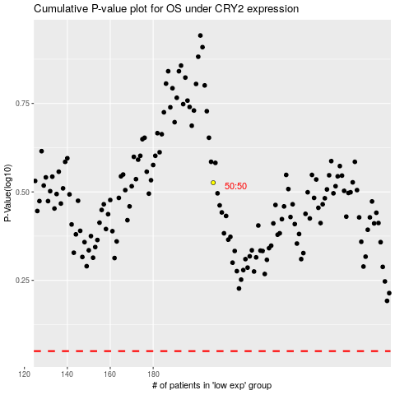

 |  |  |  |  |  | cases_OS | p_OS | rank | exp
 |  |  |  |  |  |  | cases_RFS | p_RFS | rank | exp

