CRYAB _multivariate
Reported by Tex Li-Hsing Chi. tex@gate.sinica.edu.tw 2019-08-20

Table 2. The clinicopathological features of HNSCC cohort and CRYAB expression. (Chi square test)
Cutoff at -0.281 (50.0%)
 |  | CRYAB expression |  | CRYAB expression |  | (Optimised)
 | Features | Low | (%) | High | (%) | Case no | P-value | Remark | Matthews
Gender | Female | 155 | 37.3 | 151 | 36.4 | 415 | 0.6768 | 0 | 0
2 | Male | 52 | 12.5 | 57 | 13.7
Age at diagnosis | <=65y | 126 | 30.4 | 148 | 35.7 | 415 | 0.035 | 1 | 0
4 | >65y | 81 | 19.5 | 60 | 14.5
Clinical T Status | T1+T2 | 72 | 17.3 | 77 | 18.6 | 415 | 0.7095 | 0 | 0
6 | T3+T4 | 135 | 32.5 | 131 | 31.6
Clinical N Status | N0 | 99 | 23.9 | 117 | 28.2 | 415 | 0.1054 | 0 | 0
8 | N1-3 | 108 | 26 | 91 | 21.9
Clinical M Status | M0 | 205 | 49.4 | 207 | 49.9 | 415 | 0.6232 | 0 | 0
10 | M1 | 2 | 0.5 | 1 | 0.2
Clinical Stage | Stage I+II | 45 | 10.8 | 57 | 13.7 | 415 | 0.2202 | 0 | 0
12 | Stage III+IV | 162 | 39 | 151 | 36.4
Surgical Margin status | Negative | 158 | 38.1 | 160 | 38.6 | 415 | 0.9081 | 0 | 0
14 | Positive | 49 | 11.8 | 48 | 11.6
Tobacco Exposure | Low | 82 | 19.8 | 79 | 19 | 415 | 0.763 | 0 | 0
16 | High | 125 | 30.1 | 129 | 31.1

Table 3. Univariate/Multivariate Cox's proportional hazards regression analyses on OS time of CRYAB gene expression in HNSCC

 |  | Univariate |  |  |  | Multivariate
 | Features | HR | CI95%(L) | CI95%(H) | P-value | HR | CI95%(L) | CI95%(H) | P-value
1 | Female | 1 |  |  |  | 1
Gender | Male | 1.157 | 0.843 | 1.587 | 0.367 | 1.2 | 0.86 | 1.674 | 0.284
11 | <=65y | 1 |  |  |  | 1
Age at diagnosis | >65y | 1.329 | 0.99 | 1.784 | 0.058 | 1.416 | 1.039 | 1.929 | 0.028
12 | T1+T2 | 1 |  |  |  | 1
Clinical T Status | T3+T4 | 1.409 | 1.028 | 1.931 | 0.033 | 2.194 | 1.16 | 4.148 | 0.016
13 | N0 | 1 |  |  |  | 1
Clinical N Status | N1-3 | 1.185 | 0.89 | 1.577 | 0.246 | 1.255 | 0.879 | 1.792 | 0.212
14 | M0 | 1 |  |  |  | 1
Clinical M Status | M1 | 4.097 | 1.009 | 16.644 | 0.049 | 9.447 | 2.061 | 43.311 | 0.004
15 | Stage I+II | 1 |  |  |  | 1
Clinical Stage | Stage III+IV | 1.245 | 0.882 | 1.759 | 0.213 | 0.507 | 0.236 | 1.088 | 0.081
16 | Negative | 1 |  |  |  | 1
Surgical Margin status | Positive | 1.591 | 1.155 | 2.191 | 0.004 | 1.662 | 1.202 | 2.297 | 0.002
17 | Low | 1 |  |  |  | 1
Tobacco Exposure | High | 1.364 | 1.008 | 1.844 | 0.044 | 1.434 | 1.04 | 1.978 | 0.028
18 | Low | 1 |  |  |  | 1
RNAseq(z-score) | High | 1.095 | 0.822 | 1.458 | 0.536 | 1.12 | 0.836 | 1.502 | 0.447

Table 4. Univariate/Multivariate Cox's proportional hazards regression analyses on RFS time of CRYAB gene expression in HNSCC

 |  | Univariate |  |  |  | Multivariate
 | Features | HR | CI95%(L) | CI95%(H) | P-value | HR | CI95%(L) | CI95%(H) | P-value
1 | Female | 1 |  |  |  | 1
Gender | Male | 1.157 | 0.843 | 1.587 | 0.367 | 1.2 | 0.86 | 1.674 | 0.284
11 | <=65y | 1 |  |  |  | 1
Age at diagnosis | >65y | 1.329 | 0.99 | 1.784 | 0.058 | 1.416 | 1.039 | 1.929 | 0.028
12 | T1+T2 | 1 |  |  |  | 1
Clinical T Status | T3+T4 | 1.409 | 1.028 | 1.931 | 0.033 | 2.194 | 1.16 | 4.148 | 0.016
13 | N0 | 1 |  |  |  | 1
Clinical N Status | N1-3 | 1.185 | 0.89 | 1.577 | 0.246 | 1.255 | 0.879 | 1.792 | 0.212
14 | M0 | 1 |  |  |  | 1
Clinical M Status | M1 | 4.097 | 1.009 | 16.644 | 0.049 | 9.447 | 2.061 | 43.311 | 0.004
15 | Stage I+II | 1 |  |  |  | 1
Clinical Stage | Stage III+IV | 1.245 | 0.882 | 1.759 | 0.213 | 0.507 | 0.236 | 1.088 | 0.081
16 | Negative | 1 |  |  |  | 1
Surgical Margin status | Positive | 1.591 | 1.155 | 2.191 | 0.004 | 1.662 | 1.202 | 2.297 | 0.002
17 | Low | 1 |  |  |  | 1
Tobacco Exposure | High | 1.364 | 1.008 | 1.844 | 0.044 | 1.434 | 1.04 | 1.978 | 0.028
18 | Low | 1 |  |  |  | 1
RNAseq(z-score) | High | 1.095 | 0.822 | 1.458 | 0.536 | 1.12 | 0.836 | 1.502 | 0.447

Kaplan-Meier survival estimate: Cutoff at -0.281 (50.0%)



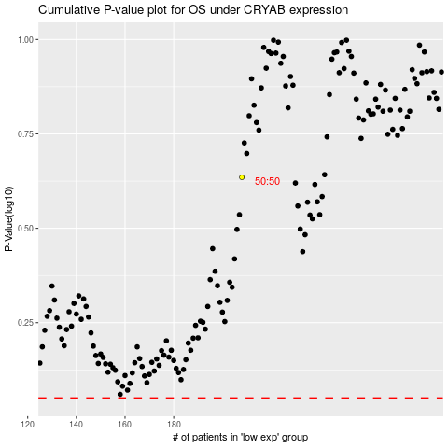

 |  |  |  |  |  | cases_OS | p_OS | rank | exp
 |  |  |  |  |  |  | cases_RFS | p_RFS | rank | exp

