CRYGS _multivariate
Reported by Tex Li-Hsing Chi. tex@gate.sinica.edu.tw 2019-08-20

Table 2. The clinicopathological features of HNSCC cohort and CRYGS expression. (Chi square test)
Cutoff at -0.219 (50.0%)
 |  | CRYGS expression |  | CRYGS expression |  | (Optimised)
 | Features | Low | (%) | High | (%) | Case no | P-value | Remark | Matthews
Gender | Female | 146 | 35.2 | 160 | 38.6 | 415 | 0.1714 | 0 | 0
2 | Male | 61 | 14.7 | 48 | 11.6
Age at diagnosis | <=65y | 139 | 33.5 | 135 | 32.5 | 415 | 0.7044 | 0 | 0
4 | >65y | 68 | 16.4 | 73 | 17.6
Clinical T Status | T1+T2 | 62 | 14.9 | 87 | 21 | 415 | 0.0156 | 1 | 0
6 | T3+T4 | 145 | 34.9 | 121 | 29.2
Clinical N Status | N0 | 102 | 24.6 | 114 | 27.5 | 415 | 0.3031 | 0 | 0
8 | N1-3 | 105 | 25.3 | 94 | 22.7
Clinical M Status | M0 | 207 | 49.9 | 205 | 49.4 | 415 | 0.2482 | 0 | 0
10 | M1 | 0 | 0 | 3 | 0.7
Clinical Stage | Stage I+II | 44 | 10.6 | 58 | 14 | 415 | 0.1459 | 0 | 0
12 | Stage III+IV | 163 | 39.3 | 150 | 36.1
Surgical Margin status | Negative | 164 | 39.5 | 154 | 37.1 | 415 | 0.2462 | 0 | 0
14 | Positive | 43 | 10.4 | 54 | 13
Tobacco Exposure | Low | 76 | 18.3 | 85 | 20.5 | 415 | 0.4207 | 0 | 0
16 | High | 131 | 31.6 | 123 | 29.6

Table 3. Univariate/Multivariate Cox's proportional hazards regression analyses on OS time of CRYGS gene expression in HNSCC

 |  | Univariate |  |  |  | Multivariate
 | Features | HR | CI95%(L) | CI95%(H) | P-value | HR | CI95%(L) | CI95%(H) | P-value
1 | Female | 1 |  |  |  | 1
Gender | Male | 1.157 | 0.843 | 1.587 | 0.367 | 1.194 | 0.854 | 1.669 | 0.3
11 | <=65y | 1 |  |  |  | 1
Age at diagnosis | >65y | 1.329 | 0.99 | 1.784 | 0.058 | 1.399 | 1.028 | 1.904 | 0.033
12 | T1+T2 | 1 |  |  |  | 1
Clinical T Status | T3+T4 | 1.409 | 1.028 | 1.931 | 0.033 | 2.17 | 1.145 | 4.112 | 0.017
13 | N0 | 1 |  |  |  | 1
Clinical N Status | N1-3 | 1.185 | 0.89 | 1.577 | 0.246 | 1.235 | 0.865 | 1.764 | 0.245
14 | M0 | 1 |  |  |  | 1
Clinical M Status | M1 | 4.097 | 1.009 | 16.644 | 0.049 | 9.712 | 2.109 | 44.725 | 0.004
15 | Stage I+II | 1 |  |  |  | 1
Clinical Stage | Stage III+IV | 1.245 | 0.882 | 1.759 | 0.213 | 0.509 | 0.237 | 1.092 | 0.083
16 | Negative | 1 |  |  |  | 1
Surgical Margin status | Positive | 1.591 | 1.155 | 2.191 | 0.004 | 1.68 | 1.215 | 2.323 | 0.002
17 | Low | 1 |  |  |  | 1
Tobacco Exposure | High | 1.364 | 1.008 | 1.844 | 0.044 | 1.457 | 1.057 | 2.008 | 0.022
18 | Low | 1 |  |  |  | 1
RNAseq(z-score) | High | 0.925 | 0.693 | 1.234 | 0.595 | 0.922 | 0.687 | 1.238 | 0.591

Table 4. Univariate/Multivariate Cox's proportional hazards regression analyses on RFS time of CRYGS gene expression in HNSCC

 |  | Univariate |  |  |  | Multivariate
 | Features | HR | CI95%(L) | CI95%(H) | P-value | HR | CI95%(L) | CI95%(H) | P-value
1 | Female | 1 |  |  |  | 1
Gender | Male | 1.157 | 0.843 | 1.587 | 0.367 | 1.194 | 0.854 | 1.669 | 0.3
11 | <=65y | 1 |  |  |  | 1
Age at diagnosis | >65y | 1.329 | 0.99 | 1.784 | 0.058 | 1.399 | 1.028 | 1.904 | 0.033
12 | T1+T2 | 1 |  |  |  | 1
Clinical T Status | T3+T4 | 1.409 | 1.028 | 1.931 | 0.033 | 2.17 | 1.145 | 4.112 | 0.017
13 | N0 | 1 |  |  |  | 1
Clinical N Status | N1-3 | 1.185 | 0.89 | 1.577 | 0.246 | 1.235 | 0.865 | 1.764 | 0.245
14 | M0 | 1 |  |  |  | 1
Clinical M Status | M1 | 4.097 | 1.009 | 16.644 | 0.049 | 9.712 | 2.109 | 44.725 | 0.004
15 | Stage I+II | 1 |  |  |  | 1
Clinical Stage | Stage III+IV | 1.245 | 0.882 | 1.759 | 0.213 | 0.509 | 0.237 | 1.092 | 0.083
16 | Negative | 1 |  |  |  | 1
Surgical Margin status | Positive | 1.591 | 1.155 | 2.191 | 0.004 | 1.68 | 1.215 | 2.323 | 0.002
17 | Low | 1 |  |  |  | 1
Tobacco Exposure | High | 1.364 | 1.008 | 1.844 | 0.044 | 1.457 | 1.057 | 2.008 | 0.022
18 | Low | 1 |  |  |  | 1
RNAseq(z-score) | High | 0.925 | 0.693 | 1.234 | 0.595 | 0.922 | 0.687 | 1.238 | 0.591

Kaplan-Meier survival estimate: Cutoff at -0.219 (50.0%)



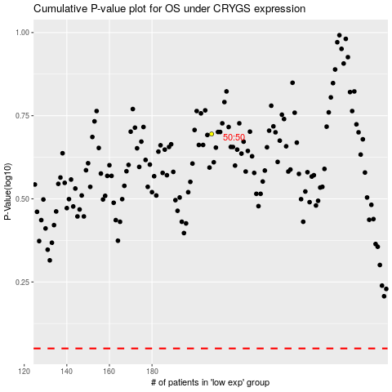

 |  |  |  |  |  | cases_OS | p_OS | rank | exp
 |  |  |  |  |  |  | cases_RFS | p_RFS | rank | exp

