CRYL1 _multivariate
Reported by Tex Li-Hsing Chi. tex@gate.sinica.edu.tw 2019-08-20

Table 2. The clinicopathological features of HNSCC cohort and CRYL1 expression. (Chi square test)
Cutoff at -0.277 (50.0%)
 |  | CRYL1 expression |  | CRYL1 expression |  | (Optimised)
 | Features | Low | (%) | High | (%) | Case no | P-value | Remark | Matthews
Gender | Female | 150 | 36.1 | 156 | 37.6 | 415 | 0.6344 | 0 | 0
2 | Male | 57 | 13.7 | 52 | 12.5
Age at diagnosis | <=65y | 145 | 34.9 | 129 | 31.1 | 415 | 0.1046 | 0 | 0
4 | >65y | 62 | 14.9 | 79 | 19
Clinical T Status | T1+T2 | 76 | 18.3 | 73 | 17.6 | 415 | 0.8092 | 0 | 0
6 | T3+T4 | 131 | 31.6 | 135 | 32.5
Clinical N Status | N0 | 103 | 24.8 | 113 | 27.2 | 415 | 0.4047 | 0 | 0
8 | N1-3 | 104 | 25.1 | 95 | 22.9
Clinical M Status | M0 | 205 | 49.4 | 207 | 49.9 | 415 | 0.6232 | 0 | 0
10 | M1 | 2 | 0.5 | 1 | 0.2
Clinical Stage | Stage I+II | 48 | 11.6 | 54 | 13 | 415 | 0.5878 | 0 | 0
12 | Stage III+IV | 159 | 38.3 | 154 | 37.1
Surgical Margin status | Negative | 151 | 36.4 | 167 | 40.2 | 415 | 0.0828 | 0 | 0
14 | Positive | 56 | 13.5 | 41 | 9.9
Tobacco Exposure | Low | 80 | 19.3 | 81 | 19.5 | 415 | 1 | 0 | 0
16 | High | 127 | 30.6 | 127 | 30.6

Table 3. Univariate/Multivariate Cox's proportional hazards regression analyses on OS time of CRYL1 gene expression in HNSCC

 |  | Univariate |  |  |  | Multivariate
 | Features | HR | CI95%(L) | CI95%(H) | P-value | HR | CI95%(L) | CI95%(H) | P-value
1 | Female | 1 |  |  |  | 1
Gender | Male | 1.157 | 0.843 | 1.587 | 0.367 | 1.205 | 0.862 | 1.684 | 0.275
11 | <=65y | 1 |  |  |  | 1
Age at diagnosis | >65y | 1.329 | 0.99 | 1.784 | 0.058 | 1.405 | 1.032 | 1.913 | 0.031
12 | T1+T2 | 1 |  |  |  | 1
Clinical T Status | T3+T4 | 1.409 | 1.028 | 1.931 | 0.033 | 2.225 | 1.177 | 4.207 | 0.014
13 | N0 | 1 |  |  |  | 1
Clinical N Status | N1-3 | 1.185 | 0.89 | 1.577 | 0.246 | 1.229 | 0.861 | 1.755 | 0.257
14 | M0 | 1 |  |  |  | 1
Clinical M Status | M1 | 4.097 | 1.009 | 16.644 | 0.049 | 9.463 | 2.064 | 43.384 | 0.004
15 | Stage I+II | 1 |  |  |  | 1
Clinical Stage | Stage III+IV | 1.245 | 0.882 | 1.759 | 0.213 | 0.496 | 0.231 | 1.065 | 0.072
16 | Negative | 1 |  |  |  | 1
Surgical Margin status | Positive | 1.591 | 1.155 | 2.191 | 0.004 | 1.654 | 1.196 | 2.286 | 0.002
17 | Low | 1 |  |  |  | 1
Tobacco Exposure | High | 1.364 | 1.008 | 1.844 | 0.044 | 1.463 | 1.061 | 2.019 | 0.02
18 | Low | 1 |  |  |  | 1
RNAseq(z-score) | High | 0.847 | 0.635 | 1.13 | 0.258 | 0.857 | 0.641 | 1.146 | 0.299

Table 4. Univariate/Multivariate Cox's proportional hazards regression analyses on RFS time of CRYL1 gene expression in HNSCC

 |  | Univariate |  |  |  | Multivariate
 | Features | HR | CI95%(L) | CI95%(H) | P-value | HR | CI95%(L) | CI95%(H) | P-value
1 | Female | 1 |  |  |  | 1
Gender | Male | 1.157 | 0.843 | 1.587 | 0.367 | 1.205 | 0.862 | 1.684 | 0.275
11 | <=65y | 1 |  |  |  | 1
Age at diagnosis | >65y | 1.329 | 0.99 | 1.784 | 0.058 | 1.405 | 1.032 | 1.913 | 0.031
12 | T1+T2 | 1 |  |  |  | 1
Clinical T Status | T3+T4 | 1.409 | 1.028 | 1.931 | 0.033 | 2.225 | 1.177 | 4.207 | 0.014
13 | N0 | 1 |  |  |  | 1
Clinical N Status | N1-3 | 1.185 | 0.89 | 1.577 | 0.246 | 1.229 | 0.861 | 1.755 | 0.257
14 | M0 | 1 |  |  |  | 1
Clinical M Status | M1 | 4.097 | 1.009 | 16.644 | 0.049 | 9.463 | 2.064 | 43.384 | 0.004
15 | Stage I+II | 1 |  |  |  | 1
Clinical Stage | Stage III+IV | 1.245 | 0.882 | 1.759 | 0.213 | 0.496 | 0.231 | 1.065 | 0.072
16 | Negative | 1 |  |  |  | 1
Surgical Margin status | Positive | 1.591 | 1.155 | 2.191 | 0.004 | 1.654 | 1.196 | 2.286 | 0.002
17 | Low | 1 |  |  |  | 1
Tobacco Exposure | High | 1.364 | 1.008 | 1.844 | 0.044 | 1.463 | 1.061 | 2.019 | 0.02
18 | Low | 1 |  |  |  | 1
RNAseq(z-score) | High | 0.847 | 0.635 | 1.13 | 0.258 | 0.857 | 0.641 | 1.146 | 0.299

Kaplan-Meier survival estimate: Cutoff at -0.277 (50.0%)



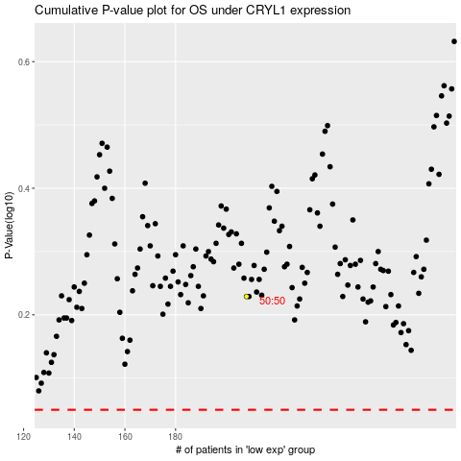

 |  |  |  |  |  | cases_OS | p_OS | rank | exp
 |  |  |  |  |  |  | cases_RFS | p_RFS | rank | exp

