CS _multivariate
Reported by Tex Li-Hsing Chi. tex@gate.sinica.edu.tw 2019-08-20

Table 2. The clinicopathological features of HNSCC cohort and CS expression. (Chi square test)
Cutoff at -0.234 (49.8%)
 |  | CS expression |  | CS expression |  | (Optimised)
 | Features | Low | (%) | High | (%) | Case no | P-value | Remark | Matthews
Gender | Female | 149 | 35.9 | 157 | 37.8 | 415 | 0.4848 | 0 | 0
2 | Male | 58 | 14 | 51 | 12.3
Age at diagnosis | <=65y | 143 | 34.5 | 131 | 31.6 | 415 | 0.2269 | 0 | 0
4 | >65y | 64 | 15.4 | 77 | 18.6
Clinical T Status | T1+T2 | 70 | 16.9 | 79 | 19 | 415 | 0.4343 | 0 | 0
6 | T3+T4 | 137 | 33 | 129 | 31.1
Clinical N Status | N0 | 108 | 26 | 108 | 26 | 415 | 1 | 0 | 0
8 | N1-3 | 99 | 23.9 | 100 | 24.1
Clinical M Status | M0 | 207 | 49.9 | 205 | 49.4 | 415 | 0.2482 | 0 | 0
10 | M1 | 0 | 0 | 3 | 0.7
Clinical Stage | Stage I+II | 50 | 12 | 52 | 12.5 | 415 | 0.9315 | 0 | 0
12 | Stage III+IV | 157 | 37.8 | 156 | 37.6
Surgical Margin status | Negative | 153 | 36.9 | 165 | 39.8 | 415 | 0.2036 | 0 | 0
14 | Positive | 54 | 13 | 43 | 10.4
Tobacco Exposure | Low | 90 | 21.7 | 71 | 17.1 | 415 | 0.0559 | 0 | 0
16 | High | 117 | 28.2 | 137 | 33

Table 3. Univariate/Multivariate Cox's proportional hazards regression analyses on OS time of CS gene expression in HNSCC

 |  | Univariate |  |  |  | Multivariate
 | Features | HR | CI95%(L) | CI95%(H) | P-value | HR | CI95%(L) | CI95%(H) | P-value
1 | Female | 1 |  |  |  | 1
Gender | Male | 1.157 | 0.843 | 1.587 | 0.367 | 1.203 | 0.862 | 1.681 | 0.277
11 | <=65y | 1 |  |  |  | 1
Age at diagnosis | >65y | 1.329 | 0.99 | 1.784 | 0.058 | 1.39 | 1.022 | 1.89 | 0.036
12 | T1+T2 | 1 |  |  |  | 1
Clinical T Status | T3+T4 | 1.409 | 1.028 | 1.931 | 0.033 | 2.231 | 1.179 | 4.223 | 0.014
13 | N0 | 1 |  |  |  | 1
Clinical N Status | N1-3 | 1.185 | 0.89 | 1.577 | 0.246 | 1.243 | 0.871 | 1.773 | 0.231
14 | M0 | 1 |  |  |  | 1
Clinical M Status | M1 | 4.097 | 1.009 | 16.644 | 0.049 | 9.094 | 1.977 | 41.828 | 0.005
15 | Stage I+II | 1 |  |  |  | 1
Clinical Stage | Stage III+IV | 1.245 | 0.882 | 1.759 | 0.213 | 0.496 | 0.231 | 1.067 | 0.073
16 | Negative | 1 |  |  |  | 1
Surgical Margin status | Positive | 1.591 | 1.155 | 2.191 | 0.004 | 1.687 | 1.22 | 2.334 | 0.002
17 | Low | 1 |  |  |  | 1
Tobacco Exposure | High | 1.364 | 1.008 | 1.844 | 0.044 | 1.449 | 1.051 | 1.997 | 0.023
18 | Low | 1 |  |  |  | 1
RNAseq(z-score) | High | 1.095 | 0.82 | 1.463 | 0.539 | 1.1 | 0.821 | 1.474 | 0.523

Table 4. Univariate/Multivariate Cox's proportional hazards regression analyses on RFS time of CS gene expression in HNSCC

 |  | Univariate |  |  |  | Multivariate
 | Features | HR | CI95%(L) | CI95%(H) | P-value | HR | CI95%(L) | CI95%(H) | P-value
1 | Female | 1 |  |  |  | 1
Gender | Male | 1.157 | 0.843 | 1.587 | 0.367 | 1.203 | 0.862 | 1.681 | 0.277
11 | <=65y | 1 |  |  |  | 1
Age at diagnosis | >65y | 1.329 | 0.99 | 1.784 | 0.058 | 1.39 | 1.022 | 1.89 | 0.036
12 | T1+T2 | 1 |  |  |  | 1
Clinical T Status | T3+T4 | 1.409 | 1.028 | 1.931 | 0.033 | 2.231 | 1.179 | 4.223 | 0.014
13 | N0 | 1 |  |  |  | 1
Clinical N Status | N1-3 | 1.185 | 0.89 | 1.577 | 0.246 | 1.243 | 0.871 | 1.773 | 0.231
14 | M0 | 1 |  |  |  | 1
Clinical M Status | M1 | 4.097 | 1.009 | 16.644 | 0.049 | 9.094 | 1.977 | 41.828 | 0.005
15 | Stage I+II | 1 |  |  |  | 1
Clinical Stage | Stage III+IV | 1.245 | 0.882 | 1.759 | 0.213 | 0.496 | 0.231 | 1.067 | 0.073
16 | Negative | 1 |  |  |  | 1
Surgical Margin status | Positive | 1.591 | 1.155 | 2.191 | 0.004 | 1.687 | 1.22 | 2.334 | 0.002
17 | Low | 1 |  |  |  | 1
Tobacco Exposure | High | 1.364 | 1.008 | 1.844 | 0.044 | 1.449 | 1.051 | 1.997 | 0.023
18 | Low | 1 |  |  |  | 1
RNAseq(z-score) | High | 1.095 | 0.82 | 1.463 | 0.539 | 1.1 | 0.821 | 1.474 | 0.523

Kaplan-Meier survival estimate: Cutoff at -0.234 (49.8%)



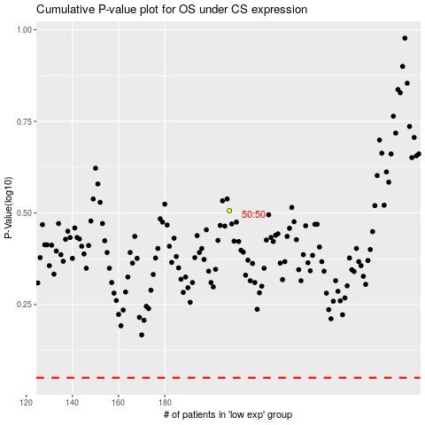

 |  |  |  |  |  | cases_OS | p_OS | rank | exp
 |  |  |  |  |  |  | cases_RFS | p_RFS | rank | exp

