CSAG1 _multivariate
Reported by Tex Li-Hsing Chi. tex@gate.sinica.edu.tw 2019-08-20

Table 2. The clinicopathological features of HNSCC cohort and CSAG1 expression. (Chi square test)
Cutoff at -0.35 (49.8%)
 |  | CSAG1 expression |  | CSAG1 expression |  | (Optimised)
 | Features | Low | (%) | High | (%) | Case no | P-value | Remark | Matthews
Gender | Female | 172 | 41.4 | 134 | 32.3 | 415 | 0 | 1 | 0
2 | Male | 35 | 8.4 | 74 | 17.8
Age at diagnosis | <=65y | 147 | 35.4 | 127 | 30.6 | 415 | 0.0416 | 1 | 0
4 | >65y | 60 | 14.5 | 81 | 19.5
Clinical T Status | T1+T2 | 74 | 17.8 | 75 | 18.1 | 415 | 1 | 0 | 0
6 | T3+T4 | 133 | 32 | 133 | 32
Clinical N Status | N0 | 104 | 25.1 | 112 | 27 | 415 | 0.5243 | 0 | 0
8 | N1-3 | 103 | 24.8 | 96 | 23.1
Clinical M Status | M0 | 207 | 49.9 | 205 | 49.4 | 415 | 0.2482 | 0 | 0
10 | M1 | 0 | 0 | 3 | 0.7
Clinical Stage | Stage I+II | 48 | 11.6 | 54 | 13 | 415 | 0.5878 | 0 | 0
12 | Stage III+IV | 159 | 38.3 | 154 | 37.1
Surgical Margin status | Negative | 155 | 37.3 | 163 | 39.3 | 415 | 0.4187 | 0 | 0
14 | Positive | 52 | 12.5 | 45 | 10.8
Tobacco Exposure | Low | 71 | 17.1 | 90 | 21.7 | 415 | 0.0698 | 0 | 0
16 | High | 136 | 32.8 | 118 | 28.4

Table 3. Univariate/Multivariate Cox's proportional hazards regression analyses on OS time of CSAG1 gene expression in HNSCC

 |  | Univariate |  |  |  | Multivariate
 | Features | HR | CI95%(L) | CI95%(H) | P-value | HR | CI95%(L) | CI95%(H) | P-value
1 | Female | 1 |  |  |  | 1
Gender | Male | 1.157 | 0.843 | 1.587 | 0.367 | 1.246 | 0.883 | 1.758 | 0.21
11 | <=65y | 1 |  |  |  | 1
Age at diagnosis | >65y | 1.329 | 0.99 | 1.784 | 0.058 | 1.391 | 1.024 | 1.891 | 0.035
12 | T1+T2 | 1 |  |  |  | 1
Clinical T Status | T3+T4 | 1.409 | 1.028 | 1.931 | 0.033 | 2.234 | 1.181 | 4.227 | 0.013
13 | N0 | 1 |  |  |  | 1
Clinical N Status | N1-3 | 1.185 | 0.89 | 1.577 | 0.246 | 1.24 | 0.869 | 1.769 | 0.235
14 | M0 | 1 |  |  |  | 1
Clinical M Status | M1 | 4.097 | 1.009 | 16.644 | 0.049 | 10.31 | 2.217 | 47.944 | 0.003
15 | Stage I+II | 1 |  |  |  | 1
Clinical Stage | Stage III+IV | 1.245 | 0.882 | 1.759 | 0.213 | 0.497 | 0.231 | 1.067 | 0.073
16 | Negative | 1 |  |  |  | 1
Surgical Margin status | Positive | 1.591 | 1.155 | 2.191 | 0.004 | 1.678 | 1.214 | 2.319 | 0.002
17 | Low | 1 |  |  |  | 1
Tobacco Exposure | High | 1.364 | 1.008 | 1.844 | 0.044 | 1.454 | 1.055 | 2.003 | 0.022
18 | Low | 1 |  |  |  | 1
RNAseq(z-score) | High | 0.957 | 0.719 | 1.274 | 0.762 | 0.875 | 0.65 | 1.179 | 0.382

Table 4. Univariate/Multivariate Cox's proportional hazards regression analyses on RFS time of CSAG1 gene expression in HNSCC

 |  | Univariate |  |  |  | Multivariate
 | Features | HR | CI95%(L) | CI95%(H) | P-value | HR | CI95%(L) | CI95%(H) | P-value
1 | Female | 1 |  |  |  | 1
Gender | Male | 1.157 | 0.843 | 1.587 | 0.367 | 1.246 | 0.883 | 1.758 | 0.21
11 | <=65y | 1 |  |  |  | 1
Age at diagnosis | >65y | 1.329 | 0.99 | 1.784 | 0.058 | 1.391 | 1.024 | 1.891 | 0.035
12 | T1+T2 | 1 |  |  |  | 1
Clinical T Status | T3+T4 | 1.409 | 1.028 | 1.931 | 0.033 | 2.234 | 1.181 | 4.227 | 0.013
13 | N0 | 1 |  |  |  | 1
Clinical N Status | N1-3 | 1.185 | 0.89 | 1.577 | 0.246 | 1.24 | 0.869 | 1.769 | 0.235
14 | M0 | 1 |  |  |  | 1
Clinical M Status | M1 | 4.097 | 1.009 | 16.644 | 0.049 | 10.31 | 2.217 | 47.944 | 0.003
15 | Stage I+II | 1 |  |  |  | 1
Clinical Stage | Stage III+IV | 1.245 | 0.882 | 1.759 | 0.213 | 0.497 | 0.231 | 1.067 | 0.073
16 | Negative | 1 |  |  |  | 1
Surgical Margin status | Positive | 1.591 | 1.155 | 2.191 | 0.004 | 1.678 | 1.214 | 2.319 | 0.002
17 | Low | 1 |  |  |  | 1
Tobacco Exposure | High | 1.364 | 1.008 | 1.844 | 0.044 | 1.454 | 1.055 | 2.003 | 0.022
18 | Low | 1 |  |  |  | 1
RNAseq(z-score) | High | 0.957 | 0.719 | 1.274 | 0.762 | 0.875 | 0.65 | 1.179 | 0.382

Kaplan-Meier survival estimate: Cutoff at -0.35 (49.8%)



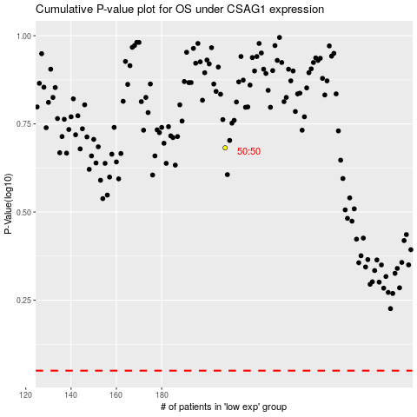

 |  |  |  |  |  | cases_OS | p_OS | rank | exp
 |  |  |  |  |  |  | cases_RFS | p_RFS | rank | exp

