CSAG2 _multivariate
Reported by Tex Li-Hsing Chi. tex@gate.sinica.edu.tw 2019-08-20

Table 2. The clinicopathological features of HNSCC cohort and CSAG2 expression. (Chi square test)
Cutoff at -0.426 (49.8%)
 |  | CSAG2 expression |  | CSAG2 expression |  | (Optimised)
 | Features | Low | (%) | High | (%) | Case no | P-value | Remark | Matthews
Gender | Female | 171 | 41.2 | 135 | 32.5 | 415 | 1e-04 | 1 | 0
2 | Male | 36 | 8.7 | 73 | 17.6
Age at diagnosis | <=65y | 144 | 34.7 | 130 | 31.3 | 415 | 0.1568 | 0 | 0
4 | >65y | 63 | 15.2 | 78 | 18.8
Clinical T Status | T1+T2 | 77 | 18.6 | 72 | 17.3 | 415 | 0.6556 | 0 | 0
6 | T3+T4 | 130 | 31.3 | 136 | 32.8
Clinical N Status | N0 | 103 | 24.8 | 113 | 27.2 | 415 | 0.4047 | 0 | 0
8 | N1-3 | 104 | 25.1 | 95 | 22.9
Clinical M Status | M0 | 206 | 49.6 | 206 | 49.6 | 415 | 1 | 0 | 0
10 | M1 | 1 | 0.2 | 2 | 0.5
Clinical Stage | Stage I+II | 49 | 11.8 | 53 | 12.8 | 415 | 0.7535 | 0 | 0
12 | Stage III+IV | 158 | 38.1 | 155 | 37.3
Surgical Margin status | Negative | 158 | 38.1 | 160 | 38.6 | 415 | 0.9081 | 0 | 0
14 | Positive | 49 | 11.8 | 48 | 11.6
Tobacco Exposure | Low | 70 | 16.9 | 91 | 21.9 | 415 | 0.0439 | 1 | 0
16 | High | 137 | 33 | 117 | 28.2

Table 3. Univariate/Multivariate Cox's proportional hazards regression analyses on OS time of CSAG2 gene expression in HNSCC

 |  | Univariate |  |  |  | Multivariate
 | Features | HR | CI95%(L) | CI95%(H) | P-value | HR | CI95%(L) | CI95%(H) | P-value
1 | Female | 1 |  |  |  | 1
Gender | Male | 1.157 | 0.843 | 1.587 | 0.367 | 1.241 | 0.882 | 1.745 | 0.215
11 | <=65y | 1 |  |  |  | 1
Age at diagnosis | >65y | 1.329 | 0.99 | 1.784 | 0.058 | 1.394 | 1.026 | 1.895 | 0.034
12 | T1+T2 | 1 |  |  |  | 1
Clinical T Status | T3+T4 | 1.409 | 1.028 | 1.931 | 0.033 | 2.227 | 1.178 | 4.211 | 0.014
13 | N0 | 1 |  |  |  | 1
Clinical N Status | N1-3 | 1.185 | 0.89 | 1.577 | 0.246 | 1.239 | 0.868 | 1.768 | 0.237
14 | M0 | 1 |  |  |  | 1
Clinical M Status | M1 | 4.097 | 1.009 | 16.644 | 0.049 | 9.748 | 2.123 | 44.764 | 0.003
15 | Stage I+II | 1 |  |  |  | 1
Clinical Stage | Stage III+IV | 1.245 | 0.882 | 1.759 | 0.213 | 0.498 | 0.232 | 1.069 | 0.074
16 | Negative | 1 |  |  |  | 1
Surgical Margin status | Positive | 1.591 | 1.155 | 2.191 | 0.004 | 1.678 | 1.215 | 2.319 | 0.002
17 | Low | 1 |  |  |  | 1
Tobacco Exposure | High | 1.364 | 1.008 | 1.844 | 0.044 | 1.446 | 1.049 | 1.993 | 0.024
18 | Low | 1 |  |  |  | 1
RNAseq(z-score) | High | 0.93 | 0.698 | 1.238 | 0.619 | 0.872 | 0.649 | 1.171 | 0.362

Table 4. Univariate/Multivariate Cox's proportional hazards regression analyses on RFS time of CSAG2 gene expression in HNSCC

 |  | Univariate |  |  |  | Multivariate
 | Features | HR | CI95%(L) | CI95%(H) | P-value | HR | CI95%(L) | CI95%(H) | P-value
1 | Female | 1 |  |  |  | 1
Gender | Male | 1.157 | 0.843 | 1.587 | 0.367 | 1.241 | 0.882 | 1.745 | 0.215
11 | <=65y | 1 |  |  |  | 1
Age at diagnosis | >65y | 1.329 | 0.99 | 1.784 | 0.058 | 1.394 | 1.026 | 1.895 | 0.034
12 | T1+T2 | 1 |  |  |  | 1
Clinical T Status | T3+T4 | 1.409 | 1.028 | 1.931 | 0.033 | 2.227 | 1.178 | 4.211 | 0.014
13 | N0 | 1 |  |  |  | 1
Clinical N Status | N1-3 | 1.185 | 0.89 | 1.577 | 0.246 | 1.239 | 0.868 | 1.768 | 0.237
14 | M0 | 1 |  |  |  | 1
Clinical M Status | M1 | 4.097 | 1.009 | 16.644 | 0.049 | 9.748 | 2.123 | 44.764 | 0.003
15 | Stage I+II | 1 |  |  |  | 1
Clinical Stage | Stage III+IV | 1.245 | 0.882 | 1.759 | 0.213 | 0.498 | 0.232 | 1.069 | 0.074
16 | Negative | 1 |  |  |  | 1
Surgical Margin status | Positive | 1.591 | 1.155 | 2.191 | 0.004 | 1.678 | 1.215 | 2.319 | 0.002
17 | Low | 1 |  |  |  | 1
Tobacco Exposure | High | 1.364 | 1.008 | 1.844 | 0.044 | 1.446 | 1.049 | 1.993 | 0.024
18 | Low | 1 |  |  |  | 1
RNAseq(z-score) | High | 0.93 | 0.698 | 1.238 | 0.619 | 0.872 | 0.649 | 1.171 | 0.362

Kaplan-Meier survival estimate: Cutoff at -0.426 (49.8%)



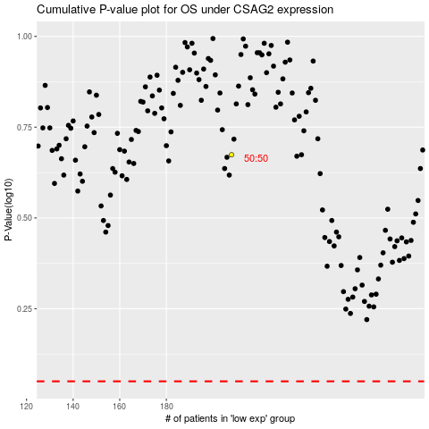

 |  |  |  |  |  | cases_OS | p_OS | rank | exp
 |  |  |  |  |  |  | cases_RFS | p_RFS | rank | exp

