CSAG3 _multivariate
Reported by Tex Li-Hsing Chi. tex@gate.sinica.edu.tw 2019-08-20

Table 2. The clinicopathological features of HNSCC cohort and CSAG3 expression. (Chi square test)
Cutoff at -0.362 (49.8%)
 |  | CSAG3 expression |  | CSAG3 expression |  | (Optimised)
 | Features | Low | (%) | High | (%) | Case no | P-value | Remark | Matthews
Gender | Female | 171 | 41.2 | 135 | 32.5 | 415 | 1e-04 | 1 | 0
2 | Male | 36 | 8.7 | 73 | 17.6
Age at diagnosis | <=65y | 146 | 35.2 | 128 | 30.8 | 415 | 0.0672 | 0 | 0
4 | >65y | 61 | 14.7 | 80 | 19.3
Clinical T Status | T1+T2 | 75 | 18.1 | 74 | 17.8 | 415 | 0.9707 | 0 | 0
6 | T3+T4 | 132 | 31.8 | 134 | 32.3
Clinical N Status | N0 | 100 | 24.1 | 116 | 28 | 415 | 0.1548 | 0 | 0
8 | N1-3 | 107 | 25.8 | 92 | 22.2
Clinical M Status | M0 | 207 | 49.9 | 205 | 49.4 | 415 | 0.2482 | 0 | 0
10 | M1 | 0 | 0 | 3 | 0.7
Clinical Stage | Stage I+II | 48 | 11.6 | 54 | 13 | 415 | 0.5878 | 0 | 0
12 | Stage III+IV | 159 | 38.3 | 154 | 37.1
Surgical Margin status | Negative | 156 | 37.6 | 162 | 39 | 415 | 0.5636 | 0 | 0
14 | Positive | 51 | 12.3 | 46 | 11.1
Tobacco Exposure | Low | 74 | 17.8 | 87 | 21 | 415 | 0.227 | 0 | 0
16 | High | 133 | 32 | 121 | 29.2

Table 3. Univariate/Multivariate Cox's proportional hazards regression analyses on OS time of CSAG3 gene expression in HNSCC

 |  | Univariate |  |  |  | Multivariate
 | Features | HR | CI95%(L) | CI95%(H) | P-value | HR | CI95%(L) | CI95%(H) | P-value
1 | Female | 1 |  |  |  | 1
Gender | Male | 1.157 | 0.843 | 1.587 | 0.367 | 1.27 | 0.9 | 1.792 | 0.174
11 | <=65y | 1 |  |  |  | 1
Age at diagnosis | >65y | 1.329 | 0.99 | 1.784 | 0.058 | 1.392 | 1.025 | 1.891 | 0.034
12 | T1+T2 | 1 |  |  |  | 1
Clinical T Status | T3+T4 | 1.409 | 1.028 | 1.931 | 0.033 | 2.238 | 1.184 | 4.229 | 0.013
13 | N0 | 1 |  |  |  | 1
Clinical N Status | N1-3 | 1.185 | 0.89 | 1.577 | 0.246 | 1.235 | 0.866 | 1.761 | 0.244
14 | M0 | 1 |  |  |  | 1
Clinical M Status | M1 | 4.097 | 1.009 | 16.644 | 0.049 | 10.731 | 2.309 | 49.881 | 0.002
15 | Stage I+II | 1 |  |  |  | 1
Clinical Stage | Stage III+IV | 1.245 | 0.882 | 1.759 | 0.213 | 0.498 | 0.232 | 1.069 | 0.074
16 | Negative | 1 |  |  |  | 1
Surgical Margin status | Positive | 1.591 | 1.155 | 2.191 | 0.004 | 1.68 | 1.216 | 2.322 | 0.002
17 | Low | 1 |  |  |  | 1
Tobacco Exposure | High | 1.364 | 1.008 | 1.844 | 0.044 | 1.46 | 1.06 | 2.013 | 0.021
18 | Low | 1 |  |  |  | 1
RNAseq(z-score) | High | 0.913 | 0.686 | 1.216 | 0.536 | 0.822 | 0.61 | 1.108 | 0.198

Table 4. Univariate/Multivariate Cox's proportional hazards regression analyses on RFS time of CSAG3 gene expression in HNSCC

 |  | Univariate |  |  |  | Multivariate
 | Features | HR | CI95%(L) | CI95%(H) | P-value | HR | CI95%(L) | CI95%(H) | P-value
1 | Female | 1 |  |  |  | 1
Gender | Male | 1.157 | 0.843 | 1.587 | 0.367 | 1.27 | 0.9 | 1.792 | 0.174
11 | <=65y | 1 |  |  |  | 1
Age at diagnosis | >65y | 1.329 | 0.99 | 1.784 | 0.058 | 1.392 | 1.025 | 1.891 | 0.034
12 | T1+T2 | 1 |  |  |  | 1
Clinical T Status | T3+T4 | 1.409 | 1.028 | 1.931 | 0.033 | 2.238 | 1.184 | 4.229 | 0.013
13 | N0 | 1 |  |  |  | 1
Clinical N Status | N1-3 | 1.185 | 0.89 | 1.577 | 0.246 | 1.235 | 0.866 | 1.761 | 0.244
14 | M0 | 1 |  |  |  | 1
Clinical M Status | M1 | 4.097 | 1.009 | 16.644 | 0.049 | 10.731 | 2.309 | 49.881 | 0.002
15 | Stage I+II | 1 |  |  |  | 1
Clinical Stage | Stage III+IV | 1.245 | 0.882 | 1.759 | 0.213 | 0.498 | 0.232 | 1.069 | 0.074
16 | Negative | 1 |  |  |  | 1
Surgical Margin status | Positive | 1.591 | 1.155 | 2.191 | 0.004 | 1.68 | 1.216 | 2.322 | 0.002
17 | Low | 1 |  |  |  | 1
Tobacco Exposure | High | 1.364 | 1.008 | 1.844 | 0.044 | 1.46 | 1.06 | 2.013 | 0.021
18 | Low | 1 |  |  |  | 1
RNAseq(z-score) | High | 0.913 | 0.686 | 1.216 | 0.536 | 0.822 | 0.61 | 1.108 | 0.198

Kaplan-Meier survival estimate: Cutoff at -0.362 (49.8%)



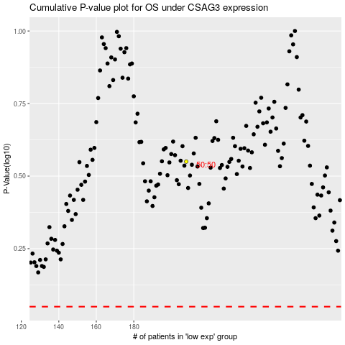

 |  |  |  |  |  | cases_OS | p_OS | rank | exp
 |  |  |  |  |  |  | cases_RFS | p_RFS | rank | exp

