CSF1 _multivariate
Reported by Tex Li-Hsing Chi. tex@gate.sinica.edu.tw 2019-08-20

Table 2. The clinicopathological features of HNSCC cohort and CSF1 expression. (Chi square test)
Cutoff at -0.292 (49.8%)
 |  | CSF1 expression |  | CSF1 expression |  | (Optimised)
 | Features | Low | (%) | High | (%) | Case no | P-value | Remark | Matthews
Gender | Female | 163 | 39.3 | 143 | 34.5 | 415 | 0.0277 | 1 | 0
2 | Male | 44 | 10.6 | 65 | 15.7
Age at diagnosis | <=65y | 144 | 34.7 | 130 | 31.3 | 415 | 0.1568 | 0 | 0
4 | >65y | 63 | 15.2 | 78 | 18.8
Clinical T Status | T1+T2 | 70 | 16.9 | 79 | 19 | 415 | 0.4343 | 0 | 0
6 | T3+T4 | 137 | 33 | 129 | 31.1
Clinical N Status | N0 | 115 | 27.7 | 101 | 24.3 | 415 | 0.184 | 1 | 0
8 | N1-3 | 92 | 22.2 | 107 | 25.8
Clinical M Status | M0 | 205 | 49.4 | 207 | 49.9 | 415 | 0.6232 | 0 | 0
10 | M1 | 2 | 0.5 | 1 | 0.2
Clinical Stage | Stage I+II | 45 | 10.8 | 57 | 13.7 | 415 | 0.2202 | 0 | 0
12 | Stage III+IV | 162 | 39 | 151 | 36.4
Surgical Margin status | Negative | 155 | 37.3 | 163 | 39.3 | 415 | 0.4187 | 0 | 0
14 | Positive | 52 | 12.5 | 45 | 10.8
Tobacco Exposure | Low | 75 | 18.1 | 86 | 20.7 | 415 | 0.3141 | 0 | 0
16 | High | 132 | 31.8 | 122 | 29.4

Table 3. Univariate/Multivariate Cox's proportional hazards regression analyses on OS time of CSF1 gene expression in HNSCC

 |  | Univariate |  |  |  | Multivariate
 | Features | HR | CI95%(L) | CI95%(H) | P-value | HR | CI95%(L) | CI95%(H) | P-value
1 | Female | 1 |  |  |  | 1
Gender | Male | 1.157 | 0.843 | 1.587 | 0.367 | 1.196 | 0.856 | 1.671 | 0.295
11 | <=65y | 1 |  |  |  | 1
Age at diagnosis | >65y | 1.329 | 0.99 | 1.784 | 0.058 | 1.378 | 1.012 | 1.877 | 0.042
12 | T1+T2 | 1 |  |  |  | 1
Clinical T Status | T3+T4 | 1.409 | 1.028 | 1.931 | 0.033 | 2.185 | 1.155 | 4.134 | 0.016
13 | N0 | 1 |  |  |  | 1
Clinical N Status | N1-3 | 1.185 | 0.89 | 1.577 | 0.246 | 1.221 | 0.853 | 1.748 | 0.275
14 | M0 | 1 |  |  |  | 1
Clinical M Status | M1 | 4.097 | 1.009 | 16.644 | 0.049 | 9.466 | 2.065 | 43.398 | 0.004
15 | Stage I+II | 1 |  |  |  | 1
Clinical Stage | Stage III+IV | 1.245 | 0.882 | 1.759 | 0.213 | 0.518 | 0.24 | 1.117 | 0.093
16 | Negative | 1 |  |  |  | 1
Surgical Margin status | Positive | 1.591 | 1.155 | 2.191 | 0.004 | 1.68 | 1.216 | 2.323 | 0.002
17 | Low | 1 |  |  |  | 1
Tobacco Exposure | High | 1.364 | 1.008 | 1.844 | 0.044 | 1.46 | 1.059 | 2.011 | 0.021
18 | Low | 1 |  |  |  | 1
RNAseq(z-score) | High | 1.118 | 0.838 | 1.491 | 0.448 | 1.1 | 0.819 | 1.477 | 0.527

Table 4. Univariate/Multivariate Cox's proportional hazards regression analyses on RFS time of CSF1 gene expression in HNSCC

 |  | Univariate |  |  |  | Multivariate
 | Features | HR | CI95%(L) | CI95%(H) | P-value | HR | CI95%(L) | CI95%(H) | P-value
1 | Female | 1 |  |  |  | 1
Gender | Male | 1.157 | 0.843 | 1.587 | 0.367 | 1.196 | 0.856 | 1.671 | 0.295
11 | <=65y | 1 |  |  |  | 1
Age at diagnosis | >65y | 1.329 | 0.99 | 1.784 | 0.058 | 1.378 | 1.012 | 1.877 | 0.042
12 | T1+T2 | 1 |  |  |  | 1
Clinical T Status | T3+T4 | 1.409 | 1.028 | 1.931 | 0.033 | 2.185 | 1.155 | 4.134 | 0.016
13 | N0 | 1 |  |  |  | 1
Clinical N Status | N1-3 | 1.185 | 0.89 | 1.577 | 0.246 | 1.221 | 0.853 | 1.748 | 0.275
14 | M0 | 1 |  |  |  | 1
Clinical M Status | M1 | 4.097 | 1.009 | 16.644 | 0.049 | 9.466 | 2.065 | 43.398 | 0.004
15 | Stage I+II | 1 |  |  |  | 1
Clinical Stage | Stage III+IV | 1.245 | 0.882 | 1.759 | 0.213 | 0.518 | 0.24 | 1.117 | 0.093
16 | Negative | 1 |  |  |  | 1
Surgical Margin status | Positive | 1.591 | 1.155 | 2.191 | 0.004 | 1.68 | 1.216 | 2.323 | 0.002
17 | Low | 1 |  |  |  | 1
Tobacco Exposure | High | 1.364 | 1.008 | 1.844 | 0.044 | 1.46 | 1.059 | 2.011 | 0.021
18 | Low | 1 |  |  |  | 1
RNAseq(z-score) | High | 1.118 | 0.838 | 1.491 | 0.448 | 1.1 | 0.819 | 1.477 | 0.527

Kaplan-Meier survival estimate: Cutoff at -0.292 (49.8%)



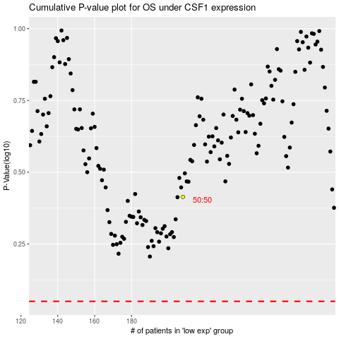

 |  |  |  |  |  | cases_OS | p_OS | rank | exp
 |  |  |  |  |  |  | cases_RFS | p_RFS | rank | exp

