CSF1R _multivariate
Reported by Tex Li-Hsing Chi. tex@gate.sinica.edu.tw 2019-08-20

Table 2. The clinicopathological features of HNSCC cohort and CSF1R expression. (Chi square test)
Cutoff at -0.291 (49.8%)
 |  | CSF1R expression |  | CSF1R expression |  | (Optimised)
 | Features | Low | (%) | High | (%) | Case no | P-value | Remark | Matthews
Gender | Female | 165 | 39.8 | 141 | 34 | 415 | 0.0081 | 1 | 0
2 | Male | 42 | 10.1 | 67 | 16.1
Age at diagnosis | <=65y | 144 | 34.7 | 130 | 31.3 | 415 | 0.1568 | 0 | 0
4 | >65y | 63 | 15.2 | 78 | 18.8
Clinical T Status | T1+T2 | 75 | 18.1 | 74 | 17.8 | 415 | 0.9707 | 0 | 0
6 | T3+T4 | 132 | 31.8 | 134 | 32.3
Clinical N Status | N0 | 119 | 28.7 | 97 | 23.4 | 415 | 0.0345 | 1 | 0
8 | N1-3 | 88 | 21.2 | 111 | 26.7
Clinical M Status | M0 | 206 | 49.6 | 206 | 49.6 | 415 | 1 | 0 | 0
10 | M1 | 1 | 0.2 | 2 | 0.5
Clinical Stage | Stage I+II | 52 | 12.5 | 50 | 12 | 415 | 0.8871 | 0 | 0
12 | Stage III+IV | 155 | 37.3 | 158 | 38.1
Surgical Margin status | Negative | 156 | 37.6 | 162 | 39 | 415 | 0.5636 | 0 | 0
14 | Positive | 51 | 12.3 | 46 | 11.1
Tobacco Exposure | Low | 67 | 16.1 | 94 | 22.7 | 415 | 0.0088 | 1 | 0
16 | High | 140 | 33.7 | 114 | 27.5

Table 3. Univariate/Multivariate Cox's proportional hazards regression analyses on OS time of CSF1R gene expression in HNSCC

 |  | Univariate |  |  |  | Multivariate
 | Features | HR | CI95%(L) | CI95%(H) | P-value | HR | CI95%(L) | CI95%(H) | P-value
1 | Female | 1 |  |  |  | 1
Gender | Male | 1.157 | 0.843 | 1.587 | 0.367 | 1.211 | 0.866 | 1.694 | 0.263
11 | <=65y | 1 |  |  |  | 1
Age at diagnosis | >65y | 1.329 | 0.99 | 1.784 | 0.058 | 1.397 | 1.028 | 1.898 | 0.033
12 | T1+T2 | 1 |  |  |  | 1
Clinical T Status | T3+T4 | 1.409 | 1.028 | 1.931 | 0.033 | 2.226 | 1.176 | 4.212 | 0.014
13 | N0 | 1 |  |  |  | 1
Clinical N Status | N1-3 | 1.185 | 0.89 | 1.577 | 0.246 | 1.261 | 0.881 | 1.805 | 0.205
14 | M0 | 1 |  |  |  | 1
Clinical M Status | M1 | 4.097 | 1.009 | 16.644 | 0.049 | 9.731 | 2.115 | 44.761 | 0.003
15 | Stage I+II | 1 |  |  |  | 1
Clinical Stage | Stage III+IV | 1.245 | 0.882 | 1.759 | 0.213 | 0.498 | 0.232 | 1.069 | 0.074
16 | Negative | 1 |  |  |  | 1
Surgical Margin status | Positive | 1.591 | 1.155 | 2.191 | 0.004 | 1.678 | 1.214 | 2.319 | 0.002
17 | Low | 1 |  |  |  | 1
Tobacco Exposure | High | 1.364 | 1.008 | 1.844 | 0.044 | 1.429 | 1.033 | 1.977 | 0.031
18 | Low | 1 |  |  |  | 1
RNAseq(z-score) | High | 0.95 | 0.713 | 1.265 | 0.724 | 0.906 | 0.673 | 1.218 | 0.513

Table 4. Univariate/Multivariate Cox's proportional hazards regression analyses on RFS time of CSF1R gene expression in HNSCC

 |  | Univariate |  |  |  | Multivariate
 | Features | HR | CI95%(L) | CI95%(H) | P-value | HR | CI95%(L) | CI95%(H) | P-value
1 | Female | 1 |  |  |  | 1
Gender | Male | 1.157 | 0.843 | 1.587 | 0.367 | 1.211 | 0.866 | 1.694 | 0.263
11 | <=65y | 1 |  |  |  | 1
Age at diagnosis | >65y | 1.329 | 0.99 | 1.784 | 0.058 | 1.397 | 1.028 | 1.898 | 0.033
12 | T1+T2 | 1 |  |  |  | 1
Clinical T Status | T3+T4 | 1.409 | 1.028 | 1.931 | 0.033 | 2.226 | 1.176 | 4.212 | 0.014
13 | N0 | 1 |  |  |  | 1
Clinical N Status | N1-3 | 1.185 | 0.89 | 1.577 | 0.246 | 1.261 | 0.881 | 1.805 | 0.205
14 | M0 | 1 |  |  |  | 1
Clinical M Status | M1 | 4.097 | 1.009 | 16.644 | 0.049 | 9.731 | 2.115 | 44.761 | 0.003
15 | Stage I+II | 1 |  |  |  | 1
Clinical Stage | Stage III+IV | 1.245 | 0.882 | 1.759 | 0.213 | 0.498 | 0.232 | 1.069 | 0.074
16 | Negative | 1 |  |  |  | 1
Surgical Margin status | Positive | 1.591 | 1.155 | 2.191 | 0.004 | 1.678 | 1.214 | 2.319 | 0.002
17 | Low | 1 |  |  |  | 1
Tobacco Exposure | High | 1.364 | 1.008 | 1.844 | 0.044 | 1.429 | 1.033 | 1.977 | 0.031
18 | Low | 1 |  |  |  | 1
RNAseq(z-score) | High | 0.95 | 0.713 | 1.265 | 0.724 | 0.906 | 0.673 | 1.218 | 0.513

Kaplan-Meier survival estimate: Cutoff at -0.291 (49.8%)



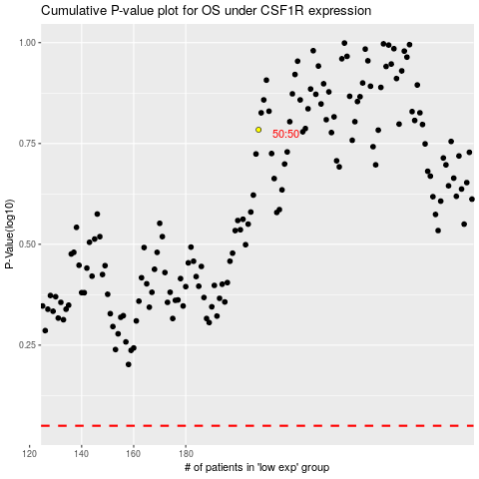

 |  |  |  |  |  | cases_OS | p_OS | rank | exp
 |  |  |  |  |  |  | cases_RFS | p_RFS | rank | exp

