CSF3 _multivariate
Reported by Tex Li-Hsing Chi. tex@gate.sinica.edu.tw 2019-08-20

Table 2. The clinicopathological features of HNSCC cohort and CSF3 expression. (Chi square test)
Cutoff at -0.185 (58.9%)
 |  | CSF3 expression |  | CSF3 expression |  | (Optimised)
 | Features | Low | (%) | High | (%) | Case no | P-value | Remark | Matthews
Gender | Female | 180 | 43.4 | 126 | 30.4 | 415 | 1 | 0 | 0
2 | Male | 64 | 15.4 | 45 | 10.8
Age at diagnosis | <=65y | 166 | 40 | 108 | 26 | 415 | 0.3541 | 0 | 0
4 | >65y | 78 | 18.8 | 63 | 15.2
Clinical T Status | T1+T2 | 95 | 22.9 | 54 | 13 | 415 | 0.1517 | 0 | 0
6 | T3+T4 | 149 | 35.9 | 117 | 28.2
Clinical N Status | N0 | 126 | 30.4 | 90 | 21.7 | 415 | 0.9209 | 0 | 0
8 | N1-3 | 118 | 28.4 | 81 | 19.5
Clinical M Status | M0 | 241 | 58.1 | 171 | 41.2 | 415 | 0.2715 | 0 | 0
10 | M1 | 3 | 0.7 | 0 | 0
Clinical Stage | Stage I+II | 60 | 14.5 | 42 | 10.1 | 415 | 1 | 0 | 0
12 | Stage III+IV | 184 | 44.3 | 129 | 31.1
Surgical Margin status | Negative | 191 | 46 | 127 | 30.6 | 415 | 0.3484 | 0 | 0
14 | Positive | 53 | 12.8 | 44 | 10.6
Tobacco Exposure | Low | 96 | 23.1 | 65 | 15.7 | 415 | 0.838 | 0 | 0
16 | High | 148 | 35.7 | 106 | 25.5

Table 3. Univariate/Multivariate Cox's proportional hazards regression analyses on OS time of CSF3 gene expression in HNSCC

 |  | Univariate |  |  |  | Multivariate
 | Features | HR | CI95%(L) | CI95%(H) | P-value | HR | CI95%(L) | CI95%(H) | P-value
1 | Female | 1 |  |  |  | 1
Gender | Male | 1.157 | 0.843 | 1.587 | 0.367 | 1.196 | 0.855 | 1.672 | 0.296
11 | <=65y | 1 |  |  |  | 1
Age at diagnosis | >65y | 1.329 | 0.99 | 1.784 | 0.058 | 1.374 | 1.01 | 1.869 | 0.043
12 | T1+T2 | 1 |  |  |  | 1
Clinical T Status | T3+T4 | 1.409 | 1.028 | 1.931 | 0.033 | 2.11 | 1.113 | 3.997 | 0.022
13 | N0 | 1 |  |  |  | 1
Clinical N Status | N1-3 | 1.185 | 0.89 | 1.577 | 0.246 | 1.254 | 0.878 | 1.791 | 0.213
14 | M0 | 1 |  |  |  | 1
Clinical M Status | M1 | 4.097 | 1.009 | 16.644 | 0.049 | 9.959 | 2.17 | 45.711 | 0.003
15 | Stage I+II | 1 |  |  |  | 1
Clinical Stage | Stage III+IV | 1.245 | 0.882 | 1.759 | 0.213 | 0.533 | 0.247 | 1.146 | 0.107
16 | Negative | 1 |  |  |  | 1
Surgical Margin status | Positive | 1.591 | 1.155 | 2.191 | 0.004 | 1.627 | 1.176 | 2.251 | 0.003
17 | Low | 1 |  |  |  | 1
Tobacco Exposure | High | 1.364 | 1.008 | 1.844 | 0.044 | 1.435 | 1.041 | 1.977 | 0.027
18 | Low | 1 |  |  |  | 1
RNAseq(z-score) | High | 1.341 | 1.003 | 1.794 | 0.048 | 1.283 | 0.954 | 1.726 | 0.1

Table 4. Univariate/Multivariate Cox's proportional hazards regression analyses on RFS time of CSF3 gene expression in HNSCC

 |  | Univariate |  |  |  | Multivariate
 | Features | HR | CI95%(L) | CI95%(H) | P-value | HR | CI95%(L) | CI95%(H) | P-value
1 | Female | 1 |  |  |  | 1
Gender | Male | 1.157 | 0.843 | 1.587 | 0.367 | 1.196 | 0.855 | 1.672 | 0.296
11 | <=65y | 1 |  |  |  | 1
Age at diagnosis | >65y | 1.329 | 0.99 | 1.784 | 0.058 | 1.374 | 1.01 | 1.869 | 0.043
12 | T1+T2 | 1 |  |  |  | 1
Clinical T Status | T3+T4 | 1.409 | 1.028 | 1.931 | 0.033 | 2.11 | 1.113 | 3.997 | 0.022
13 | N0 | 1 |  |  |  | 1
Clinical N Status | N1-3 | 1.185 | 0.89 | 1.577 | 0.246 | 1.254 | 0.878 | 1.791 | 0.213
14 | M0 | 1 |  |  |  | 1
Clinical M Status | M1 | 4.097 | 1.009 | 16.644 | 0.049 | 9.959 | 2.17 | 45.711 | 0.003
15 | Stage I+II | 1 |  |  |  | 1
Clinical Stage | Stage III+IV | 1.245 | 0.882 | 1.759 | 0.213 | 0.533 | 0.247 | 1.146 | 0.107
16 | Negative | 1 |  |  |  | 1
Surgical Margin status | Positive | 1.591 | 1.155 | 2.191 | 0.004 | 1.627 | 1.176 | 2.251 | 0.003
17 | Low | 1 |  |  |  | 1
Tobacco Exposure | High | 1.364 | 1.008 | 1.844 | 0.044 | 1.435 | 1.041 | 1.977 | 0.027
18 | Low | 1 |  |  |  | 1
RNAseq(z-score) | High | 1.341 | 1.003 | 1.794 | 0.048 | 1.283 | 0.954 | 1.726 | 0.1

Kaplan-Meier survival estimate: Cutoff at -0.185 (58.9%)



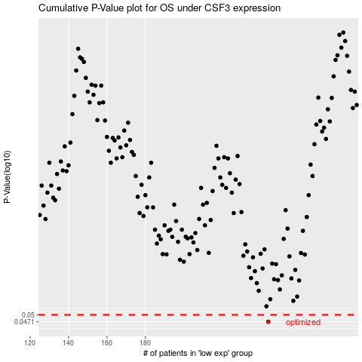

 |  |  |  |  |  | cases_OS | p_OS | rank | exp
 |  |  |  |  |  | 244 | 0.0471 | 90 | -0.18533943737
 |  |  |  |  |  |  | cases_RFS | p_RFS | rank | exp
 |  |  |  |  |  |  | 243 | 0.0471 | 104 | -0.18697166963

