CSF3R _multivariate
Reported by Tex Li-Hsing Chi. tex@gate.sinica.edu.tw 2019-08-20

Table 2. The clinicopathological features of HNSCC cohort and CSF3R expression. (Chi square test)
Cutoff at -0.258 (50.0%)
 |  | CSF3R expression |  | CSF3R expression |  | (Optimised)
 | Features | Low | (%) | High | (%) | Case no | P-value | Remark | Matthews
Gender | Female | 162 | 39 | 144 | 34.7 | 415 | 0.0479 | 1 | 0
2 | Male | 45 | 10.8 | 64 | 15.4
Age at diagnosis | <=65y | 147 | 35.4 | 127 | 30.6 | 415 | 0.0416 | 1 | 0
4 | >65y | 60 | 14.5 | 81 | 19.5
Clinical T Status | T1+T2 | 69 | 16.6 | 80 | 19.3 | 415 | 0.3239 | 0 | 0
6 | T3+T4 | 138 | 33.3 | 128 | 30.8
Clinical N Status | N0 | 107 | 25.8 | 109 | 26.3 | 415 | 0.9624 | 0 | 0
8 | N1-3 | 100 | 24.1 | 99 | 23.9
Clinical M Status | M0 | 205 | 49.4 | 207 | 49.9 | 415 | 0.6232 | 0 | 0
10 | M1 | 2 | 0.5 | 1 | 0.2
Clinical Stage | Stage I+II | 45 | 10.8 | 57 | 13.7 | 415 | 0.2202 | 0 | 0
12 | Stage III+IV | 162 | 39 | 151 | 36.4
Surgical Margin status | Negative | 153 | 36.9 | 165 | 39.8 | 415 | 0.2036 | 0 | 0
14 | Positive | 54 | 13 | 43 | 10.4
Tobacco Exposure | Low | 76 | 18.3 | 85 | 20.5 | 415 | 0.4207 | 0 | 0
16 | High | 131 | 31.6 | 123 | 29.6

Table 3. Univariate/Multivariate Cox's proportional hazards regression analyses on OS time of CSF3R gene expression in HNSCC

 |  | Univariate |  |  |  | Multivariate
 | Features | HR | CI95%(L) | CI95%(H) | P-value | HR | CI95%(L) | CI95%(H) | P-value
1 | Female | 1 |  |  |  | 1
Gender | Male | 1.157 | 0.843 | 1.587 | 0.367 | 1.206 | 0.864 | 1.684 | 0.272
11 | <=65y | 1 |  |  |  | 1
Age at diagnosis | >65y | 1.329 | 0.99 | 1.784 | 0.058 | 1.417 | 1.041 | 1.928 | 0.027
12 | T1+T2 | 1 |  |  |  | 1
Clinical T Status | T3+T4 | 1.409 | 1.028 | 1.931 | 0.033 | 2.224 | 1.176 | 4.205 | 0.014
13 | N0 | 1 |  |  |  | 1
Clinical N Status | N1-3 | 1.185 | 0.89 | 1.577 | 0.246 | 1.246 | 0.874 | 1.778 | 0.224
14 | M0 | 1 |  |  |  | 1
Clinical M Status | M1 | 4.097 | 1.009 | 16.644 | 0.049 | 9.33 | 2.035 | 42.777 | 0.004
15 | Stage I+II | 1 |  |  |  | 1
Clinical Stage | Stage III+IV | 1.245 | 0.882 | 1.759 | 0.213 | 0.493 | 0.23 | 1.058 | 0.069
16 | Negative | 1 |  |  |  | 1
Surgical Margin status | Positive | 1.591 | 1.155 | 2.191 | 0.004 | 1.674 | 1.211 | 2.314 | 0.002
17 | Low | 1 |  |  |  | 1
Tobacco Exposure | High | 1.364 | 1.008 | 1.844 | 0.044 | 1.44 | 1.045 | 1.985 | 0.026
18 | Low | 1 |  |  |  | 1
RNAseq(z-score) | High | 0.848 | 0.636 | 1.131 | 0.261 | 0.834 | 0.623 | 1.115 | 0.221

Table 4. Univariate/Multivariate Cox's proportional hazards regression analyses on RFS time of CSF3R gene expression in HNSCC

 |  | Univariate |  |  |  | Multivariate
 | Features | HR | CI95%(L) | CI95%(H) | P-value | HR | CI95%(L) | CI95%(H) | P-value
1 | Female | 1 |  |  |  | 1
Gender | Male | 1.157 | 0.843 | 1.587 | 0.367 | 1.206 | 0.864 | 1.684 | 0.272
11 | <=65y | 1 |  |  |  | 1
Age at diagnosis | >65y | 1.329 | 0.99 | 1.784 | 0.058 | 1.417 | 1.041 | 1.928 | 0.027
12 | T1+T2 | 1 |  |  |  | 1
Clinical T Status | T3+T4 | 1.409 | 1.028 | 1.931 | 0.033 | 2.224 | 1.176 | 4.205 | 0.014
13 | N0 | 1 |  |  |  | 1
Clinical N Status | N1-3 | 1.185 | 0.89 | 1.577 | 0.246 | 1.246 | 0.874 | 1.778 | 0.224
14 | M0 | 1 |  |  |  | 1
Clinical M Status | M1 | 4.097 | 1.009 | 16.644 | 0.049 | 9.33 | 2.035 | 42.777 | 0.004
15 | Stage I+II | 1 |  |  |  | 1
Clinical Stage | Stage III+IV | 1.245 | 0.882 | 1.759 | 0.213 | 0.493 | 0.23 | 1.058 | 0.069
16 | Negative | 1 |  |  |  | 1
Surgical Margin status | Positive | 1.591 | 1.155 | 2.191 | 0.004 | 1.674 | 1.211 | 2.314 | 0.002
17 | Low | 1 |  |  |  | 1
Tobacco Exposure | High | 1.364 | 1.008 | 1.844 | 0.044 | 1.44 | 1.045 | 1.985 | 0.026
18 | Low | 1 |  |  |  | 1
RNAseq(z-score) | High | 0.848 | 0.636 | 1.131 | 0.261 | 0.834 | 0.623 | 1.115 | 0.221

Kaplan-Meier survival estimate: Cutoff at -0.258 (50.0%)



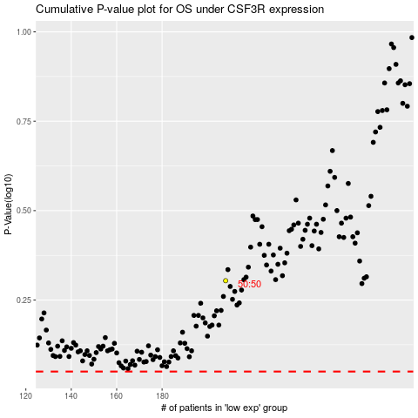

 |  |  |  |  |  | cases_OS | p_OS | rank | exp
 |  |  |  |  |  |  | cases_RFS | p_RFS | rank | exp

