CSGALNACT2 _multivariate
Reported by Tex Li-Hsing Chi. tex@gate.sinica.edu.tw 2019-08-20

Table 2. The clinicopathological features of HNSCC cohort and CSGALNACT2 expression. (Chi square test)
Cutoff at 0.358 (68.1%)
 |  | CSGALNACT2 expression |  | CSGALNACT2 expression |  | (Optimised)
 | Features | Low | (%) | High | (%) | Case no | P-value | Remark | Matthews
Gender | Female | 207 | 49.9 | 99 | 23.9 | 415 | 0.9177 | 0 | 0
2 | Male | 75 | 18.1 | 34 | 8.2
Age at diagnosis | <=65y | 189 | 45.5 | 85 | 20.5 | 415 | 0.6076 | 0 | 0
4 | >65y | 93 | 22.4 | 48 | 11.6
Clinical T Status | T1+T2 | 102 | 24.6 | 47 | 11.3 | 415 | 0.956 | 0 | 0
6 | T3+T4 | 180 | 43.4 | 86 | 20.7
Clinical N Status | N0 | 158 | 38.1 | 58 | 14 | 415 | 0.0239 | 1 | 0
8 | N1-3 | 124 | 29.9 | 75 | 18.1
Clinical M Status | M0 | 281 | 67.7 | 131 | 31.6 | 415 | 0.2417 | 0 | 0
10 | M1 | 1 | 0.2 | 2 | 0.5
Clinical Stage | Stage I+II | 73 | 17.6 | 29 | 7 | 415 | 0.4359 | 0 | 0
12 | Stage III+IV | 209 | 50.4 | 104 | 25.1
Surgical Margin status | Negative | 220 | 53 | 98 | 23.6 | 415 | 0.3843 | 0 | 0
14 | Positive | 62 | 14.9 | 35 | 8.4
Tobacco Exposure | Low | 113 | 27.2 | 48 | 11.6 | 415 | 0.452 | 0 | 0
16 | High | 169 | 40.7 | 85 | 20.5

Table 3. Univariate/Multivariate Cox's proportional hazards regression analyses on OS time of CSGALNACT2 gene expression in HNSCC

 |  | Univariate |  |  |  | Multivariate
 | Features | HR | CI95%(L) | CI95%(H) | P-value | HR | CI95%(L) | CI95%(H) | P-value
1 | Female | 1 |  |  |  | 1
Gender | Male | 1.157 | 0.843 | 1.587 | 0.367 | 1.208 | 0.866 | 1.686 | 0.265
11 | <=65y | 1 |  |  |  | 1
Age at diagnosis | >65y | 1.329 | 0.99 | 1.784 | 0.058 | 1.369 | 1.006 | 1.862 | 0.046
12 | T1+T2 | 1 |  |  |  | 1
Clinical T Status | T3+T4 | 1.409 | 1.028 | 1.931 | 0.033 | 2.216 | 1.171 | 4.193 | 0.014
13 | N0 | 1 |  |  |  | 1
Clinical N Status | N1-3 | 1.185 | 0.89 | 1.577 | 0.246 | 1.216 | 0.851 | 1.737 | 0.283
14 | M0 | 1 |  |  |  | 1
Clinical M Status | M1 | 4.097 | 1.009 | 16.644 | 0.049 | 8.759 | 1.908 | 40.198 | 0.005
15 | Stage I+II | 1 |  |  |  | 1
Clinical Stage | Stage III+IV | 1.245 | 0.882 | 1.759 | 0.213 | 0.512 | 0.238 | 1.099 | 0.086
16 | Negative | 1 |  |  |  | 1
Surgical Margin status | Positive | 1.591 | 1.155 | 2.191 | 0.004 | 1.654 | 1.197 | 2.286 | 0.002
17 | Low | 1 |  |  |  | 1
Tobacco Exposure | High | 1.364 | 1.008 | 1.844 | 0.044 | 1.428 | 1.038 | 1.965 | 0.029
18 | Low | 1 |  |  |  | 1
RNAseq(z-score) | High | 1.392 | 1.032 | 1.879 | 0.03 | 1.355 | 1.002 | 1.832 | 0.049

Table 4. Univariate/Multivariate Cox's proportional hazards regression analyses on RFS time of CSGALNACT2 gene expression in HNSCC

 |  | Univariate |  |  |  | Multivariate
 | Features | HR | CI95%(L) | CI95%(H) | P-value | HR | CI95%(L) | CI95%(H) | P-value
1 | Female | 1 |  |  |  | 1
Gender | Male | 1.157 | 0.843 | 1.587 | 0.367 | 1.208 | 0.866 | 1.686 | 0.265
11 | <=65y | 1 |  |  |  | 1
Age at diagnosis | >65y | 1.329 | 0.99 | 1.784 | 0.058 | 1.369 | 1.006 | 1.862 | 0.046
12 | T1+T2 | 1 |  |  |  | 1
Clinical T Status | T3+T4 | 1.409 | 1.028 | 1.931 | 0.033 | 2.216 | 1.171 | 4.193 | 0.014
13 | N0 | 1 |  |  |  | 1
Clinical N Status | N1-3 | 1.185 | 0.89 | 1.577 | 0.246 | 1.216 | 0.851 | 1.737 | 0.283
14 | M0 | 1 |  |  |  | 1
Clinical M Status | M1 | 4.097 | 1.009 | 16.644 | 0.049 | 8.759 | 1.908 | 40.198 | 0.005
15 | Stage I+II | 1 |  |  |  | 1
Clinical Stage | Stage III+IV | 1.245 | 0.882 | 1.759 | 0.213 | 0.512 | 0.238 | 1.099 | 0.086
16 | Negative | 1 |  |  |  | 1
Surgical Margin status | Positive | 1.591 | 1.155 | 2.191 | 0.004 | 1.654 | 1.197 | 2.286 | 0.002
17 | Low | 1 |  |  |  | 1
Tobacco Exposure | High | 1.364 | 1.008 | 1.844 | 0.044 | 1.428 | 1.038 | 1.965 | 0.029
18 | Low | 1 |  |  |  | 1
RNAseq(z-score) | High | 1.392 | 1.032 | 1.879 | 0.03 | 1.355 | 1.002 | 1.832 | 0.049

Kaplan-Meier survival estimate: Cutoff at 0.358 (68.1%)

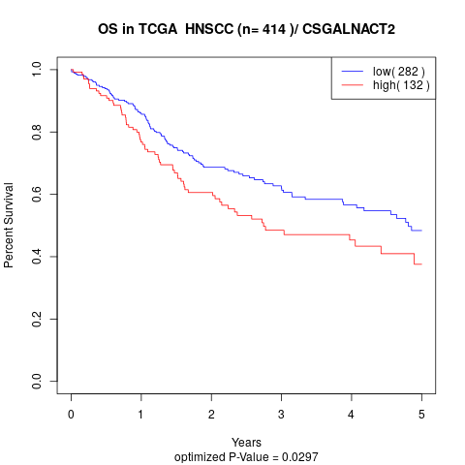

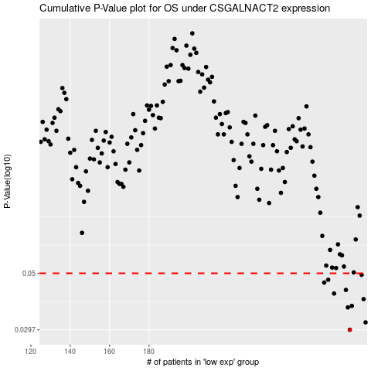

 |  |  |  |  |  | cases_OS | p_OS | rank | exp
 |  |  |  |  |  | 282 | 0.0297 | 248 | 0.35783057883
 |  |  |  |  |  | 290 | 0.0318 | 86 | 0.42186134563
 |  |  |  |  |  | 281 | 0.0365 | 157 | 0.34442595422
 |  |  |  |  |  | 283 | 0.037 | 207 | 0.37246876345
 |  |  |  |  |  | 289 | 0.0394 | 178 | 0.41491253422
 |  |  |  |  |  | 274 | 0.0415 | 236 | 0.31008487225
 |  |  |  |  |  | 280 | 0.0429 | 53 | 0.34051025276
 |  |  |  |  |  | 269 | 0.0459 | 273 | 0.26717699582
 |  |  |  |  |  | 271 | 0.0471 | 23 | 0.28228415222
 |  |  |  |  |  | 288 | 0.0493 | 350 | 0.40849473754
 |  |  |  |  |  |  | cases_RFS | p_RFS | rank | exp
 |  |  |  |  |  |  | 281 | 0.0297 | 157 | 0.34442595422
 |  |  |  |  |  |  | 289 | 0.0318 | 178 | 0.41491253422
 |  |  |  |  |  |  | 280 | 0.0365 | 53 | 0.34051025276
 |  |  |  |  |  |  | 282 | 0.037 | 248 | 0.35783057883
 |  |  |  |  |  |  | 288 | 0.0394 | 350 | 0.40849473754
 |  |  |  |  |  |  | 273 | 0.0415 | 130 | 0.30072246808
 |  |  |  |  |  |  | 279 | 0.0429 | 160 | 0.33698171153
 |  |  |  |  |  |  | 268 | 0.0459 | 232 | 0.25814001305
 |  |  |  |  |  |  | 270 | 0.0471 | 360 | 0.2793705662
 |  |  |  |  |  |  | 287 | 0.0493 | 205 | 0.39711989091

