CSMD3 _multivariate
Reported by Tex Li-Hsing Chi. tex@gate.sinica.edu.tw 2019-08-20

Table 2. The clinicopathological features of HNSCC cohort and CSMD3 expression. (Chi square test)
Cutoff at -0.305 (50.0%)
 |  | CSMD3 expression |  | CSMD3 expression |  | (Optimised)
 | Features | Low | (%) | High | (%) | Case no | P-value | Remark | Matthews
Gender | Female | 161 | 38.8 | 145 | 34.9 | 415 | 0.0792 | 0 | 0
2 | Male | 46 | 11.1 | 63 | 15.2
Age at diagnosis | <=65y | 142 | 34.2 | 132 | 31.8 | 415 | 0.3167 | 0 | 0
4 | >65y | 65 | 15.7 | 76 | 18.3
Clinical T Status | T1+T2 | 71 | 17.1 | 78 | 18.8 | 415 | 0.5638 | 0 | 0
6 | T3+T4 | 136 | 32.8 | 130 | 31.3
Clinical N Status | N0 | 99 | 23.9 | 117 | 28.2 | 415 | 0.1054 | 0 | 0
8 | N1-3 | 108 | 26 | 91 | 21.9
Clinical M Status | M0 | 206 | 49.6 | 206 | 49.6 | 415 | 1 | 0 | 0
10 | M1 | 1 | 0.2 | 2 | 0.5
Clinical Stage | Stage I+II | 42 | 10.1 | 60 | 14.5 | 415 | 0.0561 | 0 | 0
12 | Stage III+IV | 165 | 39.8 | 148 | 35.7
Surgical Margin status | Negative | 156 | 37.6 | 162 | 39 | 415 | 0.5636 | 0 | 0
14 | Positive | 51 | 12.3 | 46 | 11.1
Tobacco Exposure | Low | 66 | 15.9 | 95 | 22.9 | 415 | 0.0048 | 1 | 0
16 | High | 141 | 34 | 113 | 27.2

Table 3. Univariate/Multivariate Cox's proportional hazards regression analyses on OS time of CSMD3 gene expression in HNSCC

 |  | Univariate |  |  |  | Multivariate
 | Features | HR | CI95%(L) | CI95%(H) | P-value | HR | CI95%(L) | CI95%(H) | P-value
1 | Female | 1 |  |  |  | 1
Gender | Male | 1.157 | 0.843 | 1.587 | 0.367 | 1.177 | 0.839 | 1.651 | 0.345
11 | <=65y | 1 |  |  |  | 1
Age at diagnosis | >65y | 1.329 | 0.99 | 1.784 | 0.058 | 1.387 | 1.02 | 1.885 | 0.037
12 | T1+T2 | 1 |  |  |  | 1
Clinical T Status | T3+T4 | 1.409 | 1.028 | 1.931 | 0.033 | 2.168 | 1.145 | 4.103 | 0.017
13 | N0 | 1 |  |  |  | 1
Clinical N Status | N1-3 | 1.185 | 0.89 | 1.577 | 0.246 | 1.242 | 0.871 | 1.771 | 0.231
14 | M0 | 1 |  |  |  | 1
Clinical M Status | M1 | 4.097 | 1.009 | 16.644 | 0.049 | 8.838 | 1.915 | 40.789 | 0.005
15 | Stage I+II | 1 |  |  |  | 1
Clinical Stage | Stage III+IV | 1.245 | 0.882 | 1.759 | 0.213 | 0.522 | 0.242 | 1.125 | 0.097
16 | Negative | 1 |  |  |  | 1
Surgical Margin status | Positive | 1.591 | 1.155 | 2.191 | 0.004 | 1.67 | 1.209 | 2.306 | 0.002
17 | Low | 1 |  |  |  | 1
Tobacco Exposure | High | 1.364 | 1.008 | 1.844 | 0.044 | 1.487 | 1.074 | 2.06 | 0.017
18 | Low | 1 |  |  |  | 1
RNAseq(z-score) | High | 1.117 | 0.838 | 1.49 | 0.45 | 1.137 | 0.839 | 1.541 | 0.407

Table 4. Univariate/Multivariate Cox's proportional hazards regression analyses on RFS time of CSMD3 gene expression in HNSCC

 |  | Univariate |  |  |  | Multivariate
 | Features | HR | CI95%(L) | CI95%(H) | P-value | HR | CI95%(L) | CI95%(H) | P-value
1 | Female | 1 |  |  |  | 1
Gender | Male | 1.157 | 0.843 | 1.587 | 0.367 | 1.177 | 0.839 | 1.651 | 0.345
11 | <=65y | 1 |  |  |  | 1
Age at diagnosis | >65y | 1.329 | 0.99 | 1.784 | 0.058 | 1.387 | 1.02 | 1.885 | 0.037
12 | T1+T2 | 1 |  |  |  | 1
Clinical T Status | T3+T4 | 1.409 | 1.028 | 1.931 | 0.033 | 2.168 | 1.145 | 4.103 | 0.017
13 | N0 | 1 |  |  |  | 1
Clinical N Status | N1-3 | 1.185 | 0.89 | 1.577 | 0.246 | 1.242 | 0.871 | 1.771 | 0.231
14 | M0 | 1 |  |  |  | 1
Clinical M Status | M1 | 4.097 | 1.009 | 16.644 | 0.049 | 8.838 | 1.915 | 40.789 | 0.005
15 | Stage I+II | 1 |  |  |  | 1
Clinical Stage | Stage III+IV | 1.245 | 0.882 | 1.759 | 0.213 | 0.522 | 0.242 | 1.125 | 0.097
16 | Negative | 1 |  |  |  | 1
Surgical Margin status | Positive | 1.591 | 1.155 | 2.191 | 0.004 | 1.67 | 1.209 | 2.306 | 0.002
17 | Low | 1 |  |  |  | 1
Tobacco Exposure | High | 1.364 | 1.008 | 1.844 | 0.044 | 1.487 | 1.074 | 2.06 | 0.017
18 | Low | 1 |  |  |  | 1
RNAseq(z-score) | High | 1.117 | 0.838 | 1.49 | 0.45 | 1.137 | 0.839 | 1.541 | 0.407

Kaplan-Meier survival estimate: Cutoff at -0.305 (50.0%)



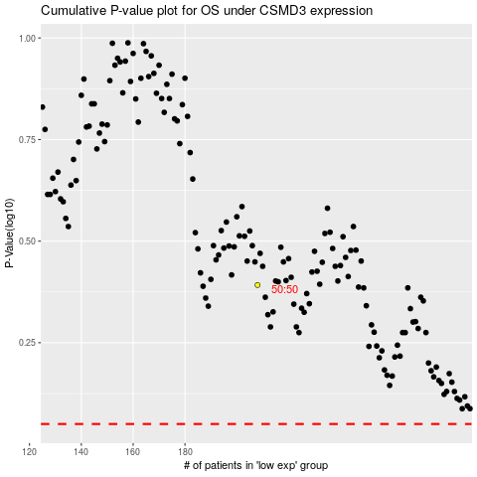

 |  |  |  |  |  | cases_OS | p_OS | rank | exp
 |  |  |  |  |  |  | cases_RFS | p_RFS | rank | exp

