CSNK1A1P _multivariate
Reported by Tex Li-Hsing Chi. tex@gate.sinica.edu.tw 2019-08-20

Table 2. The clinicopathological features of HNSCC cohort and CSNK1A1P expression. (Chi square test)
Cutoff at -0.231 (49.8%)
 |  | CSNK1A1P expression |  | CSNK1A1P expression |  | (Optimised)
 | Features | Low | (%) | High | (%) | Case no | P-value | Remark | Matthews
Gender | Female | 155 | 37.3 | 151 | 36.4 | 415 | 0.6768 | 0 | 0
2 | Male | 52 | 12.5 | 57 | 13.7
Age at diagnosis | <=65y | 141 | 34 | 133 | 32 | 415 | 0.4272 | 0 | 0
4 | >65y | 66 | 15.9 | 75 | 18.1
Clinical T Status | T1+T2 | 73 | 17.6 | 76 | 18.3 | 415 | 0.8666 | 0 | 0
6 | T3+T4 | 134 | 32.3 | 132 | 31.8
Clinical N Status | N0 | 111 | 26.7 | 105 | 25.3 | 415 | 0.5875 | 0 | 0
8 | N1-3 | 96 | 23.1 | 103 | 24.8
Clinical M Status | M0 | 205 | 49.4 | 207 | 49.9 | 415 | 0.6232 | 0 | 0
10 | M1 | 2 | 0.5 | 1 | 0.2
Clinical Stage | Stage I+II | 51 | 12.3 | 51 | 12.3 | 415 | 1 | 0 | 0
12 | Stage III+IV | 156 | 37.6 | 157 | 37.8
Surgical Margin status | Negative | 159 | 38.3 | 159 | 38.3 | 415 | 1 | 0 | 0
14 | Positive | 48 | 11.6 | 49 | 11.8
Tobacco Exposure | Low | 70 | 16.9 | 91 | 21.9 | 415 | 0.0439 | 1 | 0
16 | High | 137 | 33 | 117 | 28.2

Table 3. Univariate/Multivariate Cox's proportional hazards regression analyses on OS time of CSNK1A1P gene expression in HNSCC

 |  | Univariate |  |  |  | Multivariate
 | Features | HR | CI95%(L) | CI95%(H) | P-value | HR | CI95%(L) | CI95%(H) | P-value
1 | Female | 1 |  |  |  | 1
Gender | Male | 1.157 | 0.843 | 1.587 | 0.367 | 1.185 | 0.849 | 1.655 | 0.319
11 | <=65y | 1 |  |  |  | 1
Age at diagnosis | >65y | 1.329 | 0.99 | 1.784 | 0.058 | 1.413 | 1.038 | 1.923 | 0.028
12 | T1+T2 | 1 |  |  |  | 1
Clinical T Status | T3+T4 | 1.409 | 1.028 | 1.931 | 0.033 | 2.264 | 1.197 | 4.282 | 0.012
13 | N0 | 1 |  |  |  | 1
Clinical N Status | N1-3 | 1.185 | 0.89 | 1.577 | 0.246 | 1.243 | 0.871 | 1.773 | 0.231
14 | M0 | 1 |  |  |  | 1
Clinical M Status | M1 | 4.097 | 1.009 | 16.644 | 0.049 | 10.563 | 2.294 | 48.64 | 0.002
15 | Stage I+II | 1 |  |  |  | 1
Clinical Stage | Stage III+IV | 1.245 | 0.882 | 1.759 | 0.213 | 0.495 | 0.231 | 1.065 | 0.072
16 | Negative | 1 |  |  |  | 1
Surgical Margin status | Positive | 1.591 | 1.155 | 2.191 | 0.004 | 1.677 | 1.214 | 2.317 | 0.002
17 | Low | 1 |  |  |  | 1
Tobacco Exposure | High | 1.364 | 1.008 | 1.844 | 0.044 | 1.521 | 1.1 | 2.103 | 0.011
18 | Low | 1 |  |  |  | 1
RNAseq(z-score) | High | 1.225 | 0.918 | 1.634 | 0.168 | 1.347 | 1.004 | 1.807 | 0.047

Table 4. Univariate/Multivariate Cox's proportional hazards regression analyses on RFS time of CSNK1A1P gene expression in HNSCC

 |  | Univariate |  |  |  | Multivariate
 | Features | HR | CI95%(L) | CI95%(H) | P-value | HR | CI95%(L) | CI95%(H) | P-value
1 | Female | 1 |  |  |  | 1
Gender | Male | 1.157 | 0.843 | 1.587 | 0.367 | 1.185 | 0.849 | 1.655 | 0.319
11 | <=65y | 1 |  |  |  | 1
Age at diagnosis | >65y | 1.329 | 0.99 | 1.784 | 0.058 | 1.413 | 1.038 | 1.923 | 0.028
12 | T1+T2 | 1 |  |  |  | 1
Clinical T Status | T3+T4 | 1.409 | 1.028 | 1.931 | 0.033 | 2.264 | 1.197 | 4.282 | 0.012
13 | N0 | 1 |  |  |  | 1
Clinical N Status | N1-3 | 1.185 | 0.89 | 1.577 | 0.246 | 1.243 | 0.871 | 1.773 | 0.231
14 | M0 | 1 |  |  |  | 1
Clinical M Status | M1 | 4.097 | 1.009 | 16.644 | 0.049 | 10.563 | 2.294 | 48.64 | 0.002
15 | Stage I+II | 1 |  |  |  | 1
Clinical Stage | Stage III+IV | 1.245 | 0.882 | 1.759 | 0.213 | 0.495 | 0.231 | 1.065 | 0.072
16 | Negative | 1 |  |  |  | 1
Surgical Margin status | Positive | 1.591 | 1.155 | 2.191 | 0.004 | 1.677 | 1.214 | 2.317 | 0.002
17 | Low | 1 |  |  |  | 1
Tobacco Exposure | High | 1.364 | 1.008 | 1.844 | 0.044 | 1.521 | 1.1 | 2.103 | 0.011
18 | Low | 1 |  |  |  | 1
RNAseq(z-score) | High | 1.225 | 0.918 | 1.634 | 0.168 | 1.347 | 1.004 | 1.807 | 0.047

Kaplan-Meier survival estimate: Cutoff at -0.231 (49.8%)



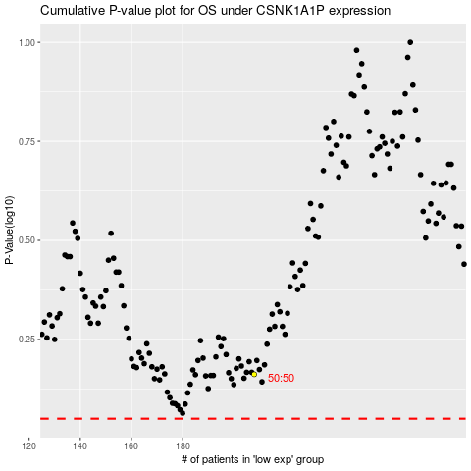

 |  |  |  |  |  | cases_OS | p_OS | rank | exp
 |  |  |  |  |  |  | cases_RFS | p_RFS | rank | exp

